Historical Trend
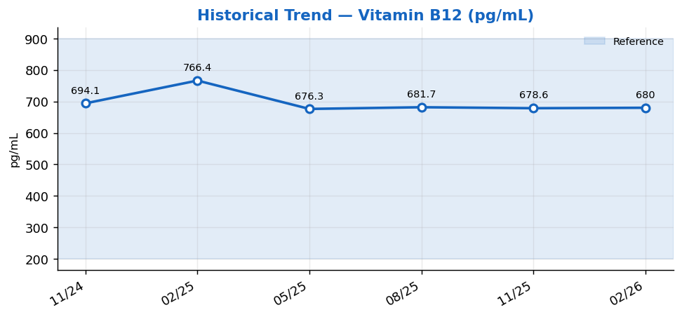
Historical Trend — Vitamin B12

Vitamin B12 (pg/mL) — last 6 results
Date | Result | Ref Low | Ref High
2024-11-26 | 694.1 | 200 | 900
2025-02-24 | 766.4 | 200 | 900
2025-05-25 | 676.3 | 200 | 900
2025-08-23 | 681.7 | 200 | 900
2025-11-21 | 678.6 | 200 | 900
2026-02-19 | 680 | 200 | 900

Result Visualization
Result Visualization

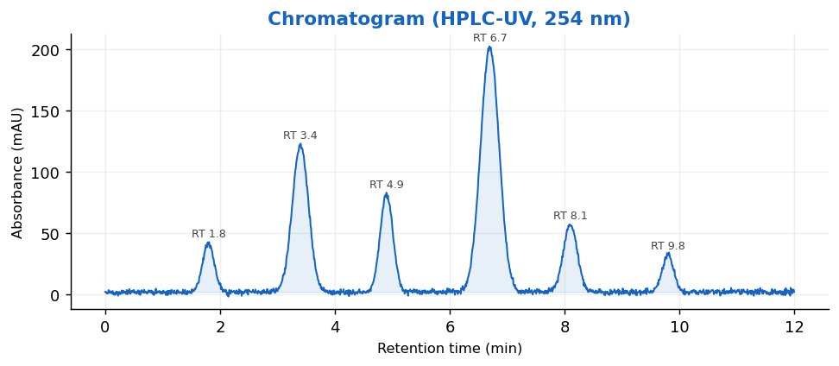

Result vs Upper Reference Limit
Analyte | Result | Ref High
Hemoglobin A1c | 5.1 | 5.6
Estimated Avg Glucose | 94 | 114
Vitamin B12 | 680 | 900
Folate, Serum | 11.7 | 20
Ferritin | 241 | 400
Iron, Total | 9 | 170
TIBC | 523 | 450
Transferrin Saturation | 29 | 50

