Historical Trend
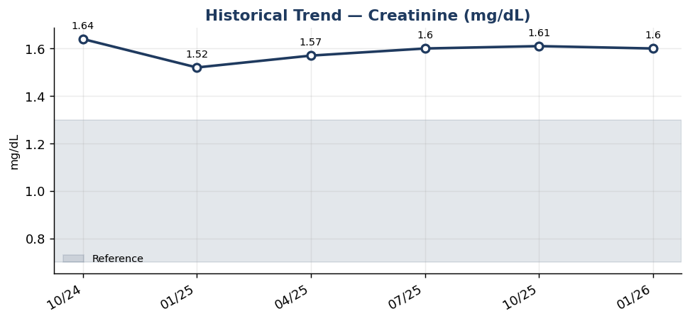
Historical Trend — Creatinine

Creatinine (mg/dL) — last 6 results
Date | Result | Ref Low | Ref High
2024-10-08 | 1.64 | 0.7 | 1.3
2025-01-06 | 1.52 | 0.7 | 1.3
2025-04-06 | 1.57 | 0.7 | 1.3
2025-07-05 | 1.6 | 0.7 | 1.3
2025-10-03 | 1.61 | 0.7 | 1.3
2026-01-01 | 1.6 | 0.7 | 1.3

Result Visualization
Result Visualization

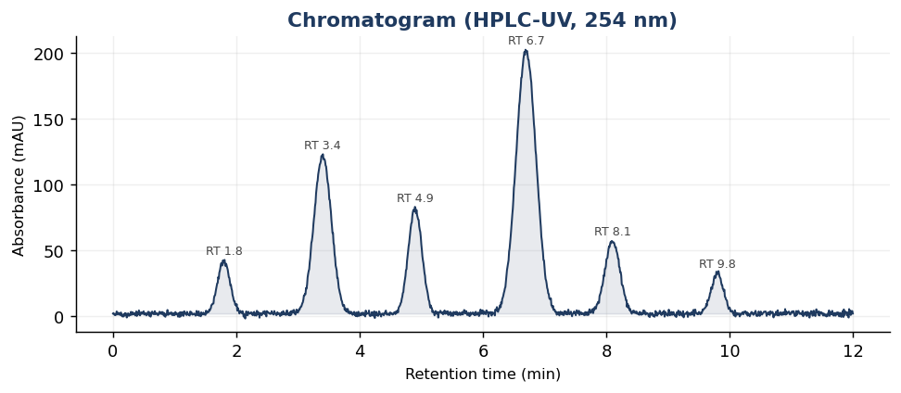

Result vs Upper Reference Limit
Analyte | Result | Ref High
Glucose, Fasting | 114 | 99
BUN | 24 | 20
Creatinine | 1.6 | 1.3
eGFR (CKD-EPI) | 47 | 120
BUN/Creatinine Ratio | 24 | 20
Sodium | 141 | 145
Potassium | 4 | 5.1
Chloride | 96 | 107

