Historical Trend
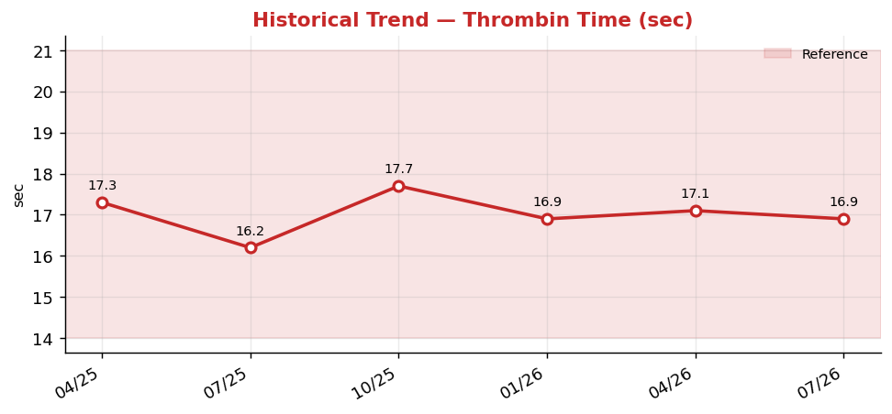
Historical Trend — Thrombin Time

Thrombin Time (sec) — last 6 results
Date | Result | Ref Low | Ref High
2025-04-13 | 17.3 | 14 | 21
2025-07-12 | 16.2 | 14 | 21
2025-10-10 | 17.7 | 14 | 21
2026-01-08 | 16.9 | 14 | 21
2026-04-08 | 17.1 | 14 | 21
2026-07-07 | 16.9 | 14 | 21

Result Visualization
Result Visualization

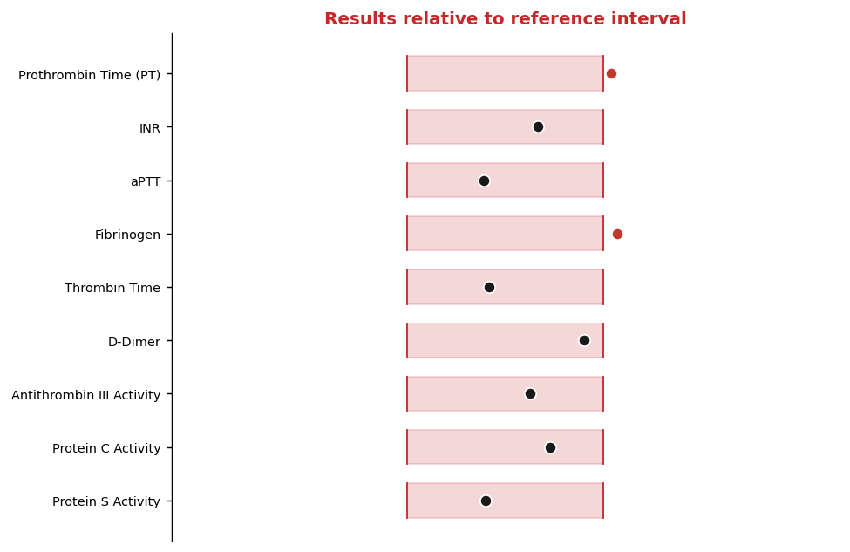

Result vs Upper Reference Limit
Analyte | Result | Ref High
Prothrombin Time (PT) | 13.6 | 13.5
INR | 1 | 1.1
aPTT | 28.9 | 35
Fibrinogen | 414 | 400
Thrombin Time | 16.9 | 21
D-Dimer | 0.45 | 0.5
Antithrombin III Activity | 105 | 120
Protein C Activity | 121 | 140

