Result Report
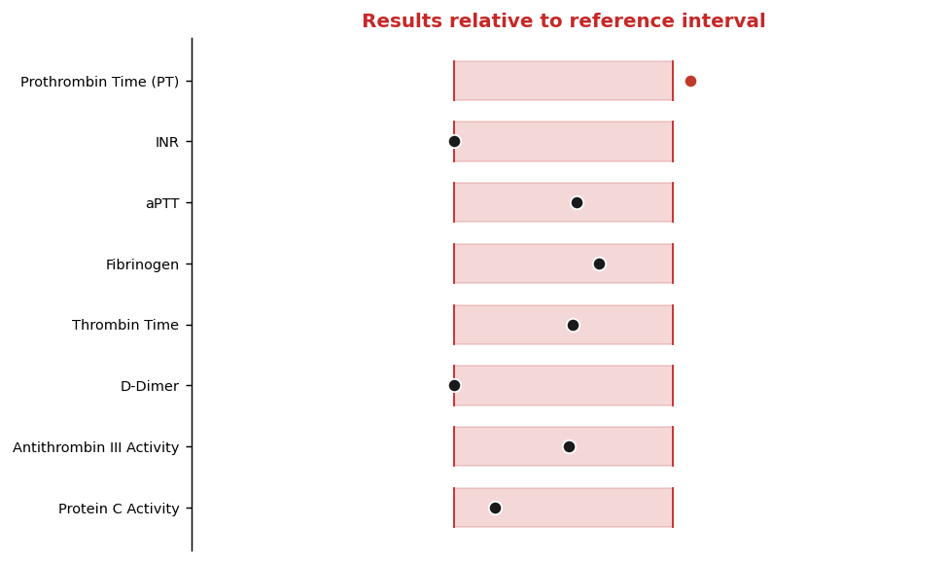
Patient | SMITH, William |  |  | MRN | 6959277
DOB | 1992-08-08 |  |  |  |  | Sex/Age | M/34
Specimen |  | Plasma (Sodium Citrate, Blue Top) |  |  | Accession | QF2630229
Collected | 2026-07-13 |  | Received | 13/07/2026
Reported | 07/14/26 13:44 |  |  |  | Provider |  | Laura B. Osei, MD

Coagulation Panel
Laboratory Results
Test | Result | Units | Flag | Reference Interval | Method | LOINC
Prothrombin Time (PT) | 13.7 | sec | H | 11.0 - 13.5 | Clot detection | 5902-2
INR | 0.8 | ratio |  | 0.8 - 1.1 | Calculated (ISI) | 6301-6
aPTT | 30.6 | sec |  | 25.0 - 35.0 | Clot detection | 3173-2
Fibrinogen | 332 | mg/dL |  | 200 - 400 | Clauss method | 3255-7
Thrombin Time | 17.8 | sec |  | 14.0 - 21.0 | Clot detection | 3243-3
D-Dimer | 0 | ug/mL FEU |  | 0.00 - 0.50 | Immunoturbidimetric | 48065-7
Antithrombin III Activity | 101 | % |  | 80 - 120 | Chromogenic | 27811-9
Protein C Activity | 83 | % |  | 70 - 140 | Chromogenic | 27818-4
Protein S Activity | 115 | % |  | 65 - 140 | Clot-based | 27821-8

