Historical Trend
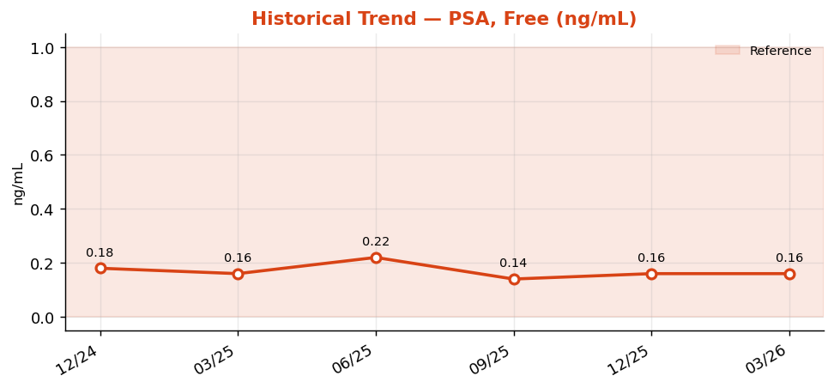
Historical Trend — PSA, Free

PSA, Free (ng/mL) — last 6 results
Date | Result | Ref Low | Ref High
2024-12-29 | 0.18 | 0 | 1
2025-03-29 | 0.16 | 0 | 1
2025-06-27 | 0.22 | 0 | 1
2025-09-25 | 0.14 | 0 | 1
2025-12-24 | 0.16 | 0 | 1
2026-03-24 | 0.16 | 0 | 1

Result Visualization
Result Visualization

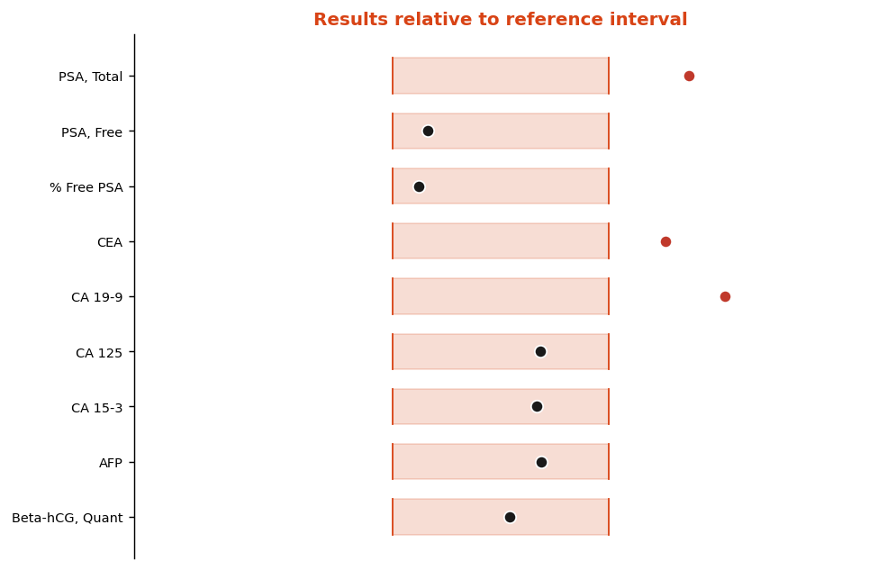

Result vs Upper Reference Limit
Analyte | Result | Ref High
PSA, Total | 5.49 | 4
PSA, Free | 0.16 | 1
% Free PSA | 18 | 40
CEA | 3.8 | 3
CA 19-9 | 57 | 37
CA 125 | 24 | 35
CA 15-3 | 20 | 30
AFP | 6.9 | 10

