Report
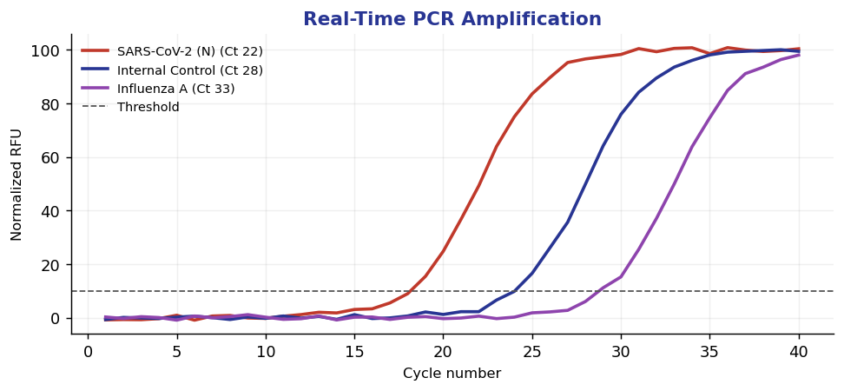
Pateint | MOORE, Steven
MRN | 2702811
DOB | 09/01/1958
Sex/Age | M/68
Speciman | Nasopharyngeal Swab / EDTA Plasma
Accession | TM2641797
Colected | 06/08/2026
Recieved | 06/08/2026
Reproted | 06/11/2026
Provdier | Robert J. Nguyen, DO

Respiratory Pathogen & Viral Load PCR Panel
Analite | Vaule | Unts | Referance Range | Staus
HIV-1 RNA, Qaunt | 7 | copies/mL | 0 - 20 | Final
HCV RNA, Quant | 7 | IU/mL | 0 - 15 | Final
HBV DNA, Quant | 0 | IU/mL | 0 - 10 | Final

Qualitative
SARS-CoV-2 (N/ORF1ab) | Not Detected
Influenza A | Not Detected
Influenza B | Not Detected
RSV A/B | Not Detected
Rhinovirus/Enterovirus | Not Detected
Adenovirus | Not Detected
Mycoplasma pneumoniae | Detected Recommend clinical correlation. Repeat if indicated.

