Historical Trend
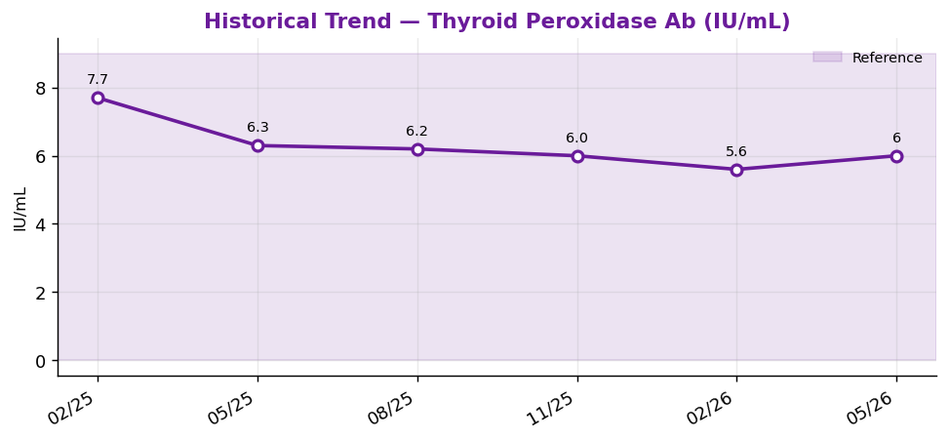
Historical Trend — Thyroid Peroxidase Ab

Thyroid Peroxidase Ab (IU/mL) — last 6 results
Date | Result | Ref Low | Ref High
2025-02-19 | 7.7 | 0 | 9
2025-05-20 | 6.3 | 0 | 9
2025-08-18 | 6.2 | 0 | 9
2025-11-16 | 6 | 0 | 9
2026-02-14 | 5.6 | 0 | 9
2026-05-15 | 6 | 0 | 9

Result Visualization
Result Visualization

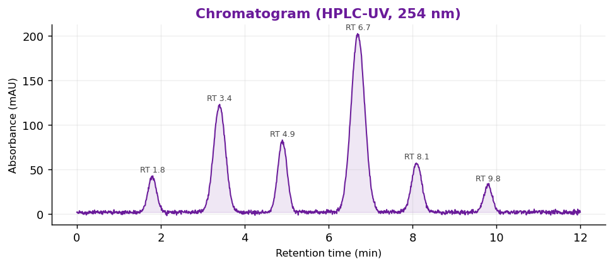

Result vs Upper Reference Limit
Analyte | Result | Ref High
TSH | 1.57 | 4
Free T4 | 0.98 | 1.8
Free T3 | 2.87 | 4.2
Total T4 | 7.7 | 11.7
Total T3 | 157 | 200
Thyroid Peroxidase Ab | 6 | 9
Thyroglobulin Ab | 2 | 4
Cortisol, AM | 27.2 | 19.4

