Historical Trend
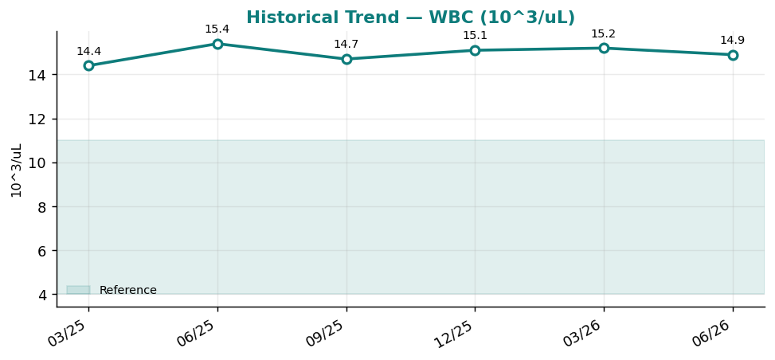
Historical Trend — WBC

WBC (10^3/uL) — last 6 results
Date | Result | Ref Low | Ref High
2025-03-23 | 14.4 | 4 | 11
2025-06-21 | 15.4 | 4 | 11
2025-09-19 | 14.7 | 4 | 11
2025-12-18 | 15.1 | 4 | 11
2026-03-18 | 15.2 | 4 | 11
2026-06-16 | 14.9 | 4 | 11

Result Visualization
Result Visualization

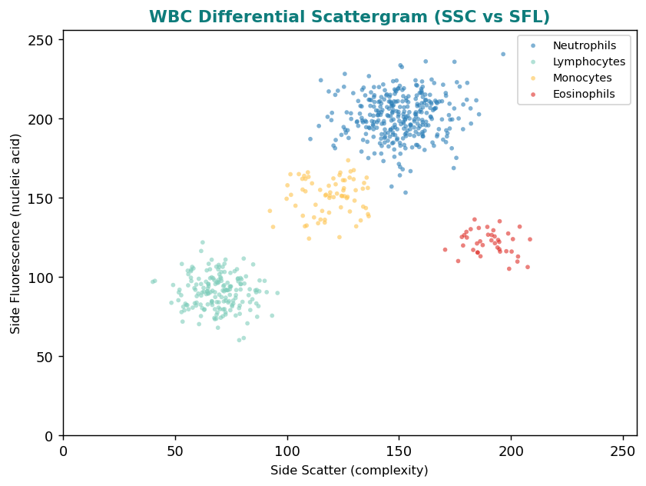

Result vs Upper Reference Limit
Analyte | Result | Ref High
WBC | 14.9 | 11
RBC | 4.9 | 5.9
Hemoglobin | 14.1 | 17.5
Hematocrit | 42.6 | 53
MCV | 88.3 | 100
MCH | 27.1 | 33
MCHC | 33.4 | 36
RDW | 13 | 14.5

