ZB Results
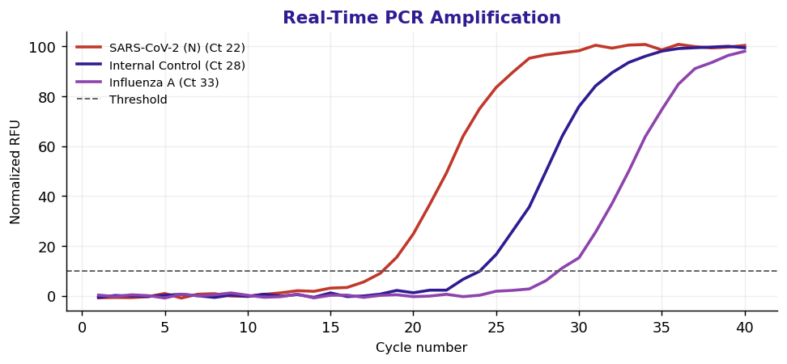
Patient | ANDERSON, James |  |  | MRN | 5158367
DOB | 12/24/1959 |  |  |  |  | Sex/Age | M/67
Specimen |  | Nasopharyngeal Swab / EDTA Plasma |  |  | Accession | ZB2624633
Collected | 06/05/2026 |  | Received | 06/05/2026
Reported | 06/06/2026 |  |  |  | Provider |  | David M. Klein, MD

Respiratory Pathogen & Viral Load PCR Panel
Test | Result | Units | Flag | Reference Interval | Method | LOINC
HIV-1 RNA, Quant | 8 | copies/mL |  | 0 - 20 | RT-PCR (COBAS) | 25836-8
HCV RNA, Quant | 5 | IU/mL |  | 0 - 15 | RT-PCR (COBAS) | 38180-6
HBV DNA, Quant | DNR | IU/mL |  | 0 - 10 | RT-PCR (COBAS) | 29615-2

Qualitative
SARS-CoV-2 (N/ORF1ab) | Detected Recommend clinical correlation. Repeat if indicated.
Influenza A | Not Detected
Influenza B | Not Detected
RSV A/B | Not Detected
Rhinovirus/Enterovirus | Not Detected
Adenovirus | Not Detected
Mycoplasma pneumoniae | Not Detected

