1.2
Defect Report Template

Defect Header

Defect Summary | Registration form is accepting the duplicate username.
Reporter | Divya Sachan
Date Submitted | 18/05/23
Assignee | Developer Name
Environment | Testing compatible(Q.A-1)
Type of Bug | Functional
Status | New
Date Closed
Severity | High
Priority | High

Defect Description
The username is accepting the duplicate username while filling the "Site registraition" section in Reistration form,
Steps To Reproduce | Open given specific browser
 | Navigate the registration form page by entering URL in the chrome
 | You should be able to see the the page with registration form
 | Fill the all fields of personal section and site registration
 | Chose one of the radio box button "sex"
 | Fill the Birthday from "Month", "Date"," Year" picklists
 | FIll the state from the Picklist
 | Fill the Country form the Picklist
 | In the "Username" text field enter a username which is already taken.
 | Fill the remaining details- Password, Retype password, Email address, Retype email address
 | Hit the submit button.

Expected Result | Registration form while filling the "site registraition" section the username is accepting the duplicate username.either it should give an alert after hitting the submit page or it should not accept the already aquired user in the field and validate it dynamically.

Actual Result | The form is getting submitted even thte user is providing the duplicate username.

Screenshots | 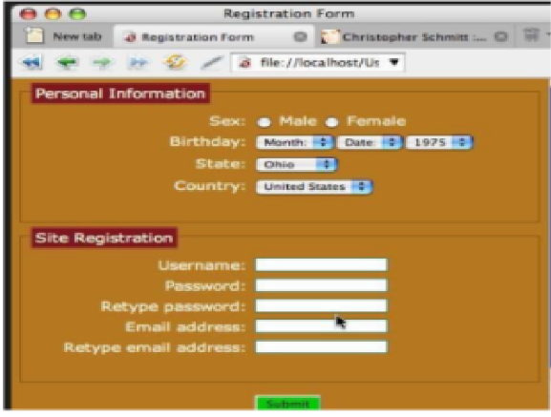

Additional Information

1.3.1
Defect Report Template

Defect Header

Defect Summary | UI issues in google Page
Reporter | Divya Sachan
Date Submitted | 18/05/23
Assignee | Developer Name
Environment | Testing compatible(Q.A-1)
Type of Bug | Cosmetic
Status | New
Date Closed
Severity | Critical
Priority | High

Defect Description
UI issues in google Page
Defect found: D1-“Hopping” spelling needs to be changed to “Shopping” D2-The hyperlinks separator can conform to each other ex- | or ||, should be placed between all the hyperlinks. D3-The button under the search box have button with spelling mistake. “Gooogle Search“ instead “Google Search“. D4-Advanced search and learning tool hyperlinks are not in alignment with the surrounding elements. D5-The button under the search box have buttons with spelling mistakes. “I’m feeling Unlucky“ instead “I’m feeling lucky“. D6-In the second tab in the browser the “Untitled)” is spelled wrong. D7-Close button is not structured properly D8-The placeholder should be helpful by User POV.
Steps To Reproduce | Open given Mozilla Firefox browser
 | Navigate the google website URL in the Mozilla firefox
 | You should be able to see the google home page
 | User should be able to find “Hopping” spelling
 | The hyperlinks separator can be conform to each other ex- | or ||, should be placed between all the hyperlinks
 | The button under the search box have button with spelling mistake “Gooogle Search“
 | Advanced search and learning tool hyperlinks are not in alignment with the surrounding elements.
 | The button under the search box have button with spelling mistake. “I’m feeling Unlucky“ instead “I’m feeling lucky“.
 | In the second tab in the browser the “Untitled)” is spelled wrong.
 | Close button is not structured properly.
 | Placeholder in search box is not helpful as per user POV.

Expected Result | After UI issues are fixed the user will be able to-D1-“ “Shopping” button will be visible. D2-The hyperlinks separator will be placed between all the hyperlinks. D3-The button under the search box will be “Google Search“. D4-Advanced search and learning tool hyperlinks will be in alignment with the surrounding elements. D5-The button under the search box will be “I’m feeling lucky“. D6-In the second tab in the browser the “Untitled” D7-Close button will be structured properly D8-The placeholder will be "Search anything!"

Actual Result

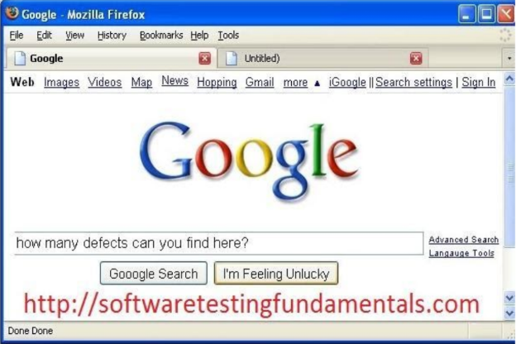
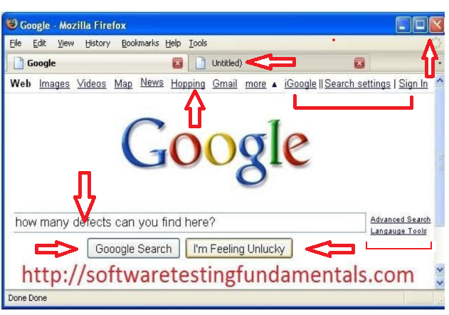
Screenshots

Additional Information

1.3.2
Defect Report Template

Defect Header

Defect Summary | UI issues in google Page
Reporter | Divya Sachan
Date Submitted | 18/05/23
Assignee | Developer Name
Environment | Testing compatible(Q.A-1)
Type of Bug | Cosmetic
Status | New
Date Closed
Severity | Critical
Priority | Medium

Defect Description
UI issues in google Page
Defect found: The tab “News” is in improper alignment with the other tabs The search box have leftist border of label and is made invisible which doesn’t look suitable. There are two down arrows to dragdown vertical bar in the page in the rightist of the Page,please remove. The red colored website's name is very absurd. Please remove it from there. Google logo should be there instead of mozilla logo.
Steps To Reproduce | open given Mozilla Firefox browser
 | Navigate the google website URL in the Mozilla firefox
 | You should be able to see the google home page
 | you should be able to find the above mentioned issues at UI.
 | make UI more user friendly by providing the better fonts, colors and positioning.

Expected Result | After UI issues are fixed the user will be able to- The tab “News” is in improper alignment with the other tabs. The search box have leftist border of label. There are no two down arrows to dragdown vertical bar in the page. The red colored website's name is not visible anymore. Google logo is mozilla visible.

Actual Result

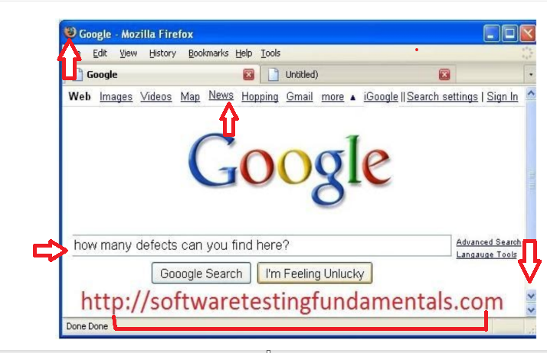
Screenshots

Additional Information

1.3.3
Defect Report Template

Defect Header

Defect Summary | UI issues in google Page
Reporter | Divya Sachan
Date Submitted | 18/05/23
Assignee | Developer Name
Environment | Testing compatible(Q.A-1)
Type of Bug | Cosmetic
Status | New
Date Closed
Severity | Critical
Priority | Low

Defect Description
UI issues in google Page
Defect found: Hyperlinks have capital and small letter correction needs to rectify ex- “settings” instead “Settings”. The button “I’m feeling Unlucky”. The color of the button can be enhanced. “Done Done” is repeated
Steps To Reproduce | Open given Mozilla Firefox browser
 | Navigate the google website URL in the Mozilla firefox
 | You should be able to see the google home page
 | you should be able to find the above mentioned issues at UI.
 | make UI more user friendly by providing the better fonts, colors and positioning.

Expected Result | After UI issues are fixed the user will be able to- The button “I’m feeling Unlucky” color and text is changed. “Done" button is visble . hyperlink named “Settings” looks proper.

Actual Result

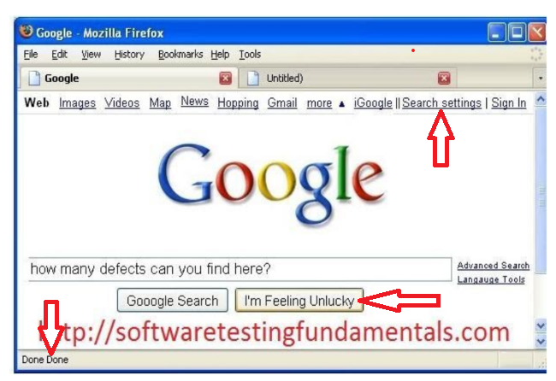
Screenshots

Additional Information

1.5
Defect Report Template

Defect Header

Defect Summary | On switching the browser from chrome to internet explorer the functionality and UI of the browser is not working properly
Reporter | Divya Sachan
Date Submitted | 18/05/23
Assignee | Developer Name
Environment | Testing compatible (Q.A-1)
Type of Bug | Compatibility
Status | New
Date Closed
Severity | High
Priority | High

Defect Description
User switch the browser from Google Chrome to Internet Explorer then ,text , iframes on the pricing page is distorted.The pricing that were offered based on different features that come under a plan The buttons have disappeared.the buttons to buy are not visible.
Steps To Reproduce | Open given Internet Explorer browser .
 | Navigate the registration form page by entering URL in the internet browser.
 | User should be able to see the the prcing page.
 | The text, iframes on the pricing page is distorted.
 | User will find the pricing that were offered based on different features that come under a plan The buttons have disappeared.
 | The buttons to buy are not visible.

Expected Result | User switch the browser from Google Chrome to Internet Explorer then ,text , iframes on the pricing page is Working and looking fine. the pricing that were offered based on different features that come under a plan The buttons is reflecting properly.the buttons to buy are visible and working. the UI should be compatible and user friedly in this browser as it was in chrome. Overall the whole UI and functionality is working fine.

Actual Result | After switching to internet explorer, the system should work properly without getting distorted, all functionali and UI should work as per expectation

Screenshots | 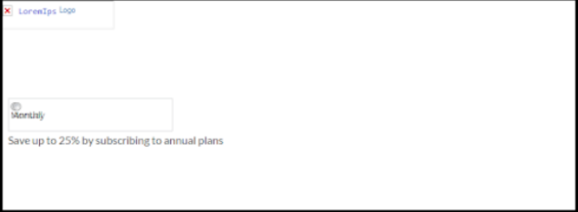

Additional Information

1.6.1
Defect Report Template

Defect Header

Defect Summary | Website’s Home page renders horribly in legacy browsers.
Reporter | Divya Sachan
Date Submitted | 18/05/2023
Assignee | Developer Name
Environment | Testing compatible
Type of Bug | Compatibility
Status | New
Date Closed
Severity | High
Priority | Low

Defect Description
Website’s home page renders horribly in legacy browsers.1) The text is overlapping 2) logo fails to load.3) Hampering the product’s functionality
Steps To Reproduce | Open legacy browsers like Internet Explorer 6, 7, 8, and 9 (versions prior to Internet Explorer 10)
 | Enter the URL of the website to be checked and hit enter.

Expected Result | The website should function and look properly in the legacy browsers. the text should not overlap, logo should load properly, Functionality should work Properly.

Actual Result | The website homepage renders horriblly. The is text is overlapping The Logo Fails to load in the website Basic functionality is hampered after switching browsers.

Screenshots | 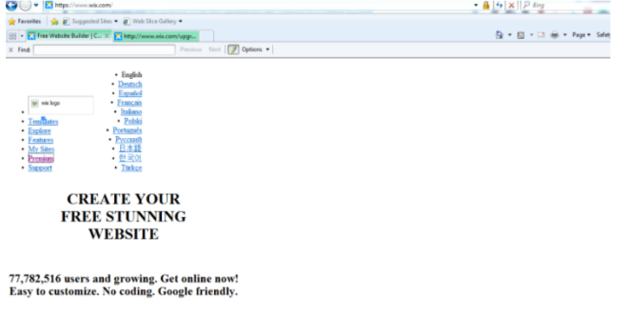

Additional Information

