EX6
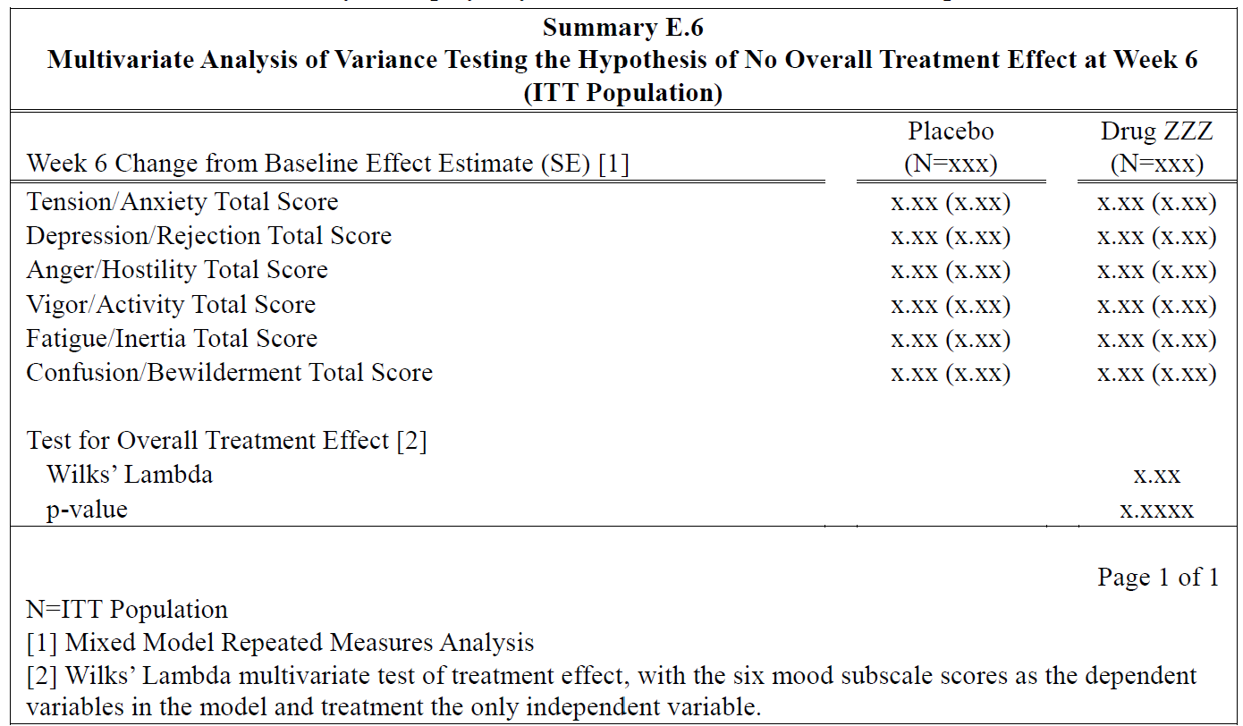
Example 6: Multivariate Analysis of Variance

See Page 34 Section 2.6 for details of the analysis of Profile of Mood States (POMS).
Here we aim to model the analysis dataset ADMOOD and the analysis results for Multivariate Analysis of Variance Testing the Hypothesis of No Overall Treatment Effect at Week 6

 | DIM | DIM | DIM | DIM | DIM | DIM | ATTR | MEAS | MEAS | MEAS

SDMX Schema
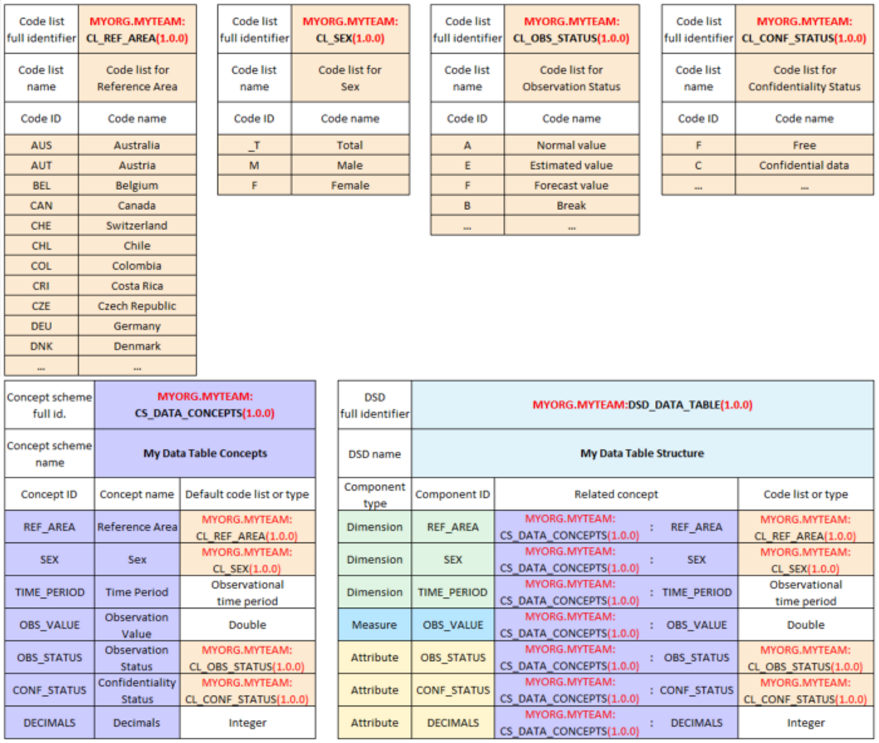
SDMX Schema used in this workbook

The SDMX schema used in this workbook is a simplified SDMX schema which is based on the free online SDMX tutorial [1] which uses a 1-page simplified tabular representation of SDMX, which has been spit into the following sheets:
Codelists -
Concepts -
DSD - the Data Structure Definition which links back to the Concepts and Codelists defined in the other sheets

References
[1]
SDMX vocabulary for beginners → Identification of SDMX artefacts - .Stat Academy

Simplified Schema

The following example is taken from the Stats Academy tutorial (using Economic data)

