Sheet1
 | Without | B-tree | Hash
Find user by name (exact match) | 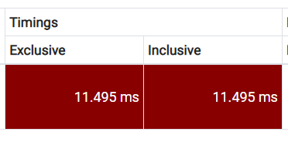 | 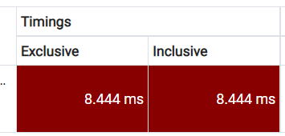 | 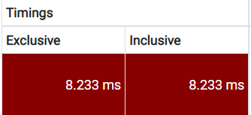 | select * from student s where s."name" = 'Vasyl'
Find user by surname (partial match) | 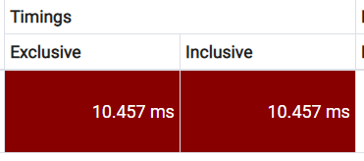 | 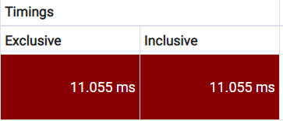 | 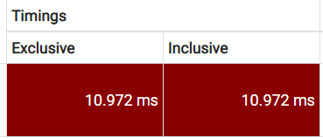 | select * from student s where s."surname" like'%ko%'
Find user by phone number (partial match) | 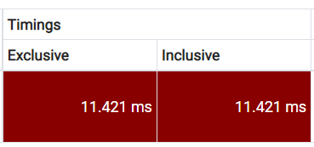 | 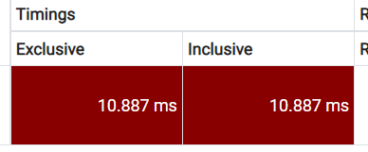 | 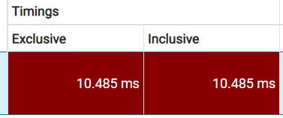 | select * from student s where s.phone_numbers like '%874%'
Find user with marks by user surname (partial match) |  |  |  | select distinct * from student s join exam_result r on r.student_id = s.id where s.surname = 'Chalyi'

Hash index is good for indexing text fields (character etc.) not for numeric
B-tree index is good for indexing numeric fields (bigint etc.) but is volume heavy
Gin index is good for complex field and bat for primitive; is fast for searching but slower to rapidly updatable fields
Gist index also good for complex/composite fields but is slover for searching but acts faster when updatable fields

