START
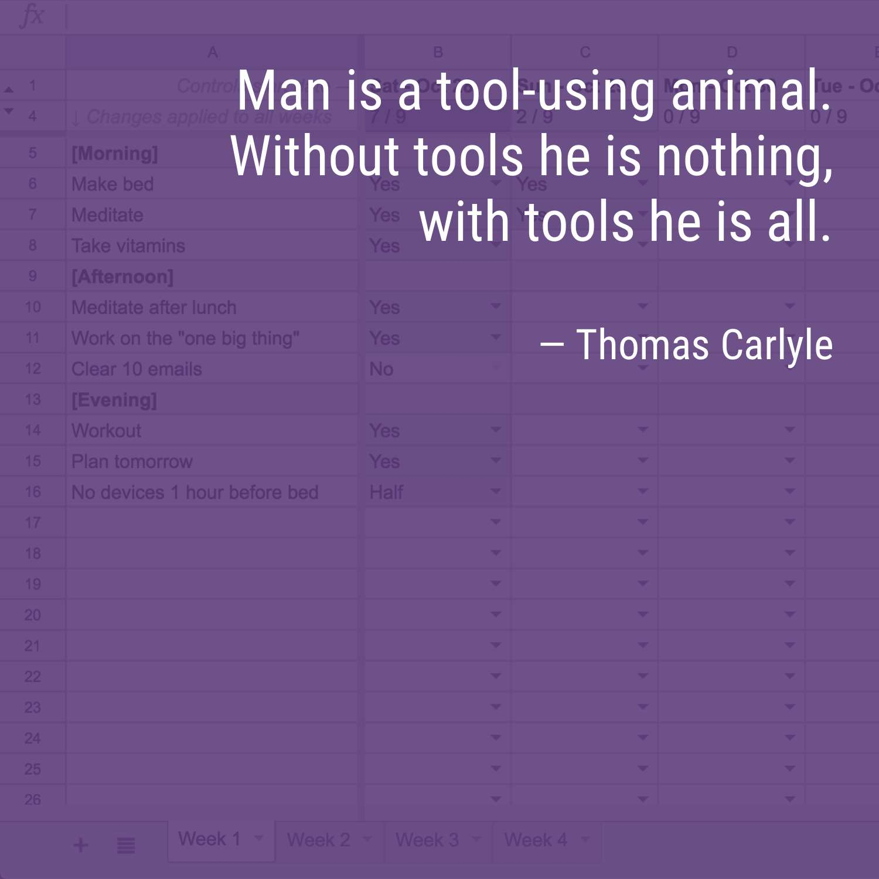
1. Use the following link to copy this spreadsheet into your own Google Drive:
https://ultra.work/lights-generator

2. Set your start date below:
2022-01-02

3. Edit your daily targets in the first column of the "Week 1" sheet.
Note, "Week 1" targets are automatically copied to later weeks. Rows starting with a bracket "[" are headers and will not count towards your totals.

4. Bookmark your sheet. Set a calendar reminder.
Come up with a plan to ensure that you check your Lights at least twice per day.

5. Love it? Tell a friend about Lights.
https://www.ultraworking.com/lights

Questions? Comments? Feedback?
lights@ultraworking.com

Brought to you by your friends at Ultraworking. To receive news of our latest tools and trainings, join The Pursuit:
https://www.ultraworking.com/pursuit

