3. Vertical Plane or Cylinder
 | Natural Convection Heat Transfer Coefficient Correlations
 | Natural Convection from an Isothermal Vertical Plane or Cylinder - (S.I. units)

 | (Enter Values in yellow cells only) |  |  |  | Discussion and References

 |  |  |  |  | The definitions of the dimensionless numbers and the correlation used for Nusselt number are shown
PRELIM. CALCULATIONS |  | Enter the indicated input data: |  |  | below. For more discussion of natural convection and correlations for Nusselt No., see:

 |  | Height of Surface, L = | 0.50 | m | Perry's Chemical Engineer's Handbook, 9th Ed. - Sect 5.3.2 Natural Convection

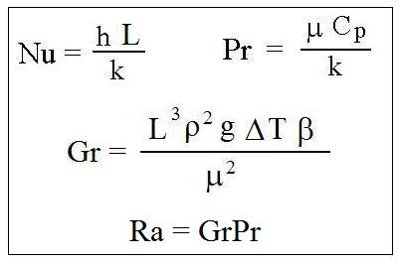
 |  | Preliminary Calculations:

 |  | Temperature Diff, DT = | 40 | oC

 |  | Prandtl Number, Pr = | 0.710

 |  | Grashof Number, Gr = | 407215608.8548552

 |  | Rayleigh Number, Ra = | 2.892E+08

 |  | NOTE: Go to the Fluid Properties worksheet to change fluid
 |  | temperature, surface temperature, or fluid pressure values

H.T. COEFF.
 |  | Heat Transfer Coefficient Calculation

 |  | Nusselt Number, Nu = | 84.0

 |  | Convective H.T. Coeff., h = | 4.77 | W/m2-K

 |  | Copyright © McGraw-Hill Global Education Holdings, LLC. All rights reserved.

5. Horiz Cylinder
 | Natural Convection Heat Transfer Coefficient Correlations
 | Natural Convection from an Isothermal Horizontal Cylinder - (S.I. units)

 | (Enter Values in yellow cells only)

PRELIM. CALCULATIONS |  |  |  |  | Discussion and References
 |  | Enter the indicated input data:
 |  |  |  |  | The definitions of the dimensionless numbers and the correlation used for Nusselt number are shown
 |  | Cylinder Diameter, D = | 0.70 | m | below. For more discussion of natural convection and correlations for Nusselt No., see:

 |  | Preliminary Calculations: |  |  | Perry's Chemical Engineer's Handbook, 9th Ed. - Sect 5.3.2 Natural Convection

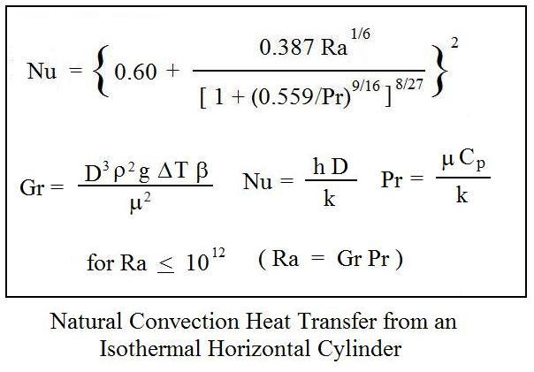
 |  | Temperature Diff, DT = | 40 | oC

 |  | Prandtl Number, Pr = | 0.710

 |  | Grashof Number, Gr = | 1117399630.6977224

 |  | Rayleigh Number, Ra = | 7.935E+08

 |  | NOTE: Go to the Fluid Properties worksheet to change fluid
 |  | temperature, surface temperature, or fluid pressure values

H.T. COEFF.

 |  | Heat Transfer Coefficient Calculation

 |  | Nusselt Number, Nu = | 107.7

 |  | Convective H.T. Coeff., h = | 4.36 | W/m2-K

 |  | Copyright © McGraw-Hill Global Education Holdings, LLC. All rights reserved.

 |  | Churchill Equation
 |  | Initial estimate of f | #REF!

 |  | Colebrook Equation
 |  | 1st iteration with Colbrook; | #REF!
 |  | 2nd iteration with Colbrook; | #REF!
 |  | 3rd iteration with Colbrook; | #REF!
 |  | 4th iteration with Colbrook; | #REF!
 |  | 5th iteration with Colbrook; | #REF!
 |  | 6th iteration with Colbrook; | #REF!
 |  | 7th iteration with Colbrook; | #REF!
 |  | 8th iteration with Colbrook; | #REF!
 |  | 9th iteration with Colbrook; | #REF!
 |  | 10th iteration with Colbrook; | #REF!
 |  | 11th iteration with Colbrook; | #REF!
 |  | 12th iteration with Colbrook; | #REF!

