6. Tubeside HT Coeff
 |  |  |  |  |  | Inlet and Outlet Temperatures |  |  |  | (Check to be sure that one liquid is being
 | Calculation of Tubeside Convection Coefficient - S.I. Units |  |  |  |  |  |  |  |  |  | heated and the other is being cooled.)
 |  |  |  |  |  |  |  | Annulus Temp. Out
 |  |  |  |  |  |  |  | 42.0 | oC

 | The fluid density, viscosity, specific heat, and thermal conductivity used in
 | this worksheet are for the fluid selected in the "Tubeside Liquid Properties" |  |  |  |  | Tubeside Temp. in |  |  |  |  |  |  | Tubeside Temp. Out
 | worksheet at the bulk mean fluid temperature shown below. |  |  |  |  | 66 | oC |  |  |  |  |  | 46.0 | oC

 |  | (Enter Values in yellow cells only)

PRELIMINARY CALCULATIONS |  | Enter the indicated input data: |  |  |  |  |  |  |  |  | 16 | oC
 |  |  |  |  |  |  |  |  |  |  | Annulus Temp. In
 |  | Inlet Bulk Liquid Temp., Ttbin = | 66.0 | oC
 |  |  |  |  |  | The tubeside liquid is being |  |  | cooled. |  |  | If necessary, change tubeside liquid temperatures
 |  | Exit Bulk Liquid Temp., Ttbout = | 46.0 | oC |  | The annulus liquid is being |  |  | heated. |  |  | on this worksheet, or change annulus liquid
 |  |  |  |  |  |  |  |  |  |  |  | temperatures on worksheet 7. Annulus side HT Coeff.
 |  | Tube Diameter (ID), D = | 35.05 | mm

 | cooling | Liquid Flow Rate, Qtube = | 1.000E-03 | m3/s
 |  |  |  |  |  |  |  | Discussion and References
 | cooling | Tube Surface Temperature*, Tst = | 49.0 | oC
 |  | (initial assumed value to start the calculation) |  |  |  |  |  | The definitions of the dimensionless numbers and the correlation used for Nusselt number are shown
 |  | *NOTE: Enter an estimated tube surface temperature, based on the tubeside and annulus liquid |  |  |  |  |  | below. For more discussion of forced convection and correlations for Nusselt No., see:
 |  | temperatures. You will be reminded in the Heat Exchanger Configuration worksheet to adjust
 |  | this value if the tube surface temperature calculated in that worksheet is significantly different. |  |  |  |  |  | Perry's Chemical Engineer's Handbook, 9th Ed. - Sect 5.3.3 Forced Convection

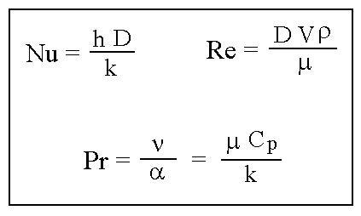
 |  | Preliminary Calculations: |  |  | If you get a #DIV/0!
 |  |  |  |  | message for Re and
 |  | Bulk Mean Liquid Temp, Tbm1 = | 56 | oC | Pr, check to be sure
 |  |  |  |  | you've selected a liquid
 |  | Ave. Liquid Velocity, V = | 1.04 | m/s | or entered liquid
 |  |  |  |  | property values in the
 |  | Reynolds Number, Re = | 1.00E+05 |  | "Tubeside Liquid Properties"
 |  |  |  |  | worksheet
 |  | Prandtl Number, Pr = | 4.78

 |  |  |  |  |  |  |  | Forced Convection Correlation used in this worksheet:
 |  | The flow is turbulent.
 |  |  |  |  |  |  |  | The Gnielinski correlation - for 0.5 < Pr < 105; 2300 < Re < 106; L/D > 10
 |  | Use the Gnielinski Correlation.
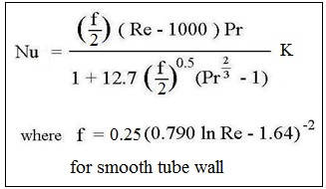
HEAT TRANSFER COEFF. |  | The Gnielinski correlation - for 0.5 < Pr < 105; L/D > 10; |  |  |  |  |  |  |  |  |  |  | For liquids: K = (Prb/Prs)0.11
 |  | and 2300 < Re < 106 |  |  |  |  |  |  |  |  |  |  | with 0.05 < Prb/Prs < 20

 |  | Pr at surf. Temp., Prs = | 4.97

 |  | Variable Property Factor, K = | 0.996

 |  | Fanning Friction Factor, f (for smooth pipe wall) = |  | 0.00450
 |  |  |  |  |  |  |  | Reference: | Perry's Chemical Engineer's Handbook, 9th Ed. - Sect 5.3.3 - Equation (5-55)
 |  | Fanning Friction Factor, f (for rough pipe wall) = |  |  |  |  |  |  | [Gnielinski, Int. Chem Eng., 16, 359 (1976)]
 |  | (From a Moody Diagram - Leave Blank if pipe wall is smooth)
 |  |  |  |  |  |  |  | For an Example Calculation, see:
 |  | Fanning Friction Factor, f , for calculation = |  | 0.00450 |  |  |  |  | Handbook of Chemical Engineering Calculations, 4th Ed, Problem 7.14

 |  | Nusselt Number, Nu = | 503.3 |  |  |  |  | For tables with standard pipe size information, see:

 |  | Heat Transfer Coefficient, h = | 1907 | W/m2-K |  |  |  | Piping Handbook, Seventh Ed., Table E2.1M

 |  | Copyright © McGraw-Hill Global Education Holdings, LLC. All rights reserved.

