1 Ternary
Ternary Plot Instructions
Enter data in columns A-E (Yellow)
Gray and green shaded cells are shaded in gray or green |  |  |  |  |  |  |  |  | CORNER LABELS |  |  |  | REFERENCE LINES
Enter corner labels in table to the right |  |  |  |  |  |  |  |  | C | 0 | 0 |  | Triangle | 0 | 0
Enter Corner
Labels Here
 |  |  |  |  |  |  |  |  | A | 50 | 100 |  | Triangle | 50 | 100
 |  |  |  |  |  |  |  |  | S | 100 | 0 |  | Triangle | 100 | 0
 |  |  |  |  |  |  |  |  |  |  |  |  | Triangle | 0 | 0
 |  |  |  |  |  |  |  |  |  |  |  |  | 1 | 20 | 0
 |  |  |  |  | CALCULATED |  |  |  |  |  |  |  | 1 | 60 | 80
ENTER DATA HERE |  |  |  |  |  | Raw Data |  |  |  | Transformed Data |  |  | 2 | 40 | 0
Zone | Sample ID | Raw Data |  |  |  | Normalized to 100 |  |  |  | X | Y |  | 2 | 70 | 60
 |  | A | C | S | SUM | A | C | D | SUM | =RIGHT+(TOP/2) | =TOP |  | 3 | 60 | 0
Upper | A | 0.1 | 0.89 | 0.01 | 1.00 | 10.0 | 89.0 | 1.0 | 100.00 | 6.00 | 10.00 |  | 3 | 80 | 40
Upper | B | 0.2 | 0.785 | 0.015 | 1.00 | 20.0 | 78.5 | 1.5 | 100.00 | 11.50 | 20.00 |  | 4 | 80 | 0
Upper | C | 0.3 | 0.68 | 0.02 | 1.00 | 30.0 | 68.0 | 2.0 | 100.00 | 17.00 | 30.00 |  | 4 | 90 | 20
Upper | D | 0.4 | 0.57 | 0.03 | 1.00 | 40.0 | 57.0 | 3.0 | 100.00 | 23.00 | 40.00 |  | 5 | 20 | 0
Lower | E | 0.5 | 0.46 | 0.04 | 1.00 | 50.0 | 46.0 | 4.0 | 100.00 | 29.00 | 50.00 |  | 5 | 10 | 20
Lower | F | 0.6 | 0.27 | 0.13 | 1.00 | 60.0 | 27.0 | 13.0 | 100.00 | 43.00 | 60.00 |  | 6 | 40 | 0
Lower | G | 0.55 | 0.1 | 0.35 | 1.00 | 55.0 | 10.0 | 35.0 | 100.00 | 62.50 | 55.00 |  | 6 | 20 | 40
Lower | H | 0.5 | 0.07 | 0.43 | 1.00 | 50.0 | 7.0 | 43.0 | 100.00 | 68.00 | 50.00 | Note: X-Y axes are scaled from -10 to 110 | 7 | 60 | 0
Lower | G | 0.4 | 0.03 | 0.57 | 1.00 | 40.0 | 3.0 | 57.0 | 100.00 | 77.00 | 40.00 |  | 7 | 30 | 60
Lower | H | 0.3 | 0.02 | 0.68 | 1.00 | 30.0 | 2.0 | 68.0 | 100.00 | 83.00 | 30.00 |  | 8 | 80 | 0
Lower | G | 0.2 | 0.01 | 0.79 | 1.00 | 20.0 | 1.0 | 79.0 | 100.00 | 89.00 | 20.00 |  | 8 | 40 | 80
Lower | H | 0.1 | 0.005 | 0.895 | 1.00 | 10.0 | 0.5 | 89.5 | 100.00 | 94.50 | 10.00 |  | 9 | 10 | 20
 |  | 0.1 | 0.9 | 0 | 1.00 | 10.0 | 90.0 | 0.0 | 100.00 | 5.00 | 10.00 |  | 9 | 90 | 20
 |  | 0 | 0 | 1 | 1.00 | 0.0 | 0.0 | 100.0 | 100.00 | 100.00 | 0.00 |  | 10 | 20 | 40
 |  | 0.44 | 0.528 | 0.032 | 1.00 | 44.0 | 52.8 | 3.2 | 100.00 | 25.20 | 44.00 |  | 10 | 80 | 40
 |  | 0.56 | 0.11 | 0.34 | 1.01 | 55.4 | 10.9 | 33.7 | 100.00 | 61.39 | 55.45 |  | 11 | 30 | 60
 |  | 0.29 | 0.69 | 0.02 | 1.00 | 29.0 | 69.0 | 2.0 | 100.00 | 16.50 | 29.00 |  | 11 | 70 | 60
 |  | 0.4 | 0.03 | 0.57 | 1.00 | 40.0 | 3.0 | 57.0 | 100.00 | 77.00 | 40.00 |  | 12 | 40 | 80
 |  | 0.12 | 0.889 | 0.01 | 1.02 | 11.8 | 87.2 | 1.0 | 100.00 | 6.87 | 11.78 |  | 12 | 60 | 80
 |  | 0.18 | 0.012 | 0.808 | 1.00 | 18.0 | 1.2 | 80.8 | 100.00 | 89.80 | 18.00
 |  | 0.35 | 0.625 | 0.025 | 1.00 | 35.0 | 62.5 | 2.5 | 100.00 | 20.00 | 35.00
 |  | 0.44 | 0.22 | 0.34 | 1.00 | 44.0 | 22.0 | 34.0 | 100.00 | 56.00 | 44.00
 |  | 0.29 | 0.14 | 0.57 | 1.00 | 29.0 | 14.0 | 57.0 | 100.00 | 71.50 | 29.00
 |  | 0.12 | 0.07 | 0.808 | 1.00 | 12.0 | 7.0 | 81.0 | 100.00 | 86.97 | 12.02
 |  | 0.35 | 0.625 | 0.025 | 1.00 | 35.0 | 62.5 | 2.5 | 100.00 | 20.00 | 35.00
 |  | 0 | 0 | 1 | 1.00 | 0.0 | 0.0 | 100.0 | 100.00 | 100.00 | 0.00
 |  | 0.2545 | 0.4728 | 0.2727 | 1.00 | 25.5 | 47.3 | 27.3 | 100.00 | 40.00 | 25.45

2 Folk QFL
Ternary Plot Instructions - Folks 1974 classification of siliciclastic sandstone
Enter data in columns A-E (Yellow) |  |  |  |  |  |  |  |  |  |  |  |  | Reference Lines
Gray and green shaded cells are shaded in gray or green |  |  |  |  |  |  |  |  |  |  |  |  | X | Y | Series
Enter corner labels in table to the right |  |  |  |  |  |  |  | CORNER LABELS |  |  |  |  | 0.00 | 0.00 | Triangle
Enter Corner
Labels Here
 |  |  |  |  |  |  |  | F | 0 | 0 |  |  | 50.00 | 100.00 | Triangle
 |  |  |  |  |  |  |  | Q | 50 | 100 |  |  | 100.00 | 0.00 | Triangle
 |  |  |  |  |  |  |  | R | 100 | 0 |  |  | 0.00 | 0.00 | Triangle
 |  |  |  |  |  |  |  |  |  |  |  |  | 0.00 | 0.00 | 6
 |  |  |  |  | CALCULATED |  |  |  |  |  |  |  | 47.50 | 95.00 | 6
ENTER DATA HERE |  |  |  |  |  | Raw Data |  |  |  | Transformed Data |  |  | 52.50 | 95.00 | 5
Zone | Sample ID | Raw Data |  |  |  | Normalized to 100 |  |  |  | X | Y |  | 62.50 | 75.00 | 5
 |  | Q | F | R | SUM | TOP | LEFT | RIGHT | SUM | =RIGHT+(TOP/2) | =TOP |  | 37.50 | 75.00 | 5
Upper | A | 85.0 | 10.0 | 5.0 | 100.00 | 85.0 | 10.0 | 5.0 | 100.00 | 47.50 | 85.00 |  | 43.75 | 75.00 | 4
Upper | B | 65.0 | 25.0 | 10.0 | 100.00 | 65.0 | 25.0 | 10.0 | 100.00 | 42.50 | 65.00 |  | 25.00 | 0.00 | 3
Upper | C | 25.0 | 25.0 | 50.0 | 100.00 | 25.0 | 25.0 | 50.0 | 100.00 | 62.50 | 25.00 |  | 50.00 | 0.00 | 3
Upper | D | 50.0 | 30.0 | 20.0 | 100.00 | 50.0 | 30.0 | 20.0 | 100.00 | 45.00 | 50.00 |  | 50.00 | 95.00 | 2
Lower | E | 10.0 | 10.0 | 78.0 | 98.00 | 10.2 | 10.2 | 79.6 | 100.00 | 84.69 | 10.20 | Note: X-Y axes are scaled from -10 to 110 | 50.00 | 75.00 | 2
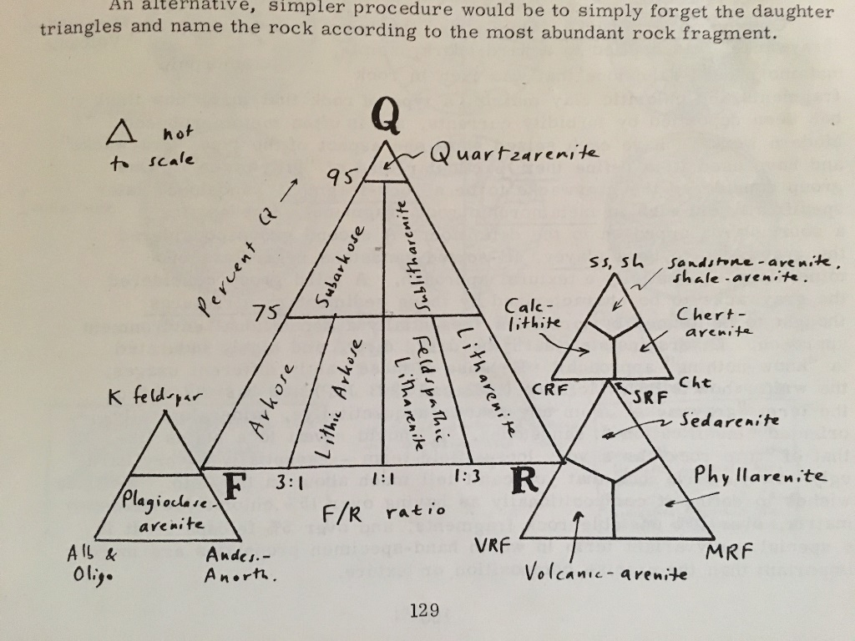
Lower | F | 14.0 | 15.0 | 65.0 | 94.00 | 14.9 | 16.0 | 69.1 | 100.00 | 76.60 | 14.89 |  | 56.25 | 75.00 | 1
Lower | G | 18.0 | 18.0 | 60.0 | 96.00 | 18.8 | 18.8 | 62.5 | 100.00 | 71.88 | 18.75 |  | 75.00 | 0.00 | 1
Lower | H | 8.0 | 8.0 | 90.0 | 106.00 | 7.5 | 7.5 | 84.9 | 100.00 | 88.68 | 7.55

 |  |  |  |  |  |  |  |  |  |  |  | Folk, R.L, 1974, Petrology of sedimentary rocks, The University of Texas, Geology 370K, 383L, 383M
 |  |  |  |  |  |  |  |  |  |  |  | Hemphill Publishing Co, Austin, Texas 78712, 182p

3 Tri-Plot
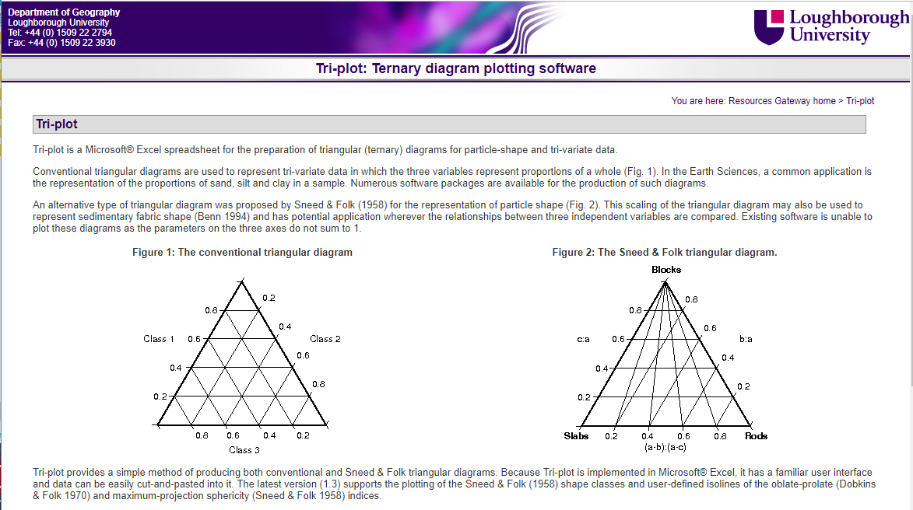
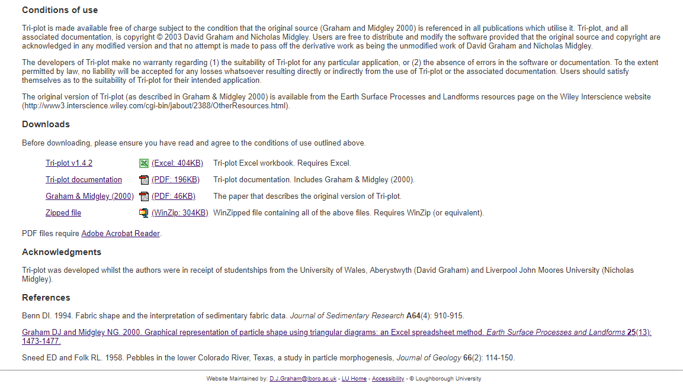
https://www.lboro.ac.uk/microsites/research/phys-geog/tri-plot/index.html

