neutral
Free energy of solvation vs log(number of units)
Free energy of solvation vs number of units
units | Uncharged
20 | -7837.97
25 | -12713.55
30 | -14990.15
35 | -17961.86
40 | -21427.39
45 | -20758.41
50 | -25150.20

units | (delta G)
1.3010299957 | -7837.97
1.3979400087 | -12713.55
1.4771212547 | -14990.15
1.5440680444 | -17961.86
1.6020599913 | -21427.39
1.6532125138 | -20758.41
1.6989700043 | -25150.20

charged
Free energy of solvation vs number of units
Free energy of solvation vs number of units
units | Charged
20 | -61377.37
25 | -71810.06
30 | -100054.15
35 | -104250.6
40 | -112519.08
45 | -127771.11
50 | -141572

units | Charged
1.3010299957 | -61377.37
1.3979400087 | -71810.06
1.4771212547 | -100054.15
1.5440680444 | -104250.6
1.6020599913 | -112519.08
1.6532125138 | -127771.11
1.6989700043 | -141572

difference
Free energy of solvation vs log(number of units)
Free energy of solvation vs number of units
units | Charged
20 | -53539.4
25 | -59096.51
30 | -85064
35 | -86288.74
40 | -91091.69
45 | -107012.7
50 | -116421.8

units | Charged
1.3010299957 | -53539.4
1.3979400087 | -59096.51
1.4771212547 | -85064
1.5440680444 | -86288.74
1.6020599913 | -91091.69
1.6532125138 | -107012.7
1.6989700043 | -116421.8

comparison-1
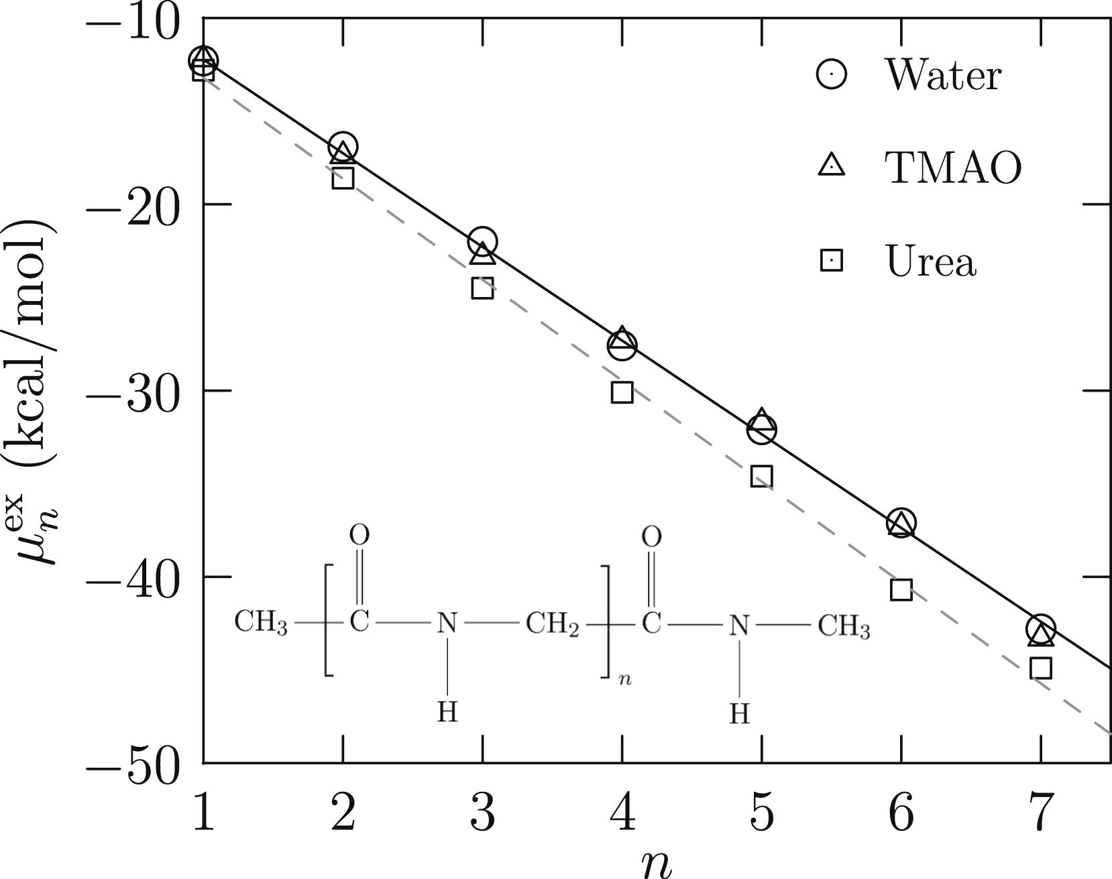

Unit | delta G / unit (kJ/mol) | Details
 |  | PAA unit molecular weight | 72 g/mol
PAA - uncharged | -487.61355952 | Glycine molecular weight | 75 g/mol
PAA - charged | -2962.6818293
Glycine | -26.897142857

paper: Solvation Free Energy of the Peptide Group: Its Model Dependence and Implications for the Additive-Transfer Free-Energy Model of Protein Stability

comparison-2
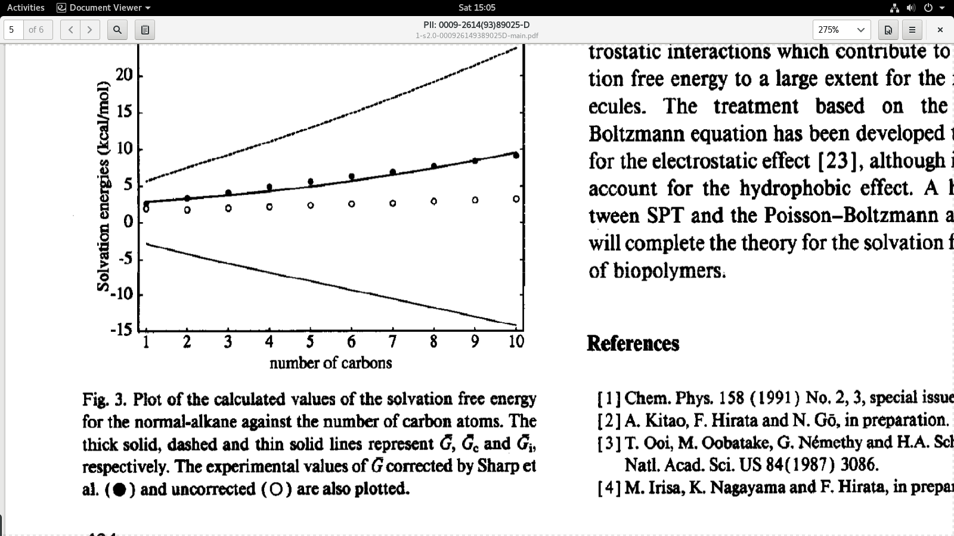
Unit | delta G / unit (kJ/mol) | Details
 |  | PAA unit molecular weight | 72 g/mol
PAA - uncharged | -487.61355952 | Alkane unit molecular weight CH2 | 14 g/mol
PAA - charged | -2962.6818293
CH2 unit | -2.092

https://www.sciencedirect.com/science/article/pii/000926149389025D?via%3Dihub

comparison-3
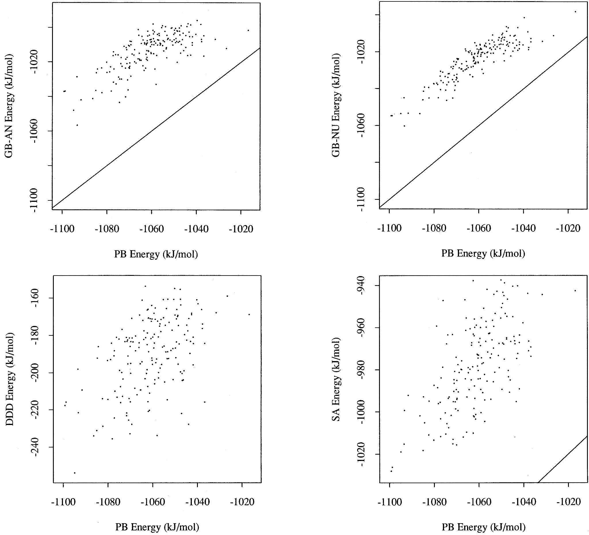

Unit | delta G / unit (kJ/mol) | Details
 |  | PAA unit molecular weight | 72 g/mol
PAA - uncharged | -487.61355952 | Peptide molecular weight | 1045 | g/mol
PAA - charged | -2962.6818293 | average per unit weight | 116.11111111
nonapeptide (avg/unit) | -117.77777778

https://pubs.acs.org/doi/10.1021/jp962156k
(did not show linear relationship with increase in units but used PB to calculate solvation energies)
Solvation Free Energies of Peptides: Comparison of Approximate Continuum Solvation Models with Accurate Solution of the Poisson−Boltzmann Equation
J. Phys. Chem. B 1997, 101, 7, 1190–1197, https://doi.org/10.1021/jp962156k

comparison-4
Free energy of solvation vs number of units
 |  |  |  | 1 | 1.93
Unit | delta G / unit (kJ/mol) | Details |  | 2 | 1.77
 |  | PAA unit molecular weight | 72 g/mol | 3 | 1.98
PAA - uncharged | -487.61355952 | Alkane unit molecular weight CH2 | 14 g/mol | 4 | 2.15
PAA - charged | -2962.6818293 |  |  | 5 | 2.34
CH2 unit (for 10 units) | -1.35 |  |  | 6 | 2.55
 |  |  |  | 7 | 2.63
 |  |  |  | 8 | 2.89
 |  |  |  | 9 | 3.04
 |  |  |  | 10 | 3.22

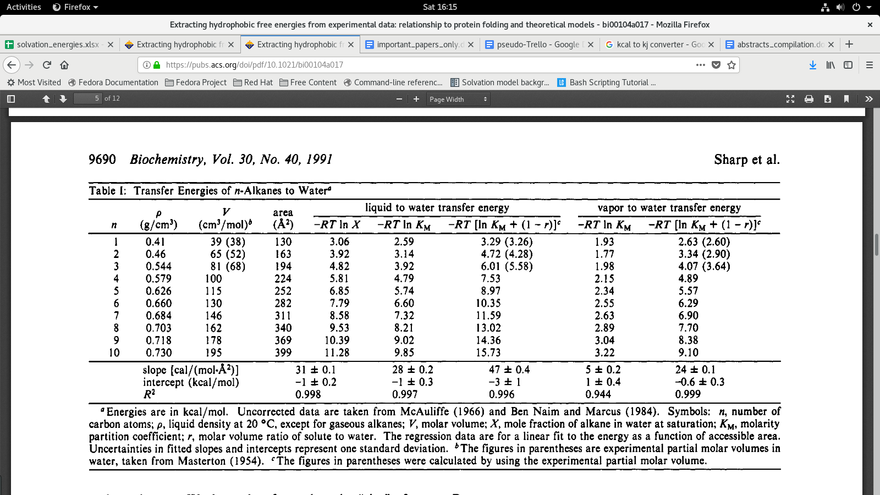
 | https://pubs.acs.org/doi/abs/10.1021/bi00104a017

