page 5
Figures and Tables
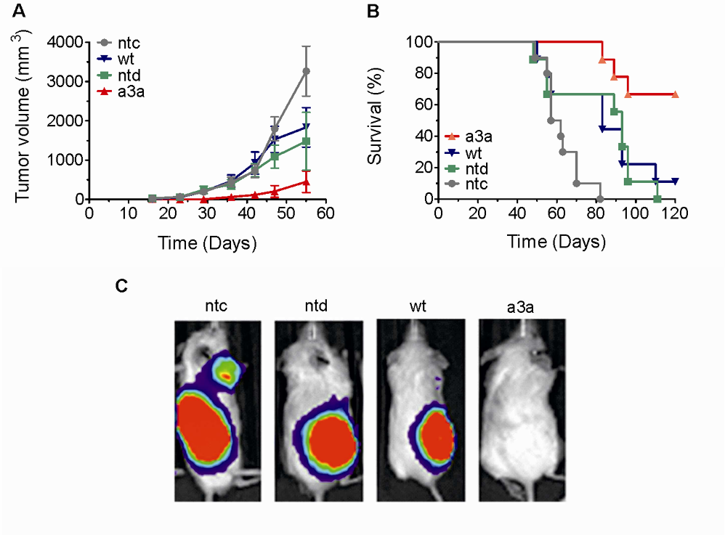
Fig. S1. Efficacy of a3a-engineered T cells in a mouse model of ovarian cancer. In each case ntc indicates no T cells, ntd indicates non-transduced cells and wt indicates T cells transduced with the non-modified TCR. (A) Average tumor volume measurements for each cohort, +/- SD (B) Kaplan- Meyer survival plots. Mice treated with T cells engineered to express the a3a receptor demonstrated a statistically significant survival rate compared to the non-transduced cells (p = 0.005 (Log-rank test, n = 18)). Injection of non-modified T cells resulted in a delay in tumor growth and a non-statistically significant (p=0.02 (Log-rank test, n = 19)) increase in median survival to 93 days compared to no T cell injection, presumably reflecting the consequence of alloreactivity of the infused T cells against the OV79 cells. While the impact of injecting T cells expressing the wild type MAGE A3 receptor was indistinguishable from that of the non-modified T cells, a3a-engineered T cells resulted in a reduction in tumor growth and survival benefit, with greater than 50% of the animals alive for this cohort at the end of the 120 day period. (C) Representative bioluminescence imaging data from the day 62 time-point.
3

page 6
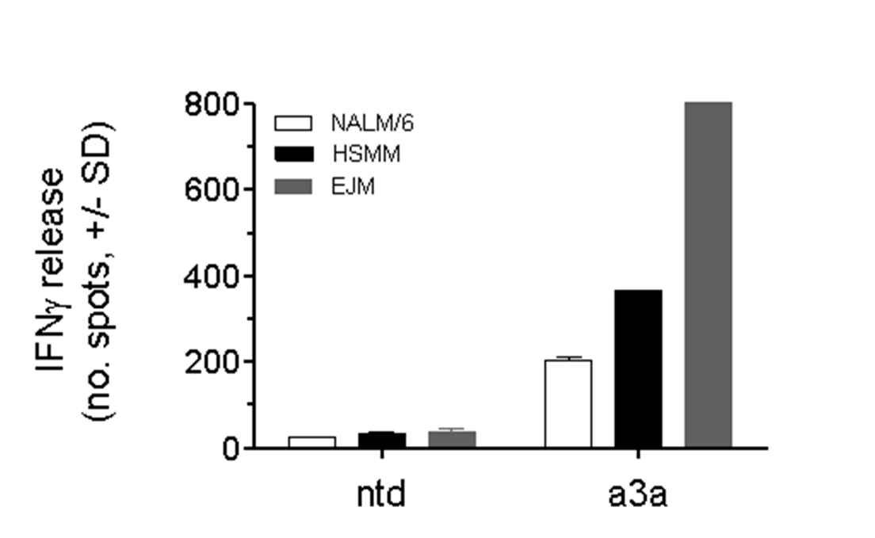
Fig. S2. Activation of a3a-engineered T cells by differentiated human skeletal muscle myoblasts (HSMM) and B cell lymphoma NALM/6 cells. Activation was determined by IFNγ ELISpot. Data represent the average of three independent measurements +/- SD. EJM cells were used as a positive control for T cell activation.
4

page 7
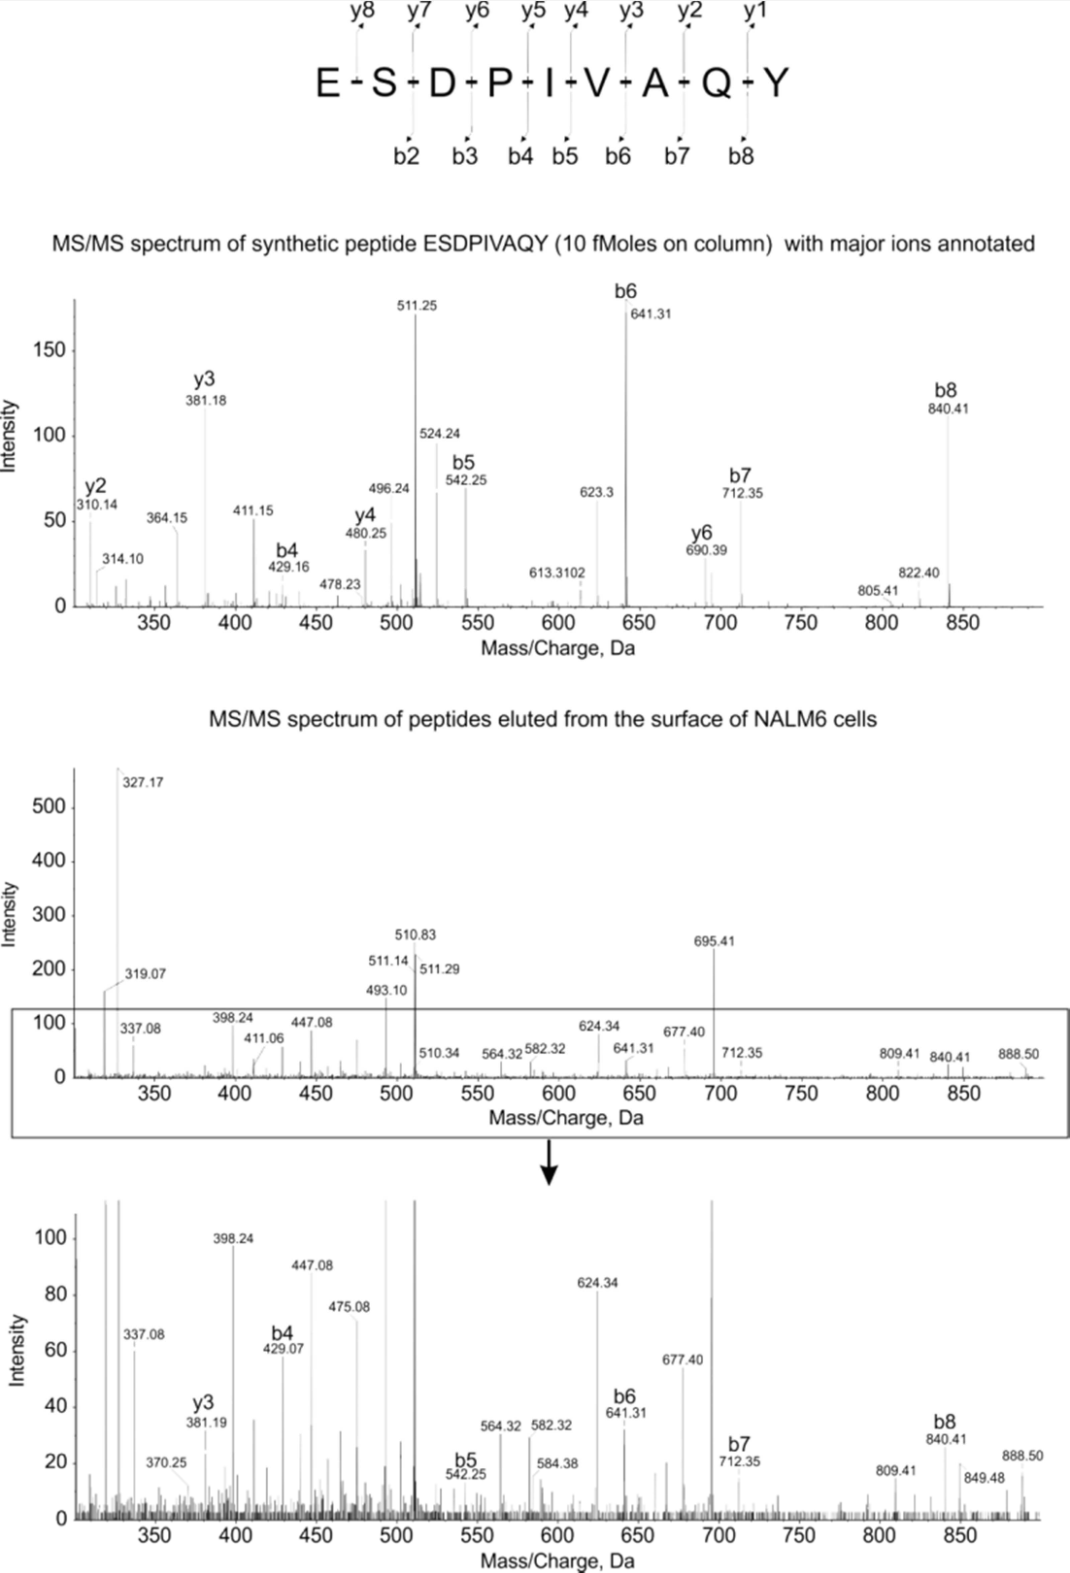

Fig. S3. Mass spectrometry fragmentation of Titin peptide. The sequence of the Titin peptide is shown at the top, with the predicted fragments indicated and the spectrum of the synthetic Titin peptide shown immediately below. Analysis of the peptides from NALM/6 cells is shown in the bottom two panels, with the lower panel showing the boxed area in greater detail. The relevant fragments of the Titin peptide are indicated.
5

