page 2
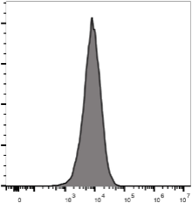
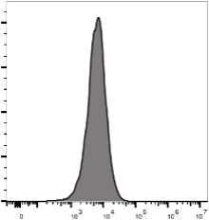
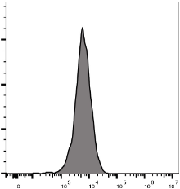
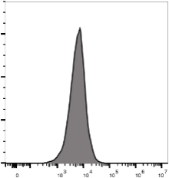

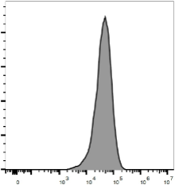
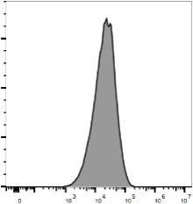
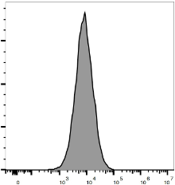
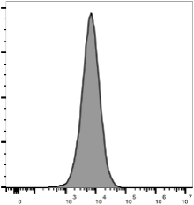
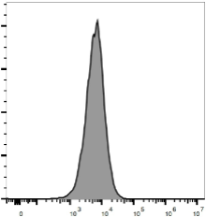
Supplementary Figure 1
500 µM HIV
50 µM HIV
5 µM HIV
500 nM HIV
50 nM HIV
500 µM Pep20
50 µM Pep20
5 µM Pep20
500 nM Pep20
50 nM Pep20
CD69

page 3
Supplementary Figure 2
pERK
TCR55 WT | TCR55 WT |  | TCR55 WT |  |  | TCR55 WT |  |  | TCR55 WT |  | TCR55 WT
100 µM HIV | 50 µM HIV |  | 25 µM HIV |  |  | 12.5 µM HIV |  |  | 6.25 nM HIV |  | 3.125 nM HIV
TCR55 WT | TCR55 WT |  |  | TCR55 WT |  |  | TCR55 WT |  | TCR55 WT |  |  | TCR55 WT
1.56 µM HIV | 780 nM HIV |  |  | 390 nM HIV |  |  | 195 nM HIV |  | 97.5 nM HIV |  |  | DMSO
TCR55 WT |  | TCR55 WT |  | TCR55 WT |  |  | TCR55 WT |  |  | TCR55 WT |  | TCR55 WT
100 µM Pep20 |  | 50 µM Pep20 |  | 25 µM Pep20 |  |  | 12.5 µM Pep20 |  |  | 6.25 nM Pep20 |  | 3.125 nM Pep20
TCR55 WT |  | TCR55 WT |  |  | TCR55 WT |  |  | TCR55 WT |  | TCR55 WT |  |  | TCR55 WT
1.56 µM Pep20 |  | 780 nM Pep20 |  |  | 390 nM Pep20 |  |  | 195 nM Pep20 |  | 97.5 nM Pep20 |  |  | DMSO

page 4
Supplementary Figure 3 A
R1
R2
B
R3
CD69
R1
R2
R3
CD69
C D Clone 8 Clone 17 TCR55 WT |  |  |  |  |  | TCR55 WT TCR55a-A98H TCR55a-S28G TCR55a-S28G & A98H

80000
60000
40000
20000
0
-7
-6
log10[HIV] (M)
-5
60000
40000
20000
0
-7.0
-6.5
log10[HIV] (M)
-6.0 -5.5
-5.0
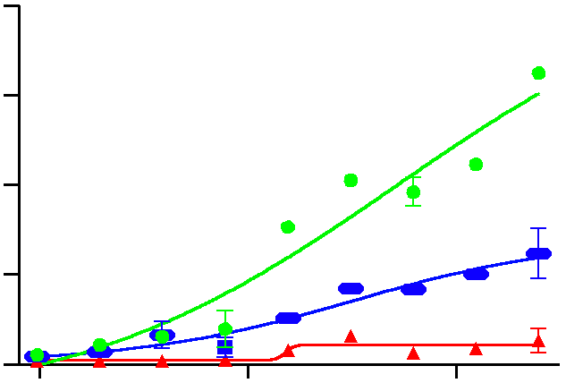
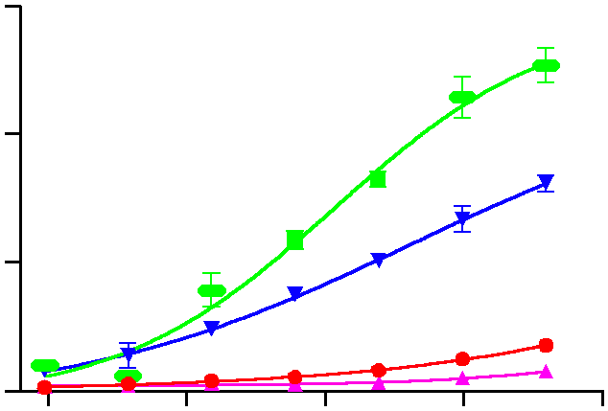

100
50
TCR55 WT binding to B35-HIV
0
0
100
300
40
30
20
10
0
-7
-6
log10[peptide] (M)
-5
-4

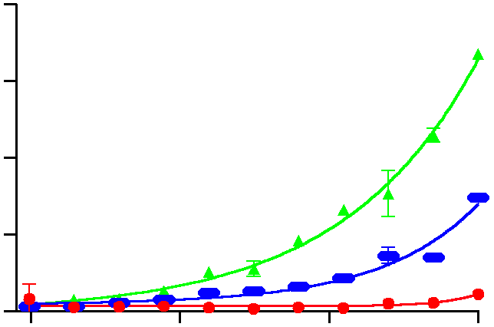
HIV+TCR55 WT HIV+TCR55a-A98H Pep20+TCR55 WT

 |  | KD (WT)= 19.96 mM

30000 |  |  |  | 200 Time (seconds) |  |  | 400

-13
-12
-11
log10[HIV] (M)
-10
-9
-8
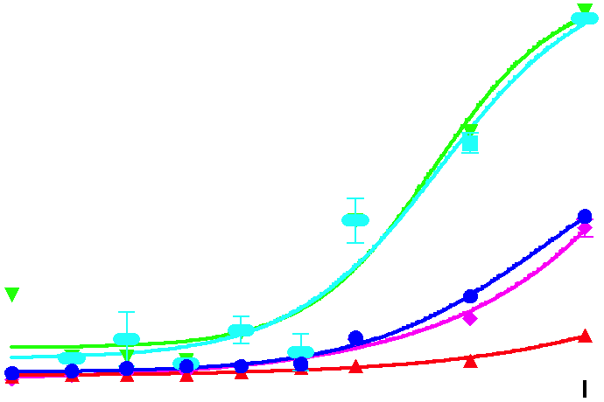

His98
T69
Q65
B35-Q65A+TCR55a-A98H
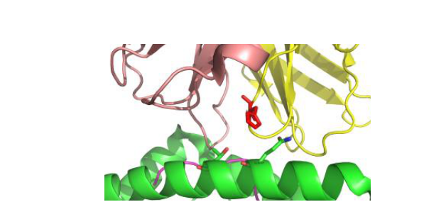

20000 10000 |  |  |  |  | B35-T69A+TCR55a-A98H B35 WT+TCR55 WT B35 WT+TCR55a-A98H B35 Q65A T69A+TCR55a-A98H

1.5 |  |  | 98H

 | B35-HIV+TCR55α-A98H B35-Q65A-HIV+TCR55α-A

1.0
0.5
0.0
0
10
20
30
40

50 Force (pN)

page 7
Supplementary Figure 5
A
2000
1500
1000
500
-8
-7
log10[HIV] (M)
-6
B
1.0
0.5
02855
0.0
-5
0.1
1
10
100
KD (mM)

 | 3 mM 20 mM D H F Y E Q R2=0.

TCR55a-A98C TCR55a-A98K TCR55a-A98N TCR55a-A98R TCR55a-A98S TCR55a-A98T TCR55a-A98W TCR55 WT

page 10
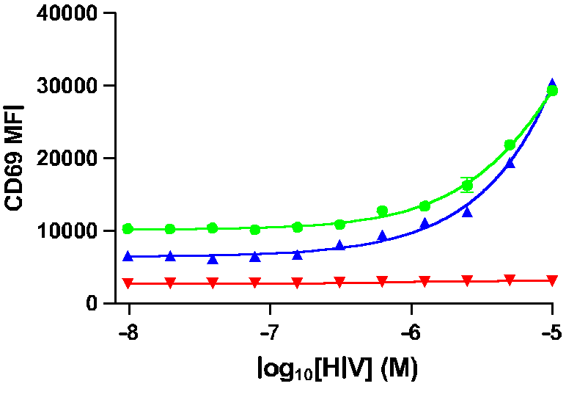
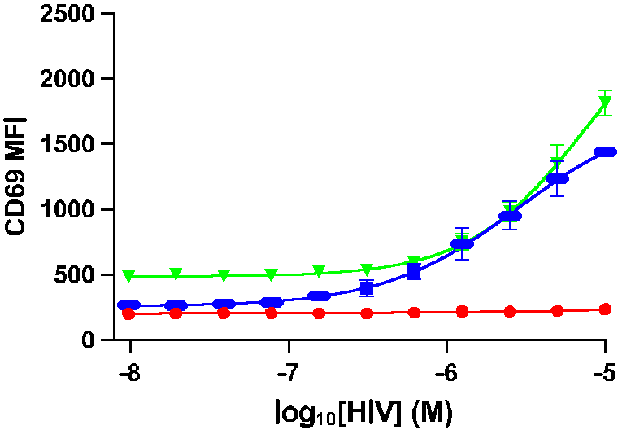

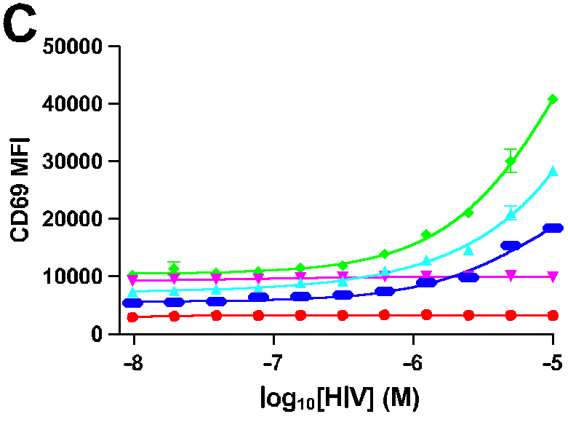
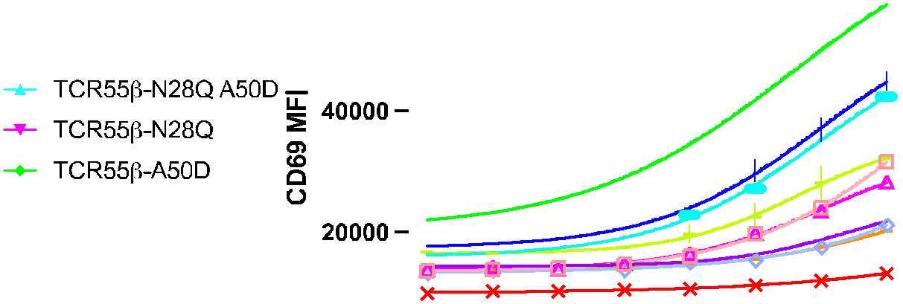

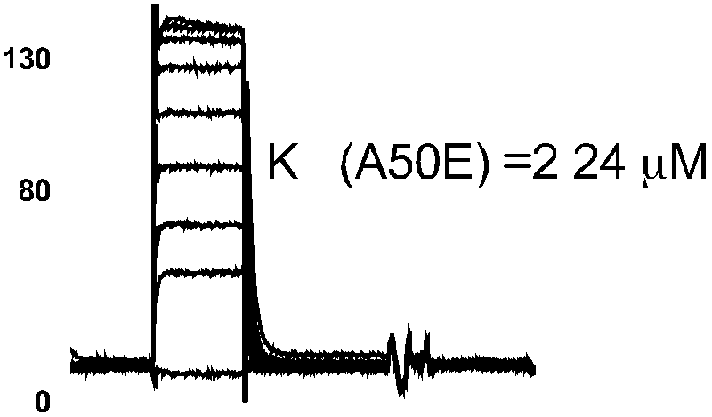

page 14
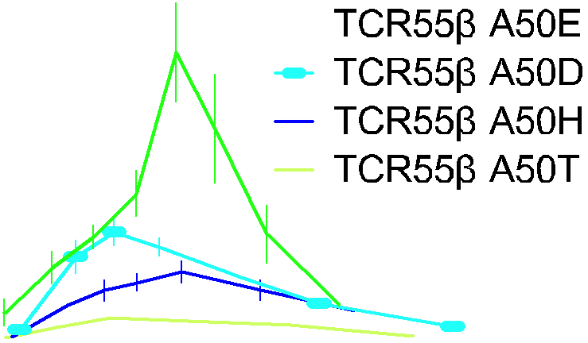

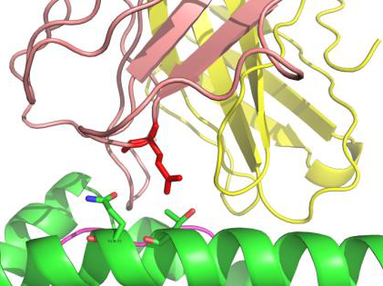

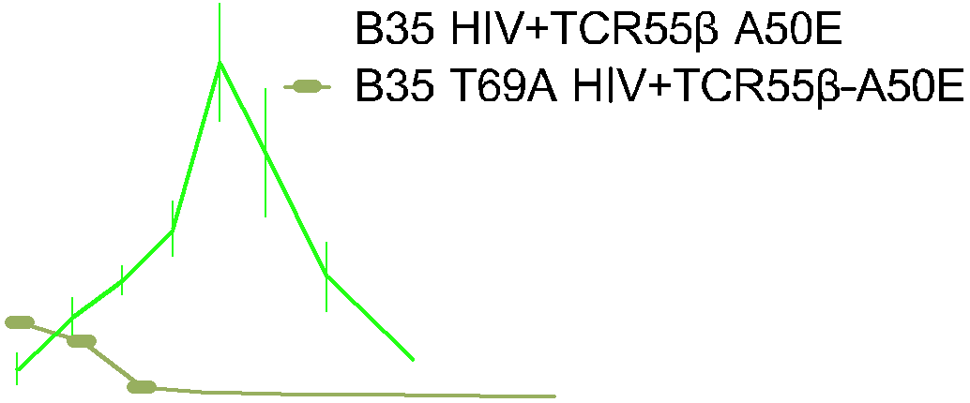

page 18
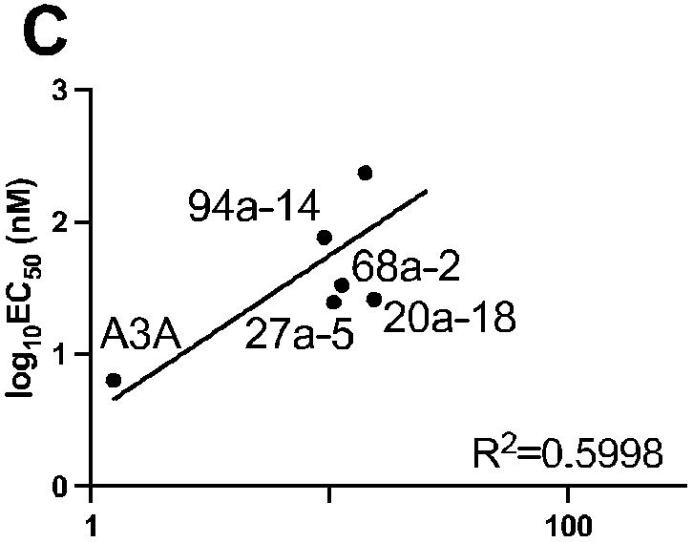

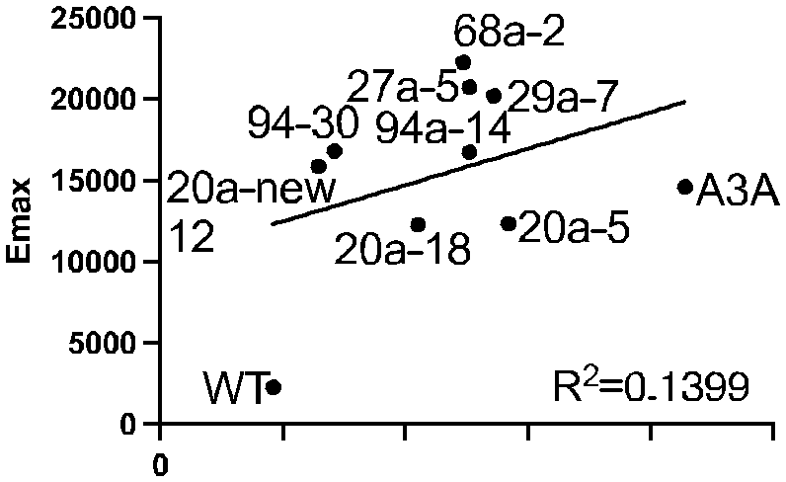

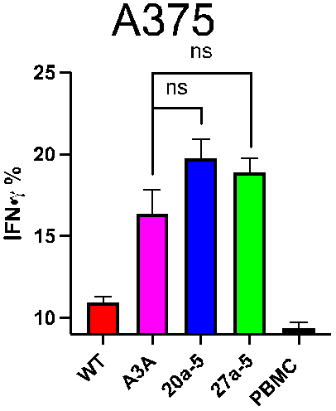

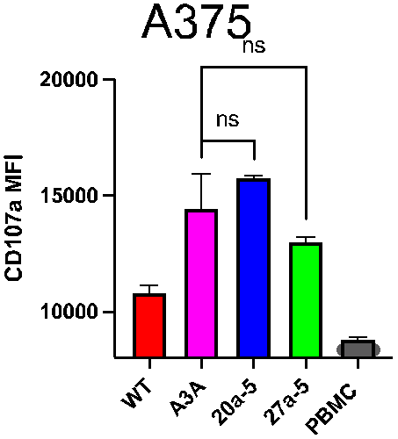

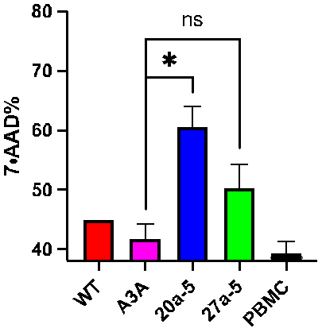

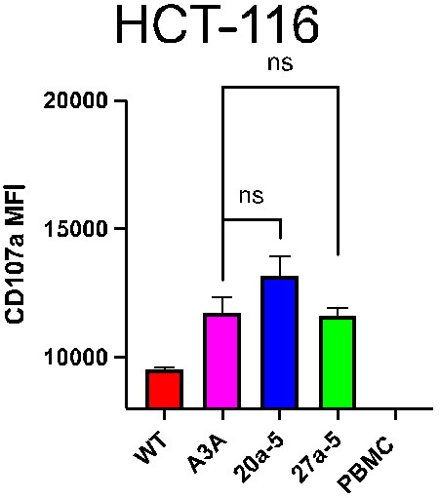
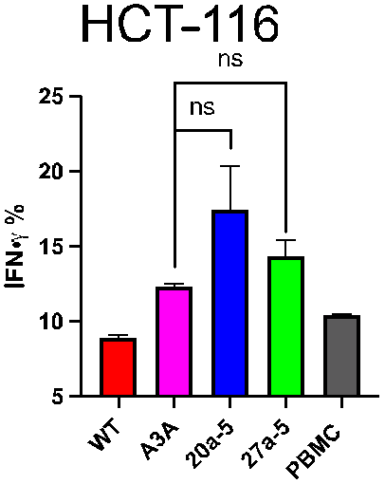

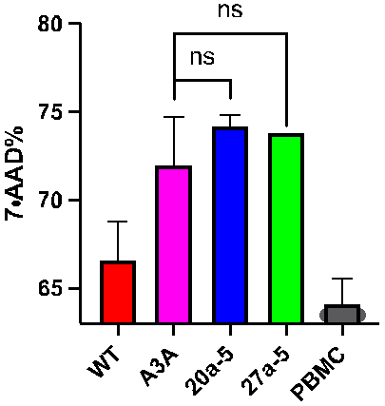

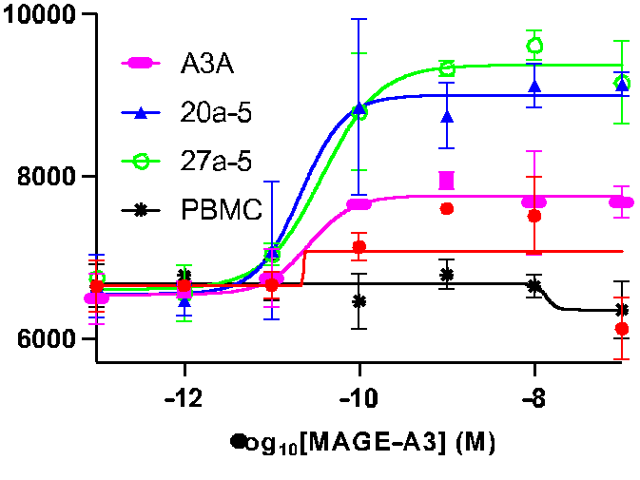
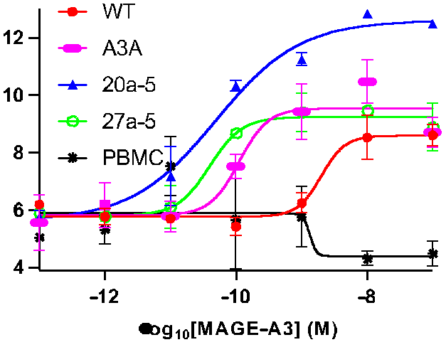
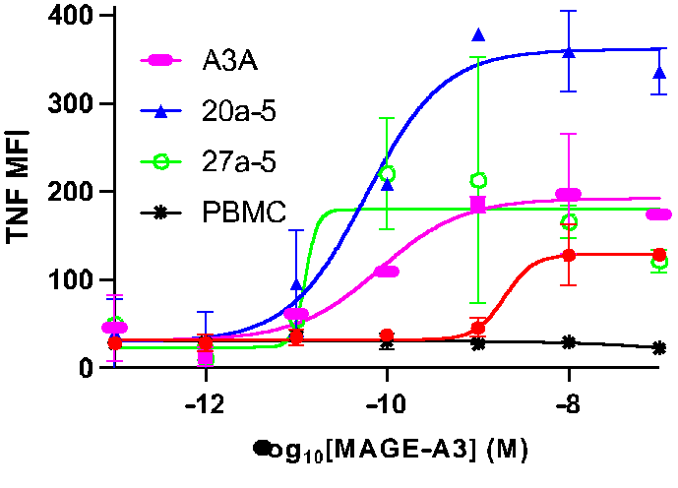

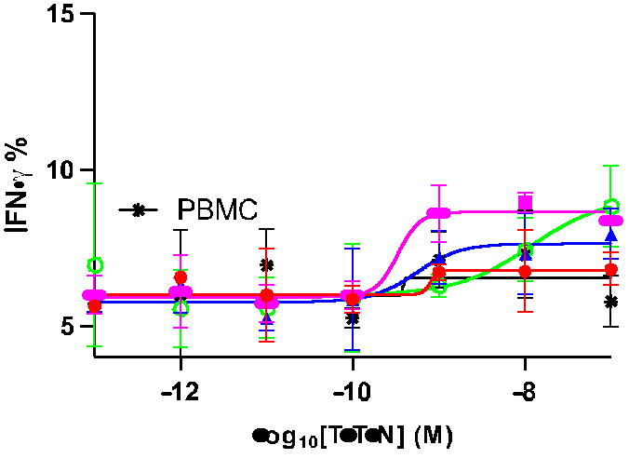

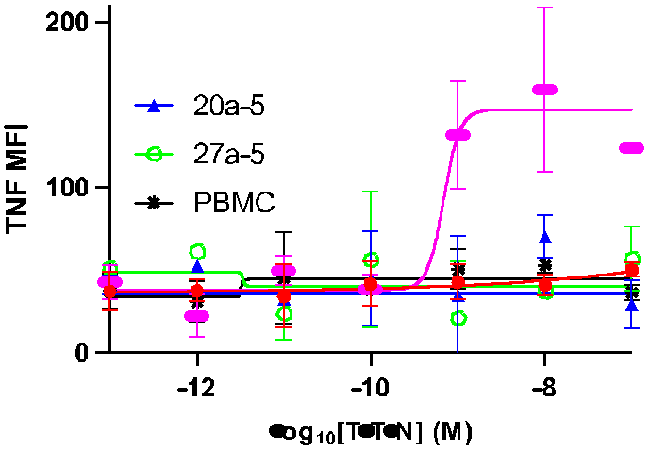

page 24
Supplementary Figure 14
A
2.0
1.5
1.0
0.5
0.0
0
10 20 30
Force (pN)
40

A1-TITIN+94a-14 A1-TITIN+20a-18 A1-TITIN+WT A1-TITIN+A3A

page 26
Supplementary Figure 16
A
WT TCR screening
Peptide (10-7 M)

20000 15000 10000 5000 0
 | MAGE-A3 (EVDPIGHLY) TITIN (ESDPIVAQY) MAGE-A6 (EVDPIGHVY) FAT2 (ETDPVNHMV)

