Sheet1
Temperature comparator ( 25<T<30)
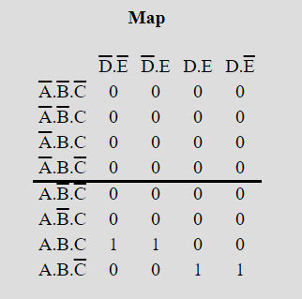
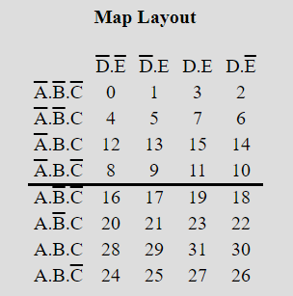
Decimal | A | B | C | D | E | T
0 | 0 | 0 | 0 | 0 | 0 | 0
1 | 0 | 0 | 0 | 0 | 1 | 0
2 | 0 | 0 | 0 | 1 | 0 | 0
3 | 0 | 0 | 0 | 1 | 1 | 0
4 | 0 | 0 | 1 | 0 | 0 | 0
5 | 0 | 0 | 1 | 0 | 1 | 0
6 | 0 | 0 | 1 | 1 | 0 | 0
7 | 0 | 0 | 1 | 1 | 1 | 0
8 | 0 | 1 | 0 | 0 | 0 | 0
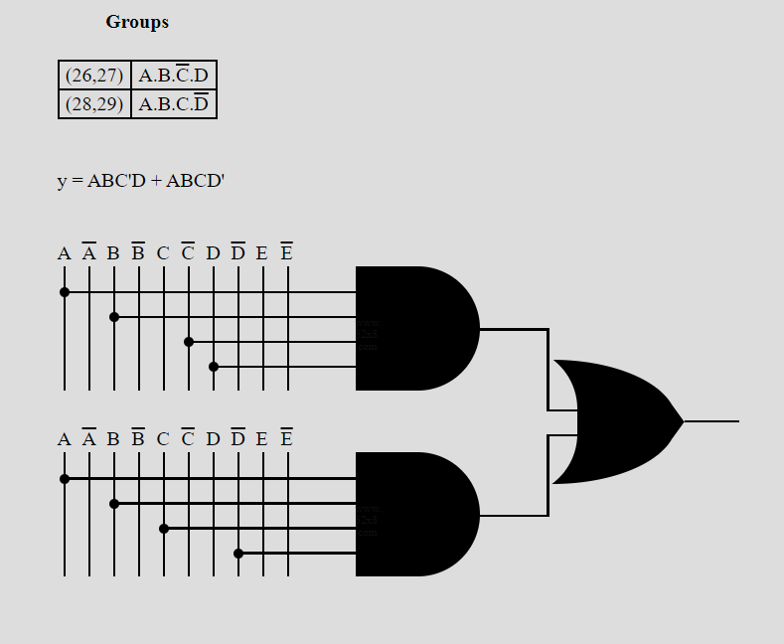
9 | 0 | 1 | 0 | 0 | 1 | 0
10 | 0 | 1 | 0 | 1 | 0 | 0
11 | 0 | 1 | 0 | 1 | 1 | 0
12 | 0 | 1 | 1 | 0 | 0 | 0
13 | 0 | 1 | 1 | 0 | 1 | 0
14 | 0 | 1 | 1 | 1 | 0 | 0
15 | 0 | 1 | 1 | 1 | 1 | 0
16 | 1 | 0 | 0 | 0 | 0 | 0
17 | 1 | 0 | 0 | 0 | 1 | 0
18 | 1 | 0 | 0 | 1 | 0 | 0
19 | 1 | 0 | 0 | 1 | 1 | 0
20 | 1 | 0 | 1 | 0 | 0 | 0
21 | 1 | 0 | 1 | 0 | 1 | 0
22 | 1 | 0 | 1 | 1 | 0 | 0
23 | 1 | 0 | 1 | 1 | 1 | 0
24 | 1 | 1 | 0 | 0 | 0 | 0
25 | 1 | 1 | 0 | 0 | 1 | 0
26 | 1 | 1 | 0 | 1 | 0 | 1
27 | 1 | 1 | 0 | 1 | 1 | 1
28 | 1 | 1 | 1 | 0 | 0 | 1
29 | 1 | 1 | 1 | 0 | 1 | 1
30 | 1 | 1 | 1 | 1 | 0 | 0
31 | 1 | 1 | 1 | 1 | 1 | 0

