Sheet2
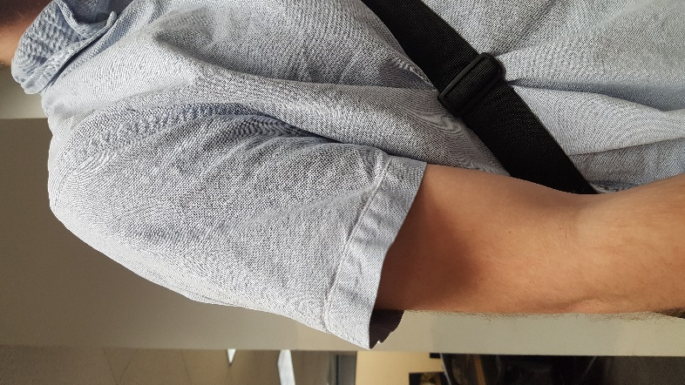
Blue and white small checked: | Blue short sleeved:

