Growth curves
F38: normal feed-rate (0,5-5%), 38°C and 0 g/L sodium bicarbonate (0,0%)
Tube labels |  | Timestamp | relative time | OD | Empty epp CDW (g) | Empty epp TDM (g) | Full epp CDW (g) | Full epp TDM (g) | CDW (g/L) | TDM (g/L)
C1 | T1 | 5:59:00 | -0.50 | 0.05 | 0.992 | 1 |  |  | -992 | -1000
C2 | T2 | 6:29:00 | 0.00 | 0.33 | 0.994 | 1.008 |  |  | -994 | -1008
C3 | T3 | 7:30:00 | 1.02 | 0.32 | 1.006 | 0.991 |  |  | -1006 | -991
C4 | T4 | 8:32:00 | 2.05 | 0.32 | 0.986 | 0.996 |  |  | -986 | -996
OD, CDW, TDM over time
 | OD | CDW | TDM
-0.50 | 0.05 | -992 | -1000
0.00 | 0.33 | -994 | -1008
1.02 | 0.32 | -1006 | -991
2.05 | 0.32 | -986 | -996
3.05 | 0.32 | -999 | -993
3.98 | 0.36 | -982 | -995
5.07 | 0.35 | -993 | -994
-6.48 |  | -996 | -991
-6.48 |  | -1006 | -993
-6.48 |  | -995 | -999
-6.48 |  | -982 | -996
-6.48 |  | -993 | -996
-6.48 |  | -1002 | -995
-6.48 |  | -994 | -982
-6.48 |  | -999 | -998
-6.48 |  | -1010 | -994
-6.48 |  | -993 | -997
-6.48 |  | -991 | -989
-6.48 |  | -987 | -1008
-6.48 |  | -996 | -990
-6.48 |  | -994 | -994
-6.48 |  | -998 | -1002
-6.48 |  | -1000 | -992
-6.48 |  | -986 | -1008
-6.48 |  | 0 | 0
C5 | T5 | 9:32:00 | 3.05 | 0.32 | 0.999 | 0.993 |  |  | -999 | -993
C6 | T6 | 10:28:00 | 3.98 | 0.36 | 0.982 | 0.995 |  |  | -982 | -995
C7 | T7 | 11:33:00 | 5.07 | 0.35 | 0.993 | 0.994 |  |  | -993 | -994
C8 | T8 |  | -6.48 |  | 0.996 | 0.991 |  |  | -996 | -991
C9 | T9 |  | -6.48 |  | 1.006 | 0.993 |  |  | -1006 | -993
C10 | T10 |  | -6.48 |  | 0.995 | 0.999 |  |  | -995 | -999
C11 | T11 |  | -6.48 |  | 0.982 | 0.996 |  |  | -982 | -996
C12 | T12 |  | -6.48 |  | 0.993 | 0.996 |  |  | -993 | -996
C13 | T13 |  | -6.48 |  | 1.002 | 0.995 |  |  | -1002 | -995
C14 | T14 |  | -6.48 |  | 0.994 | 0.982 |  |  | -994 | -982
C15 | T15 |  | -6.48 |  | 0.999 | 0.998 |  |  | -999 | -998
C16 | T16 |  | -6.48 |  | 1.01 | 0.994 |  |  | -1010 | -994
C17 | T17 |  | -6.48 |  | 0.993 | 0.997 |  |  | -993 | -997
C18 | T18 |  | -6.48 |  | 0.991 | 0.989 |  |  | -991 | -989
C19 | T19 |  | -6.48 |  | 0.987 | 1.008 |  |  | -987 | -1008
C20 | T20 |  | -6.48 |  | 0.996 | 0.99 |  |  | -996 | -990
C21 | T21 |  | -6.48 |  | 0.994 | 0.994 |  |  | -994 | -994
C22 | T22 |  | -6.48 |  | 0.998 | 1.002 |  |  | -998 | -1002
C23 | T23 |  | -6.48 |  | 1 | 0.992 |  |  | -1000 | -992
C24 | T24 |  | -6.48 |  | 0.986 | 1.008 |  |  | -986 | -1008
C25 | T25 |  | -6.48 |  |  |  |  |  | 0 | 0 | Preculture flasks | OD600
C26 | T26 |  |  |  |  |  |  |  |  |  | 1
C27 | T27 |  |  |  |  |  |  |  |  |  | 2
C28 | T28 |  |  |  |  |  |  |  |  |  | 3
C29 | T29 |  |  |  |  |  |  |  |  |  | 4
C30 | T30 |  |  |  |  |  |  |  |  |  | Media control
C31 | T31
C32 | T32
C33 | T33
C34 | T34
C35 | T35
C36 | T36

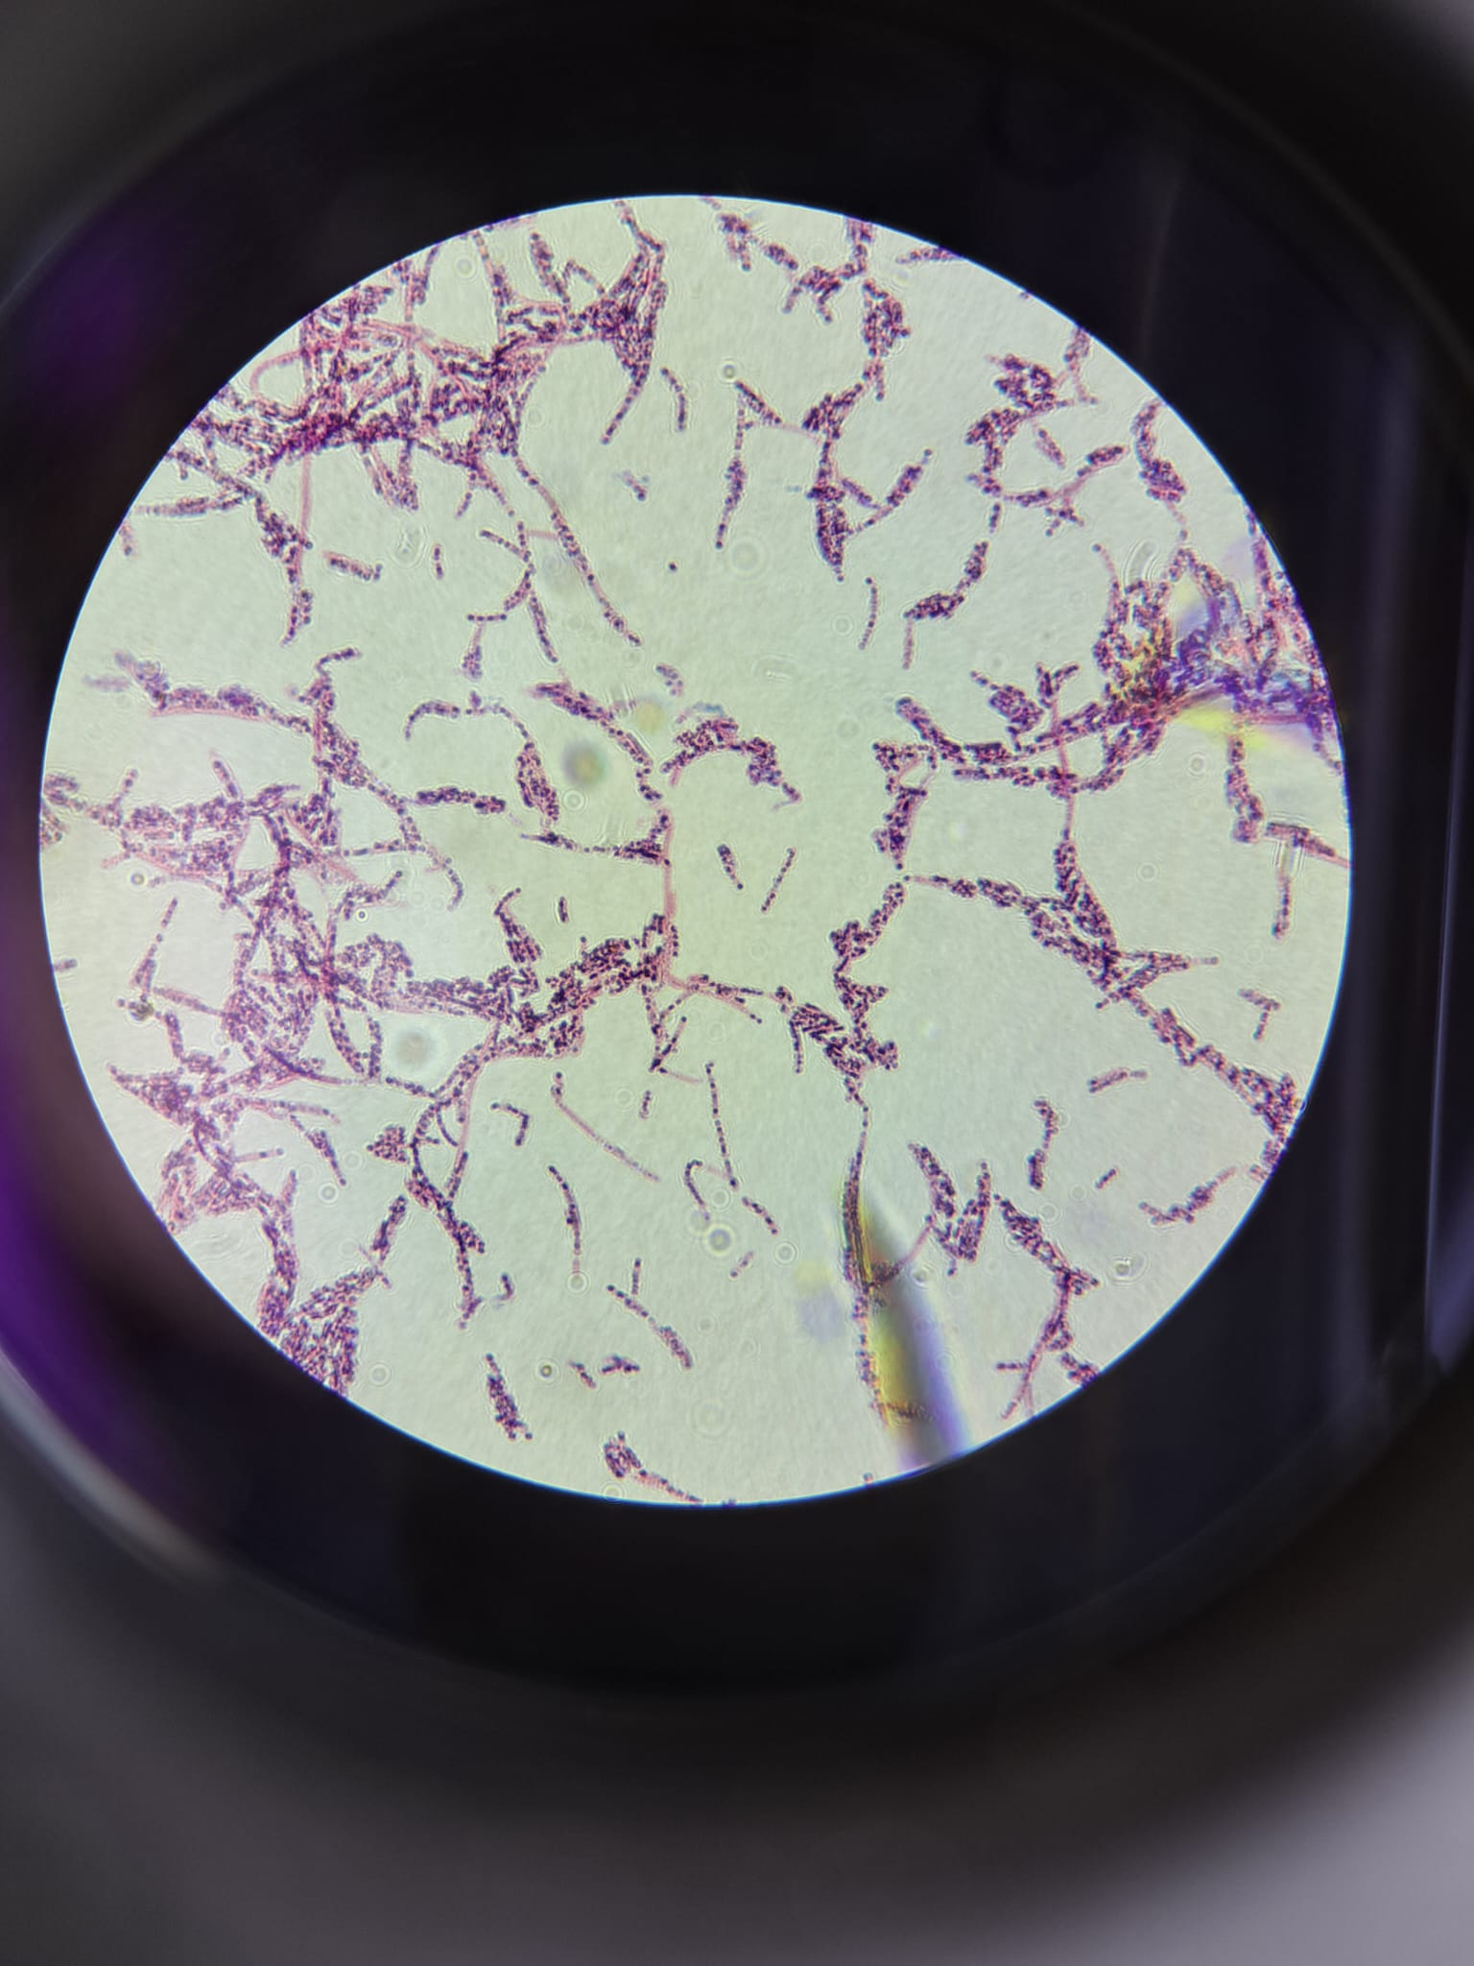
glycerol stock
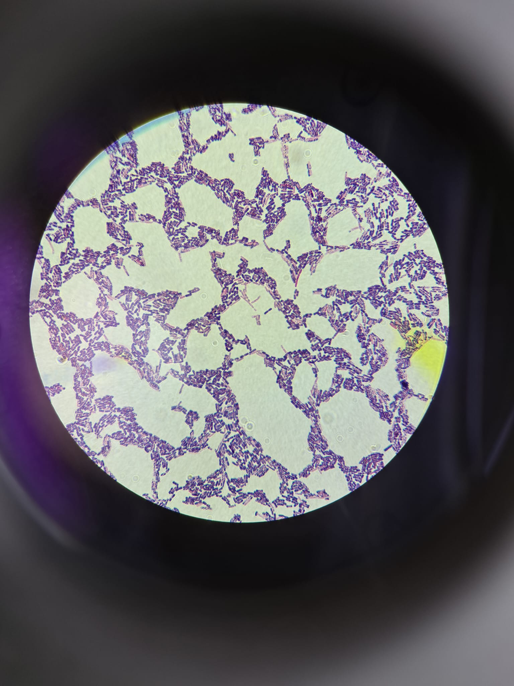
preculture flask 1
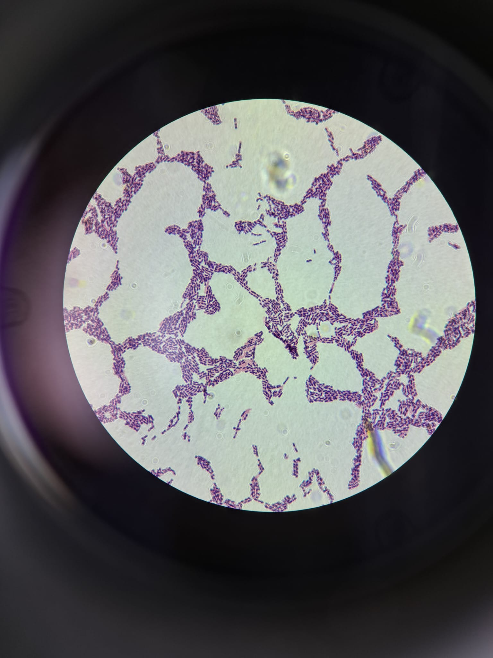
reactor plate at 22:00 (t = 10 h)
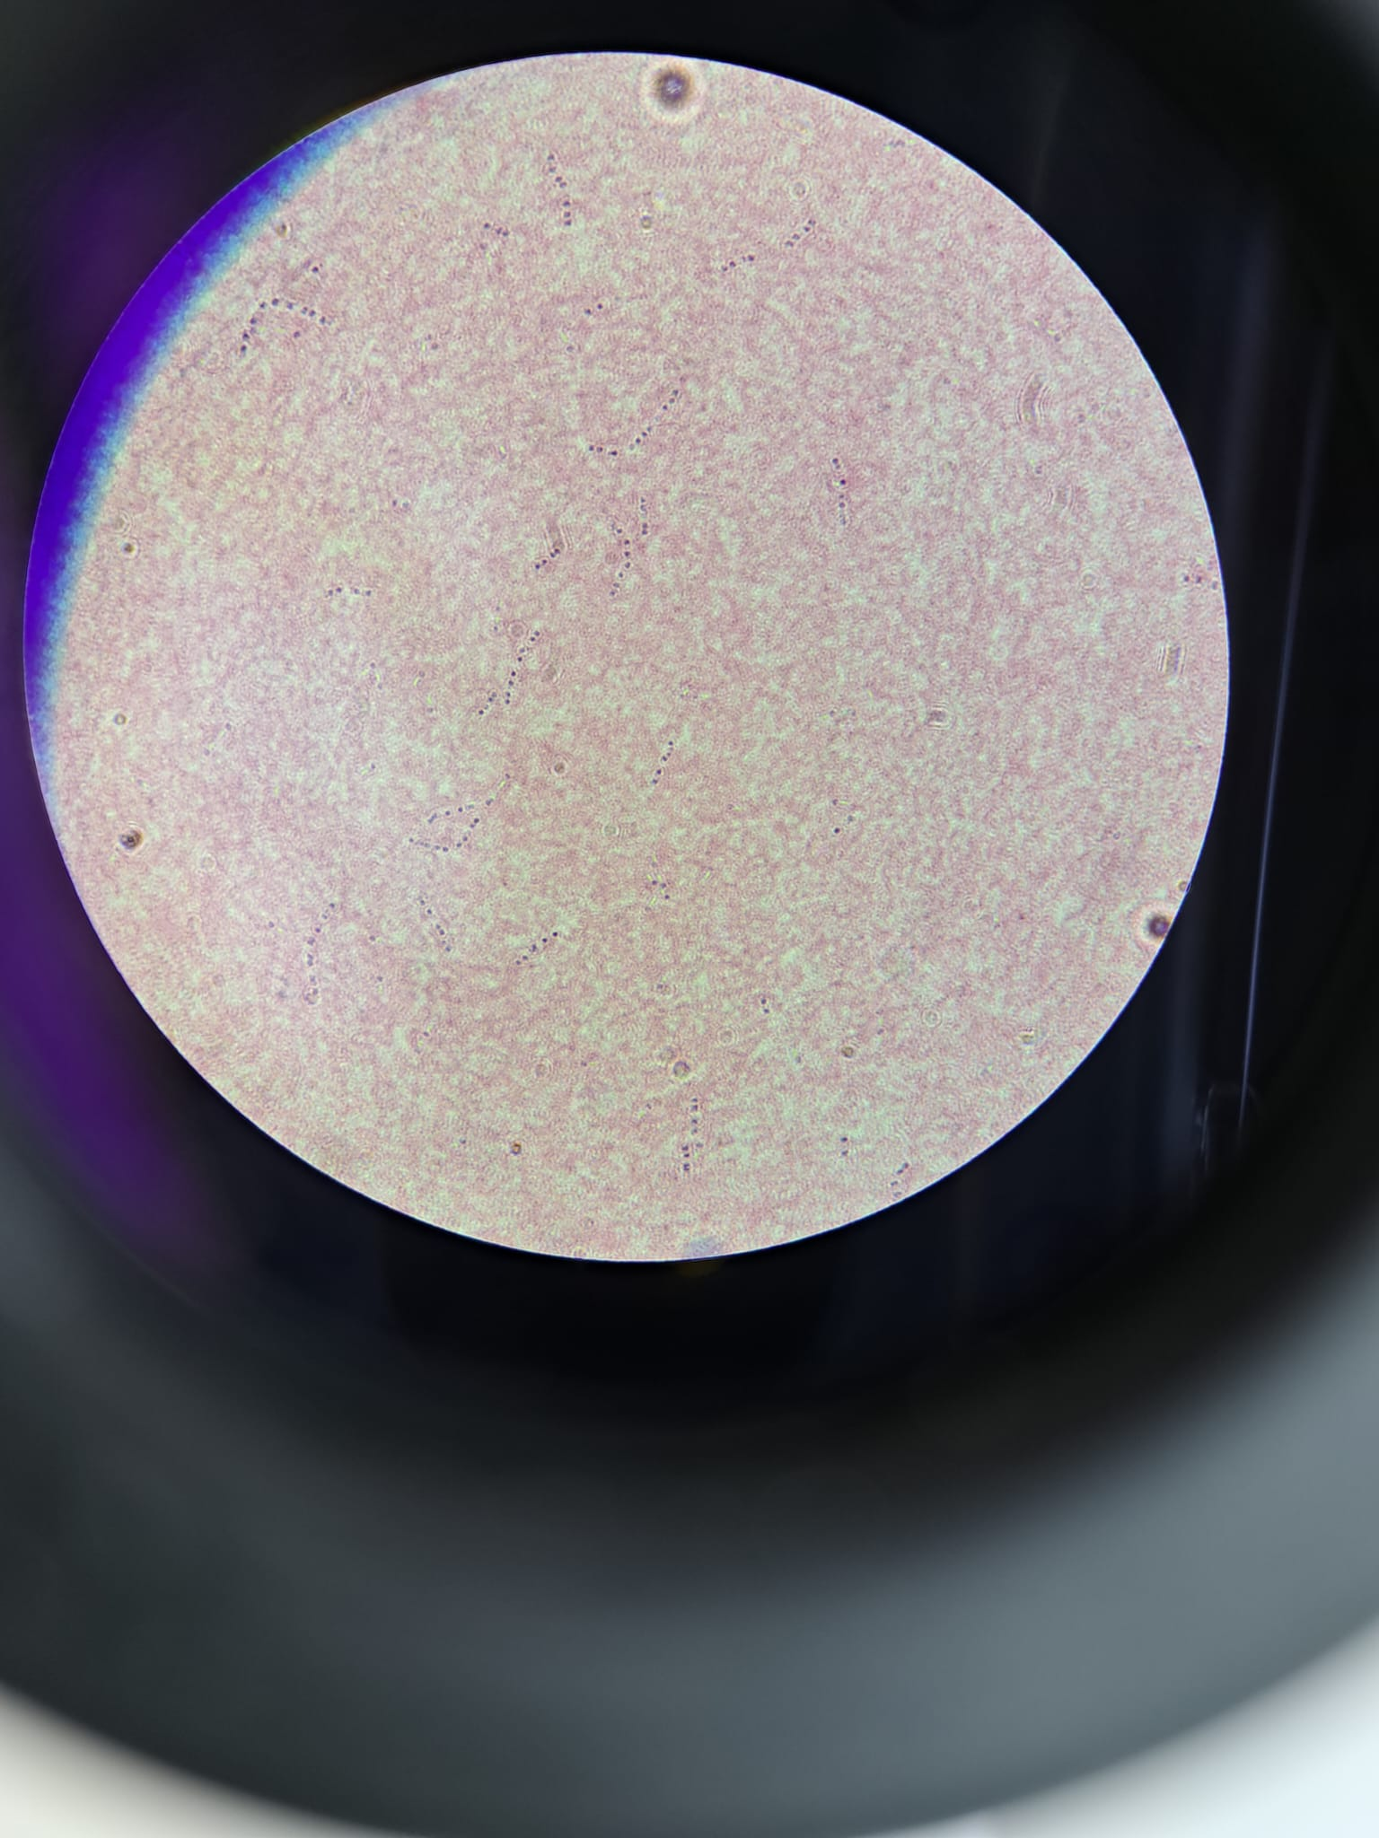
reactor sapmle at 8:00 (t = 20 h)

EPS
 | NO HEAT |  |  |  |  |  | YES HEAT

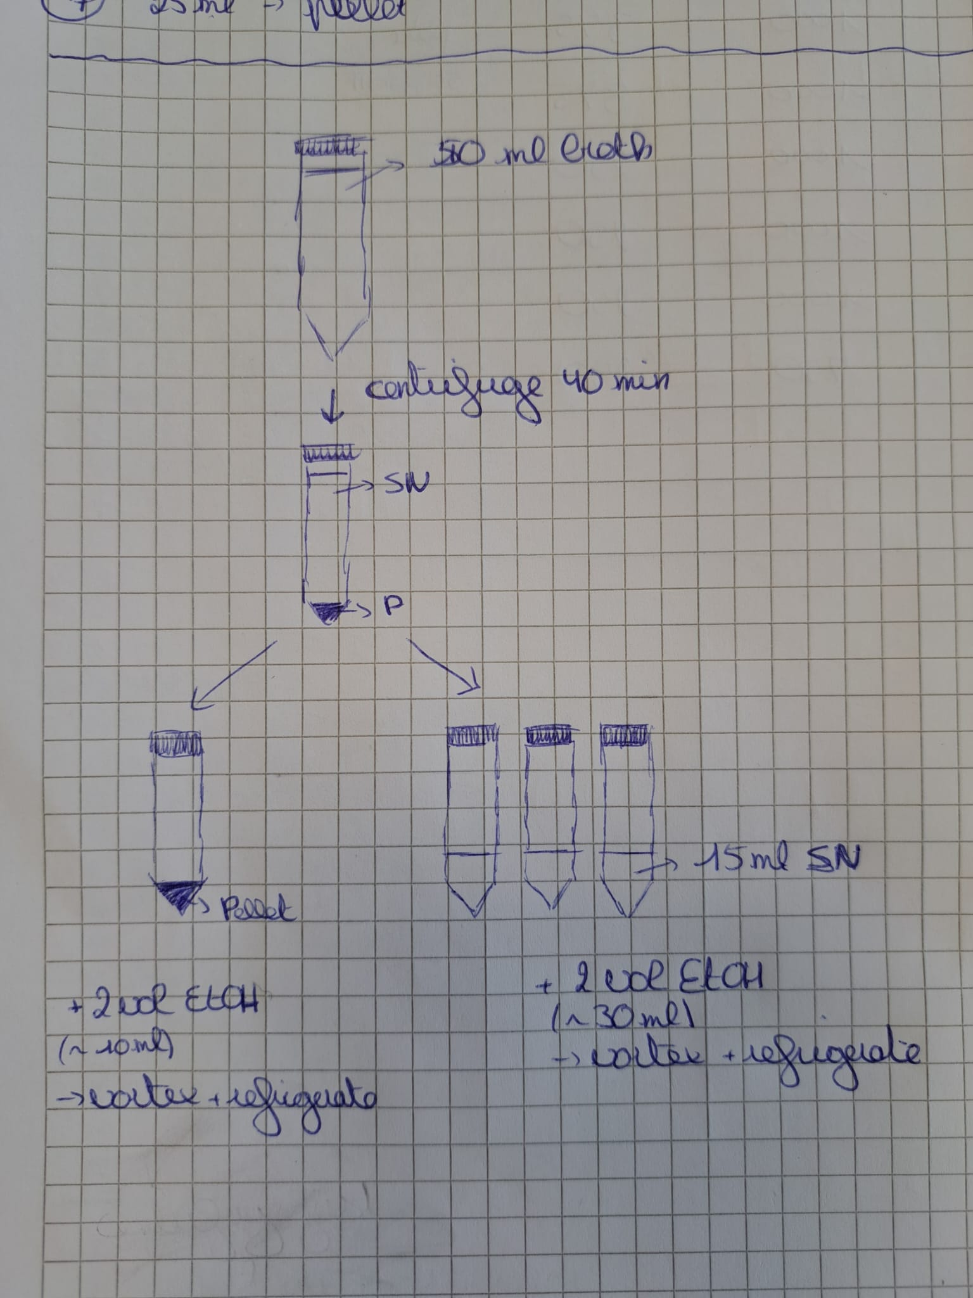
protocol 1 | Centrifuge (40 min) a falcon with 50 mL of harvest (no heat treatment) |  |  |  |  |  | Centrifuge (40 min) a falcon with 50 mL of harvest (yes heat treatment)
 | Seperate supernatant from the pellet |  |  |  |  |  | Seperate supernatant from the pellet
 |  | > pellet in 1 falcon and 15 mL supernatant in 3 falcons each |  |  |  |  |  | > pellet in 1 falcon and 15 mL supernatant in 3 falcons each
 | Add 2 vol (30 mL) of icecold ethanol to 1 vol (15 mL) of supernatant |  |  |  |  |  | Add 2 vol (30 mL) of icecold ethanol to 1 vol (15 mL) of supernatant
 |  | > vortex for 2 minutes |  |  |  |  |  | > vortex for 2 minutes
 |  | > let it settle in the fridge |  |  |  |  |  | > let it settle in the fridge
 | Add 2 vol (10 mL) of icecold ethanol to 1 vol (~5mL) of pellet |  |  |  |  |  | Add 2 vol (10 mL) of icecold ethanol to 1 vol (~5mL) of pellet
 |  | > vortex for 2 minutes |  |  |  |  |  | > vortex for 2 minutes
 | After settling down in the fridge for 2 days both supernatants were centrifuged |  |  |  |  |  | After settling down in the fridge for 2 days both supernatants were centrifuged
 | The supernatant was discarded and the pellets were dried |  |  |  |  |  | The supernatant was discarded and the pellets were dried

Labels |  |  |  |  |  |  |  |  |  | W
 |  |  |  |  |  |  |  |  |  | W
 |  |  |  |  |  |  |  |  |  | W
 |  |  |  |  |  |  |  |  |  | W

Comparisons

No heat treatment
 | Volume | Weight empty tube (g) | Weight after drying (g) | Dry weight (g) | Dry matter (g/L) | Sample | Dry weight P1 (g/L) | Dry weight SN | Comments
Broth |  |  |  |  |  | TDM | 0
N - C -1 | 15mL | 0 |  | 0 | 0 | 1 cycle | 0 | 0
N - C -2 (N-D) | 15mL | 0 |  | 0 | 0
N - C -3 (N-E) | 15mL | 0 |  | 0 | 0

1 cycle
N - P - F | Pellet from 50mL - For EPS (Hand over to Madiha) | 0 |  | 0 | 0

N - SN - F (50mL falcon) | 15mL For EPS (Hand over to Madiha) | 0 |  | 0 | 0
N - SN - G (50mL falcon) | 15mL For EPS (Hand over to Madiha) | 0 |  | 0 | 0
N - SN - H (50mL falcon) | 15mL For EPS (Hand over to Madiha) | 0 |  | 0 | 0

Yes heat treatment - 20 minutes @65°C - Make sure to prepare the heat bath ahead of time!!!!
 | OD600 | Weight empty tube (g) | Weight after drying (g) | Dry weight (g) | Dry matter (g/L) | Sample | Dry weight P1 (g/L) | Dry weight SN | Comments
Broth |  |  |  |  |  | TDM | 0
Y - C -1 | 15mL | 0 |  | 0 | 0 | 1 cycle | 0 | 0
Y - C -2 | 15mL | 0 |  | 0 | 0
Y - C -3 | 15mL | 0 |  | 0 | 0
1 cycle
Y - P - F | Pellet from 50mL - For EPS (Hand over to Madiha) | 0 |  | 0 | 0

Y - SN - F (50mL falcon) | 15mL For EPS (Hand over to Madiha) | 0 |  | 0 | 0
Y - SN - G (50mL falcon) | 15mL For EPS (Hand over to Madiha) | 0 |  | 0 | 0
Y - SN - H (50mL falcon) | 15mL For EPS (Hand over to Madiha) | 0 |  | 0 | 0

