Sample
 | Type of Location | City type | Location_Residential | City_Metro | Marketing Sales Investment | Estimated Population in vicinity | Average Household Income | Revenue
1 | Commercial | Non-Metro | 0 | 0 | 60,298.00 | 13134 | 11400
2 | Residential | Metro | 1 | 1 | 49,944.00 | 16716 | 10800
3 | Residential | Metro | 1 | 1 | 53,124.00 | 10348 | 16800
4 | Residential | Metro | 1 | 1 | 51,141.00 | 16119 | 19800
5 | Residential | Metro | 1 | 1 | 57,879.00 | 14726 | 19200
6 | Residential | Non-Metro | 1 | 0 | 54,340.00 | 14527 | 18600
7 | Residential | Non-Metro | 1 | 0 | 67,610.00 | 8358 | 27600
8 | Residential | Non-Metro | 1 | 0 | 55,637.00 | 11144 | 22200
9 | Residential | Metro | 1 | 1 | 53,396.00 | 7960 | 22200
10 | Residential | Non-Metro | 1 | 0 | 53,133.00 | 9353 | 36000
11 | Residential | Metro | 1 | 1 | 49,497.00 | 9950 | 15000
12 | Commercial | Non-Metro | 0 | 0 | 50,197.00 | 13134 | 37200
13 | Residential | Metro | 1 | 1 | 63,234.00 | 14527 | 13800
14 | Residential | Non-Metro | 1 | 0 | 60,059.00 | 14129 | 33600
15 | Commercial | Metro | 0 | 1 | 66,487.00 | 9950 | 16200
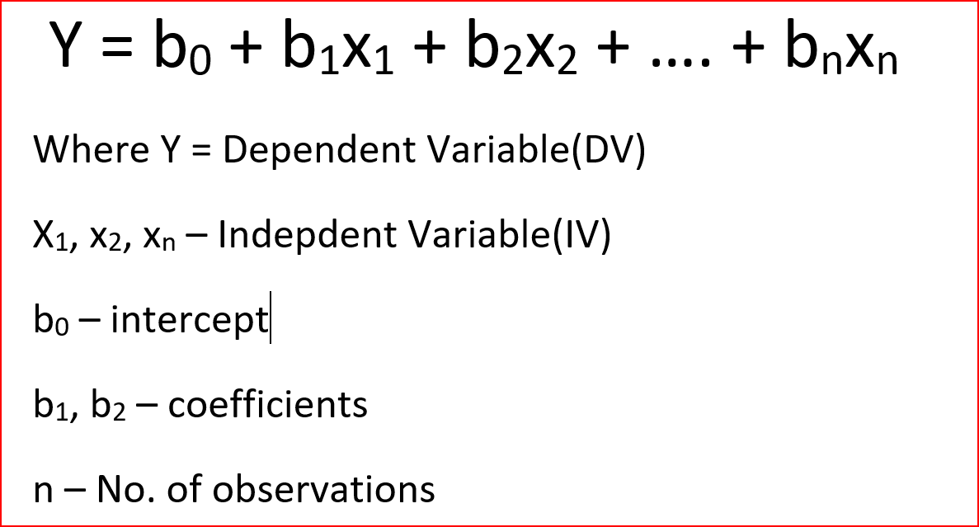

 |  |  |  |  |  |  | 25000

New store | Commercial | Metro | 0 | 1 | 55,000 | 12000

