Revenue Per Stat & Product
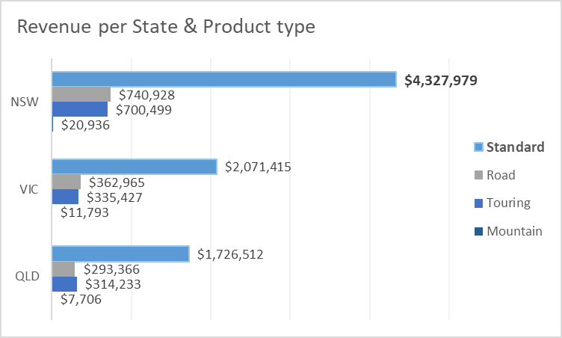
Sum of Revenue | Column Labels
Row Labels | Standard | Road | Touring | Mountain | Grand Total
NSW | $4,327,979 | $740,928 | $700,499 | $20,936 | $5,790,341
VIC | $2,071,415 | $362,965 | $335,427 | $11,793 | $2,781,600
QLD | $1,726,512 | $293,366 | $314,233 | $7,706 | $2,341,816
Grand Total | $8,125,906 | $1,397,259 | $1,350,158 | $40,435 | $10,913,757

Revenue per State & Product type

Revenue by Age
Revenue by Age segment
Row Labels | Sum of Revenue
40's | $3,641,888
50's | $1,915,767
30's | $1,817,806
20's | $1,649,028
+60 | $1,639,930
Grand Total | $10,664,419

Transactions
Transactions by time
Row Labels | Count of transaction_id
Jan | 1,682
Feb | 1,623
Mar | 1,656
Apr | 1,655
May | 1,685
Jun | 1,581
Jul | 1,717
Aug | 1,749
Sep | 1,572
Oct | 1,771
Nov | 1,665
Dec | 1,644
Grand Total | 20,000

Dashboard

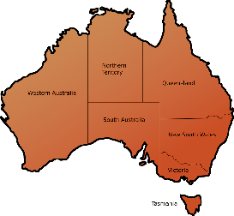
Interactive Dashboard- to apply in marketing campaign

Revenue per State & Product type
 | Standard | Road | Touring | Mountain
NSW | $4,327,979 | $740,928 | $700,499 | $20,936
VIC | $2,071,415 | $362,965 | $335,427 | $11,793
QLD | $1,726,512 | $293,366 | $314,233 | $7,706
Revenue by Age segment
 | Total
40's | $3,641,888
50's | $1,915,767
30's | $1,817,806
20's | $1,649,028
+60 | $1,639,930

Transactions 2017
 | Total
Jan | 1,682
Feb | 1,623
Mar | 1,656
Apr | 1,655
May | 1,685
Jun | 1,581
Jul | 1,717
Aug | 1,749
Sep | 1,572
Oct | 1,771
Nov | 1,665
Dec | 1,644

