train
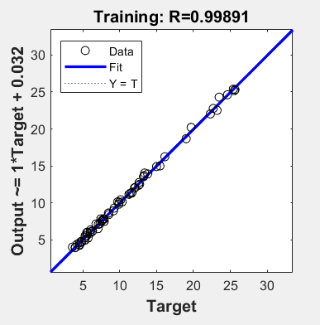
x1 | x2 | x3 | x4 | y1
2000 | 60 | 100 | 1 | 9.16
2000 | 60 | 800 | 1 | 23.48
500 | 60 | 100 | 1 | 6.26
500 | 10 | 100 | 1 | 4.53
2000 | 10 | 800 | 1 | 12.58
500 | 10 | 800 | 1 | 8.48
500 | 10 | 500 | 1.5 | 7.06
500 | 25 | 800 | 1.5 | 10.14
500 | 45 | 500 | 1.5 | 9.92
500 | 45 | 800 | 0.5 | 9.39
500 | 10 | 500 | 2 | 5.97
500 | 25 | 100 | 0.5 | 3.6
2000 | 45 | 500 | 2 | 16
2000 | 60 | 500 | 1 | 19.01
2000 | 10 | 100 | 2 | 6.05
500 | 60 | 100 | 1.5 | 6.57
2000 | 60 | 800 | 1.5 | 28.17
2000 | 25 | 800 | 2 | 19.68
500 | 25 | 800 | 2 | 11.69
500 | 25 | 500 | 0.5 | 6.32
500 | 60 | 100 | 0.5 | 5.52
500 | 25 | 100 | 1 | 4.56
2000 | 25 | 500 | 1 | 10.15
500 | 60 | 800 | 0.5 | 12.71
500 | 45 | 500 | 1 | 9.2
2000 | 60 | 800 | 2 | 25.39
500 | 45 | 100 | 1.5 | 5.72
2000 | 10 | 500 | 2 | 7.66
2000 | 45 | 800 | 2 | 23.75
500 | 60 | 100 | 2 | 5.62
2000 | 45 | 100 | 2 | 11.62
500 | 45 | 800 | 2 | 12.62
500 | 60 | 500 | 0.5 | 9.26
2000 | 25 | 500 | 1.5 | 15
500 | 10 | 800 | 1.5 | 9.03
500 | 45 | 500 | 2 | 10.63
2000 | 45 | 500 | 1 | 17.65
2000 | 60 | 500 | 2 | 17.46
500 | 10 | 100 | 2 | 4.52
2000 | 45 | 800 | 1.5 | 29.84
2000 | 45 | 500 | 1.5 | 22.29
2000 | 60 | 100 | 0.5 | 7.32
500 | 45 | 800 | 1.5 | 12.7
500 | 45 | 100 | 0.5 | 5.3
2000 | 10 | 800 | 0.5 | 9.88
2000 | 60 | 800 | 0.5 | 25.64
500 | 10 | 100 | 0.5 | 3.99
2000 | 25 | 800 | 1.5 | 25.55
500 | 10 | 100 | 1.5 | 5.28
500 | 60 | 800 | 1.5 | 13.8
500 | 25 | 500 | 1.5 | 7.82
2000 | 10 | 500 | 1.5 | 7.9
2000 | 10 | 500 | 0.5 | 3.95
500 | 45 | 500 | 0.5 | 7.55
2000 | 60 | 100 | 1.5 | 11.41
2000 | 10 | 100 | 1.5 | 6.79
2000 | 45 | 800 | 1 | 24.61
500 | 25 | 100 | 2 | 4.75
500 | 45 | 800 | 1 | 11.25
2000 | 45 | 100 | 1.5 | 9.73
2000 | 10 | 800 | 2 | 15.46
500 | 10 | 800 | 2 | 11.33
500 | 60 | 500 | 2 | 10.34
2000 | 10 | 100 | 0.5 | 2.73
2000 | 25 | 500 | 2 | 13.21
500 | 25 | 100 | 1.5 | 5.31
500 | 25 | 800 | 0.5 | 8.54
500 | 25 | 500 | 1 | 7.44

test
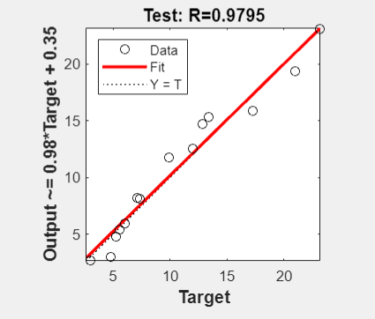
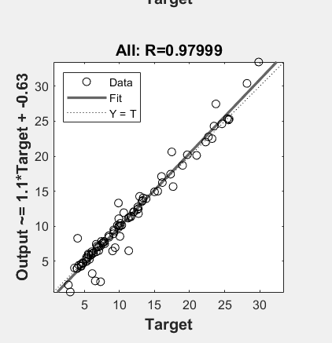
x1 | x2 | x3 | x4 | y1
500 | 60 | 800 | 1 | 12.88
500 | 60 | 500 | 1 | 9.91
500 | 10 | 800 | 0.5 | 7.34
2000 | 10 | 500 | 1 | 5.28
2000 | 25 | 800 | 1 | 21
500 | 60 | 800 | 2 | 12.02
500 | 45 | 100 | 1 | 5.55
2000 | 45 | 100 | 0.5 | 4.84
2000 | 45 | 800 | 0.5 | 23.2
500 | 10 | 500 | 0.5 | 6.02
2000 | 25 | 100 | 1.5 | 7.1
2000 | 25 | 100 | 0.5 | 3
2000 | 45 | 500 | 0.5 | 13.38
2000 | 25 | 800 | 0.5 | 17.29

val
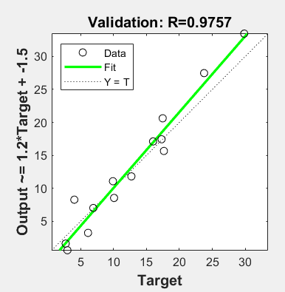
x1 | x2 | x3 | x4 | y1
500 | 45 | 100 | 2 | 4.05
2000 | 10 | 100 | 1 | 4.24
2000 | 60 | 100 | 2 | 12.08
500 | 10 | 500 | 1 | 6.69
500 | 25 | 800 | 1 | 9.86
2000 | 25 | 500 | 0.5 | 6.7
2000 | 10 | 800 | 1.5 | 13.32
2000 | 60 | 500 | 0.5 | 16.12
500 | 60 | 500 | 1.5 | 10.08
2000 | 25 | 100 | 1 | 6.13
2000 | 45 | 100 | 1 | 6.93
2000 | 60 | 500 | 1.5 | 22.68
500 | 25 | 500 | 2 | 8.48
2000 | 25 | 100 | 2 | 7.88

