rain attenuation calculation
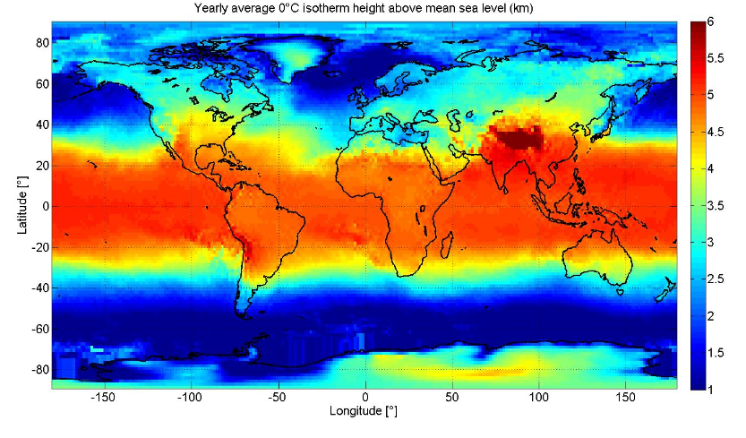
For this calculation and future calculations we chose Miami Florida (Miami, Florida KZMA 25.824644475ºN 80.319246501ºW -7.882 m) since it exhbits a combination of the worst communications conditions in the contiguous united states and is further east from galaxy 15. This is in relation to th galxy 15 waas satellite at 133 degress west longitude
Earth station Lattitude | 25.824644475 | ºN
Earth station Longitude | 80.319246501 | ºW
kh @ 76GHZ | 1.1185
ah @ 76GHZ | 0.7199
kh @ 86GHZ | 1.2398
ah @ 86GHZ | 0.7006
theta | 0.44017253236 | radians | see link budget calculation for elvation angle converted from degrees
hs | -0.007882 | km | Miami, Florida KZMA ground station height
h0 | 0.96 | km | given from figure from ITU-R P.839 files
hr | 1.32 | km | hr=h0+0.36km
Ls | 3.1163948464 | km | Ls=(hr-hs)/sin theta
LG | 2.8193343599 | km | LG = Ls cos theta
R0.01 | 95 | rainfall rate | maps of rainfall rate given in Recommendation ITU-R P.837. ZONE "N"
yR @ 76 GHZ | 29.675579728 | db/km | yR=k(R0.01)^a
yR @ 86 GHZ | 30.126230171 | db/km
r0.01 horizontal reduction factor @ 76 GHz | 1.6093269682
r0.01 horizontal reduction factor @ 86 GHz | 1.6093305089
ζ @ 76 GHZ | 0.28471257462 | degrees | zeta = tan^-1((hr-hs)/LG*r0.01)
ζ @ 86 GHZ | 0.28471198153 | degrees
LR | 3.1163948464 | km | LR=(hr-hs)/sin(theta)
χ | 0.17759345647 | radians
intermediate calculation for v0.01 @ 76 GHZ | 1.6649402791E-21
intermediate calculation for v0.01 @ 86 GHZ | 1.3100918086E-21
v0.01 @ 76 GHZ | 1.4159131235
v0.01 @ 86 GHZ | 1.4159131235
LE @ 76 GHZ | 4.412544361 | km | LE = LR v0.01
LE @ 86 GHZ | 4.412544361 | km
A0.01 @ 76 GZ | 130.94481199 | dB | A0.01 = yR*LE
A0.01 @ 86 GZ | 132.93332706 | dB
Frequency | kH | aH | kV | aV
(GHz)
72 | 1.0618 | 0.7293 | 1.0561 | 0.7171
73 | 1.0764 | 0.7268 | 1.0711 | 0.715
74 | 1.0908 | 0.7244 | 1.0857 | 0.713
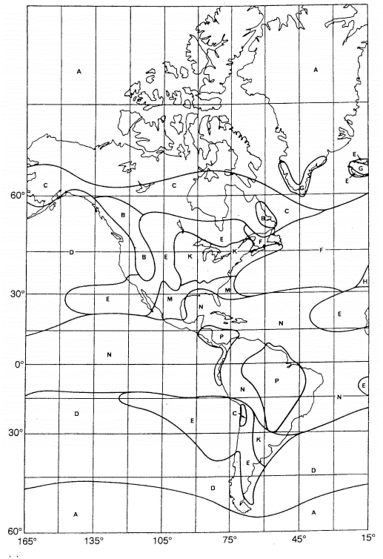
75 | 1.1048 | 0.7221 | 1.1 | 0.711
76 | 1.1185 | 0.7199 | 1.1139 | 0.7091
77 | 1.132 | 0.7177 | 1.1276 | 0.7073
78 | 1.1451 | 0.7156 | 1.141 | 0.7055
79 | 1.1579 | 0.7135 | 1.1541 | 0.7038
80 | 1.1704 | 0.7115 | 1.1668 | 0.7021
81 | 1.1827 | 0.7096 | 1.1793 | 0.7004
82 | 1.1946 | 0.7077 | 1.1915 | 0.6988
83 | 1.2063 | 0.7058 | 1.2034 | 0.6973
84 | 1.2177 | 0.704 | 1.2151 | 0.6958
85 | 1.2289 | 0.7023 | 1.2265 | 0.6943
86 | 1.2398 | 0.7006 | 1.2376 | 0.6929

gaseous attenuation
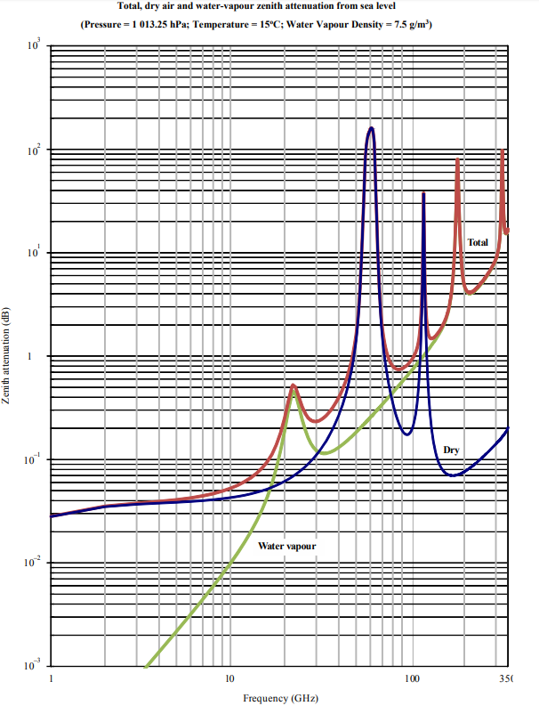
from ITU-R P.676-11 section 2.2

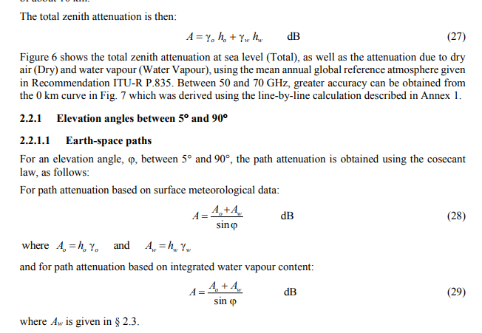
Ao @76 GHZ | 0.11111111111 | dB | Attenuation due to dry air
Aw @76 GHZ | 0.16666666667 | dB | Attenuation due to water vapor
Ao @86 GHZ | 0.14285714286 | dB
Aw @86 GHZ | 0.14285714286 | dB

A atmosphere @ 76GHZ | 0.65191427787 | dB
A atmosphere @ 86GHZ | 0.67054040009 | dB

Elevation angle in radians | 0.44017253236

