individ
 |  | LD1 | LD2 | LD3 | LD4 | LD5 | LD6 | LD7 | Potential Migrants
1 | PO010715_02 | -2.4172479 | 0.725682192 | 0.888101862 | 1.200604412 | 0.71505105 | -0.6122844559 | 0.49094229 | Sample ID | Origin | Cluster | Flagged? | TL(cm) | BL(cm) | BW(g) | SEX | Mat | GW | GSI | Otolith? |  | x
2 | PO010715_04 | -1.9765263 | 0.495001831 | -2.345019369 | 1.426265818 | -0.38090881 | 0.7584241611 | 0.30195283 | PO010715_11.1 | POH15 | BOR/SB | No | 41 | 37 | 1740.2 | 2 | 193.5 | 107.3 | 11.12 | yes
3 | PO010715_06.1 | -1.1962689 | -0.013343175 | -0.40479899 | 1.175561526 | -0.44144067 | -0.0863831548 | 0.18742227 | PO020515_06 | POH15 | BOR/SB | No | 74 | 68 | 4300 | 2 | 475.3 | 162.8 | 11.05 | yes
4 | PO010715_08.1 | -2.0376757 | -0.247453791 | -0.441437189 | -0.815412117 | -0.31364545 | 1.7462916765 | 0.44703847 | NA021015_13.1 | NAM15 | BOR/SB | No | 61.8 | 57.7 | 2700 | 2 |  | 599.5 | 22.204 | yes
5 | PO010715_10.1 | -2.1542856 | 1.085647937 | -0.440890358 | 0.733283887 | 0.56445867 | 1.1261565698 | 1.56704181 | NA021015_22.1 | NAM15 | BOR/SB | No | 61.5 | 57.4 | 1800 | 2 |  | 90.5 | 5.027777778 | yes
6 | PO010715_11.1 | 2.214713 | -1.870073546 | -0.221168603 | -0.846781853 | -0.17007258 | 0.1162785758 | 0.72228817 | NA021015_30 | NAM15 | BOR/SB | No | 55.5 | 50.9 | 1500 | 2 |  | 63.5 | 4.234 | yes
7 | PO010715_12 | -3.1239568 | 0.039407993 | 0.542478184 | 0.204918105 | -1.83024982 | -0.2191751948 | 1.04381485 | GE012315_04.1 | GE15 | BOR/SB | No | 63 | 58.6 | 2500 | 2 | - | - |  | yes
8 | PO010715_17.1 | -2.2436801 | -0.854064913 | 0.087324873 | 1.129552121 | -1.14126775 | -0.1527467271 | 2.09260757 | GEO020414_6 | GE14 | BOR/SB | No | 68.2 | 63.6 | 3481.2 | 2 | - | - |  | yes
9 | PO010715_19.1 | -1.9383157 | -0.272600049 | 0.290952229 | -1.168311815 | 0.26770468 | -0.0003511154 | 1.82959547 | JUK07_01 | JUK07 | BOR/SB | No. but next to BOR07_10 on the plate | 39 |  | 36 |  |  |  |  | noooooooo | proportion of missing loci
10 | PO010715_27.1 | -2.183103 | 0.324514196 | -0.059346764 | 1.278894415 | 0.95473235 | 1.4620509151 | 0.77679839 | JUK07_13 | JUK07 | BOR/SB | No. but DNA part degraded | 41 |  | 35 |  |  |  |  | noooooooo
11 | PO010715_28.1 | -2.9288273 | -0.481145522 | 1.306031729 | 2.012512337 | 1.12326307 | -0.1578995797 | 0.65956874 | JUK07_31 | JUK07 | SOUTH | ML Relate: half-sib with JB07_21.1. DNA part degraded | 50 |  | 42.5 |  |  |  |  | noooooooo
12 | PO010715_29.1 | -1.7723315 | -0.283142072 | 0.092351711 | 1.509185031 | -1.20569452 | 0.837920308 | 1.27823596
13 | PO020515_01 | -2.4972947 | 1.061929825 | -0.521075005 | -0.108139167 | 0.98604991 | 0.2310922857 | 0.16436095
14 | PO020515_03.1 | -2.6327202 | 0.146859158 | -0.476062577 | 0.13574358 | -1.20904209 | 0.7347801814 | -0.56142931
15 | PO020515_05.1 | -2.2978805 | -0.049577306 | -1.192835961 | -0.374859889 | 0.57815968 | 1.2301677546 | -0.38123561
16 | PO020515_06 | 2.3354476 | -2.374034472 | 0.569449019 | 0.056875164 | 1.01798097 | -0.744084237 | 0.44055061
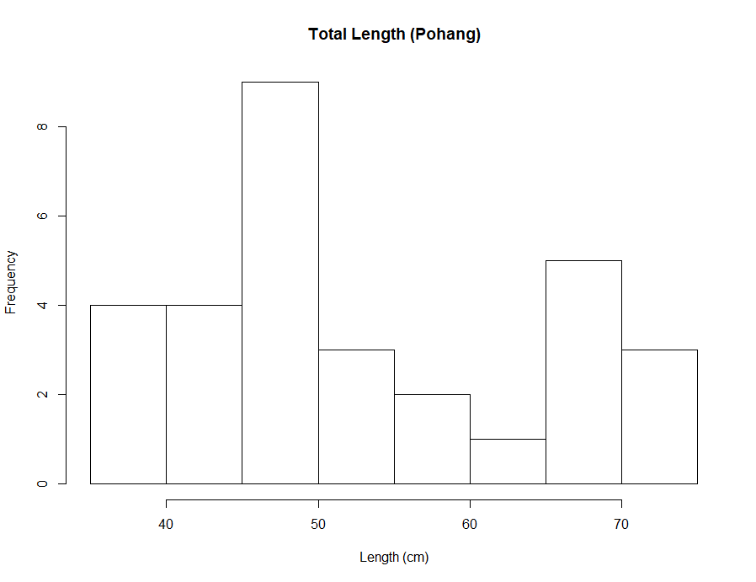
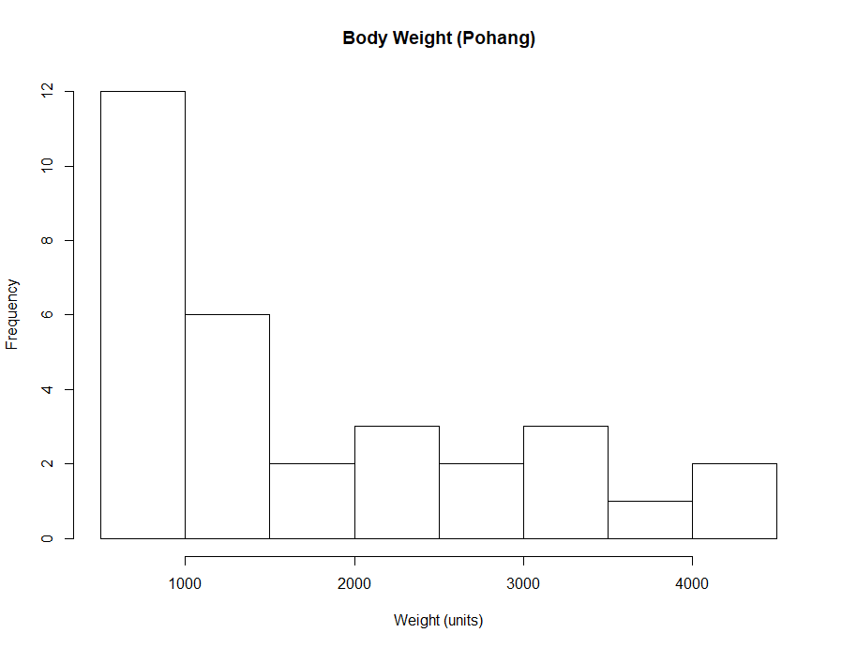
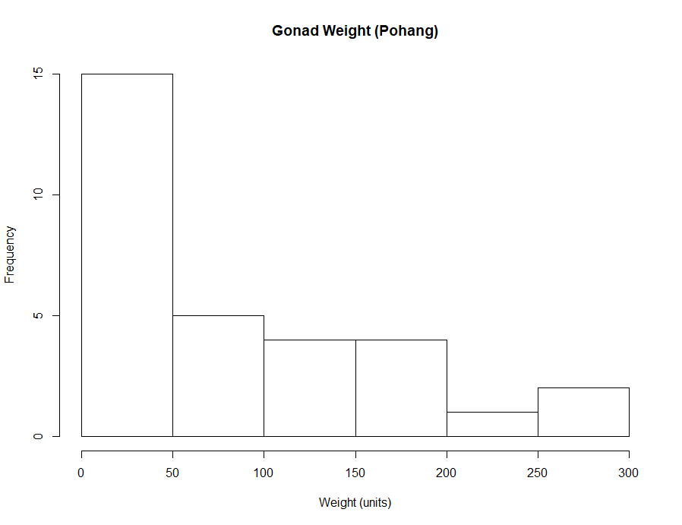
17 | PO020515_08.1 | -2.1967707 | 1.176454896 | -1.217214903 | -0.811903616 | -1.1052421 | 0.3654119339 | 1.14932746
18 | PO020515_09.1 | -1.9813212 | -0.226064841 | 0.402967254 | -0.593660434 | 0.04010387 | 2.3955405592 | 0.95794093
19 | PO020515_10.1 | -1.6188029 | 0.366996506 | -0.017596317 | 0.334423073 | 0.699326 | 1.3970939976 | -0.65831419
20 | PO020515_14.1 | -1.6102449 | 0.483075251 | -0.716073699 | -0.388277302 | -1.83460067 | -1.6875260977 | 1.22022167
21 | PO020515_15.1 | -2.3658856 | -0.078061494 | 1.012832256 | 1.190579512 | -1.38188914 | 1.0367126954 | 2.56115046
22 | PO020515_16.1 | -2.7299261 | 0.345707995 | 0.601950789 | 1.238086956 | 0.0518658 | 0.200113604 | 1.04768495
23 | PO020515_17.1 | -2.3634869 | -0.714945488 | 0.365668148 | 1.490167342 | 0.43131188 | 1.4229109014 | 0.44882461
24 | PO031715_03 | -1.2003938 | 0.494927327 | -0.60926077 | 1.874493889 | 1.13894542 | -0.3959805344 | 0.36677846
25 | PO031715_04 | -0.5620289 | 0.438109238 | -0.508198837 | -0.418718703 | -0.19454683 | 0.8134054812 | -1.20604036
26 | PO031715_13.1 | -1.4917212 | 0.361648529 | 0.845340301 | 0.217706943 | 0.57362145 | 0.4845495426 | 0.77463947
27 | PO031715_20.1 | -1.5778036 | 0.836831055 | -0.870952531 | 0.36593795 | -0.33778531 | -0.4660311077 | 0.72069378
28 | PO031715_23 | -2.2928657 | 0.095226526 | -0.359031406 | 0.729375994 | -2.06766362 | 0.1068266199 | -1.98663984
29 | PO031715_24 | -1.8635867 | 0.692513138 | -1.179909177 | 0.883772952 | 0.1326742 | 0.0302595501 | 0.26612643
30 | PO010715_26_2 | -3.0189925 | 0.869194177 | 0.746976798 | 0.793222992 | 0.10820294 | 1.2587746524 | 0.50767483
31 | PO010715_07_rep | -2.1816757 | 0.5607872 | 0.891571981 | 2.060576233 | 1.04186889 | -0.1522043367 | 1.75159063

32 | GE011215_01.1 | -2.3293529 | -0.174030492 | 2.950928539 | 0.934450267 | -0.1982119 | 0.592710329 | 0.07934741
33 | GE011215_07.1 | -2.343672 | -0.100365277 | 1.277528753 | 0.111131878 | 0.87018683 | 0.2977341883 | 0.21511193
34 | GE011215_08.1 | -2.6114159 | 0.272625376 | 2.361163684 | 0.209259753 | 1.1800214 | 1.7442720378 | 1.56199917
35 | GE011215_09.1 | -2.5169171 | 0.179738414 | 1.893975889 | 0.00293072 | 0.23002755 | -0.2066691072 | -0.31427851
36 | GE011215_10.1 | -2.8864035 | 0.858981933 | 2.044883402 | -0.121362404 | -0.2245667 | 0.5243815163 | 1.06533395
37 | GE011215_14.1 | -2.4047186 | 0.654147506 | 0.327191199 | -0.468646627 | -1.8387692 | 0.1644681857 | 0.56370632
38 | GE011215_15.1 | -2.9868424 | 1.016166711 | 0.47675918 | 0.539740608 | -0.48021545 | -0.591488953 | 0.12681964
39 | GE011215_16.1 | -2.5437479 | 0.676199556 | 0.27977868 | -1.077024924 | -1.69830141 | -0.3382050328 | -1.54562463
40 | GE011215_18 | -2.3536876 | 0.061907238 | 2.624505656 | -0.290848831 | -0.78836818 | -0.860911512 | -1.0037403
41 | GE011215_19 | -2.8792143 | 0.551400326 | 1.434723866 | -0.832798498 | -1.13642809 | -2.2767400467 | -0.35267855
42 | GE011215_20.1 | -3.4929817 | 1.215364361 | 1.82205255 | 0.743271465 | 0.54146147 | 0.5412197548 | -0.95512859
43 | GE011215_21.1 | -1.7175816 | 0.125907114 | 1.188385883 | 0.650020081 | -1.11922329 | -0.2975240599 | 0.34572174
44 | GE011215_22 | -2.2364791 | 0.786194702 | 2.793616329 | -2.605089295 | -0.43026564 | 0.749543712 | -0.41112002
45 | GE011215_24.1 | -2.6718243 | -0.12167802 | 0.007734088 | 2.133906101 | -1.82944702 | -0.5592610824 | -1.07219433
46 | GE011215_28 | -3.1085711 | 1.004353016 | 1.664719054 | 0.505027219 | 1.59230888 | 0.3105028597 | -1.05823222
47 | GE011215_29.1 | -3.3517866 | 0.41326496 | 1.282922028 | 0.063960353 | 0.46974064 | -0.3489819671 | 1.10542533
48 | GE011215_30.1 | -2.9532984 | -0.05074156 | 3.036730133 | 0.633863511 | 1.09031507 | -0.5273392792 | -0.32325433
49 | GE012315_01.1 | -2.8215026 | 0.056517246 | 1.58170833 | -0.288564268 | 0.31564626 | 0.338988812 | -0.66246643
50 | GE012315_03.1 | -2.1049597 | 0.922433009 | 3.176328881 | -0.229830288 | 1.21740394 | -1.0054747253 | 0.70234132
51 | GE012315_04.1 | 1.1822373 | -1.989951217 | 1.890414756 | 0.249313562 | 0.52117964 | -1.0195149029 | 0.42475633
52 | GE012315_05.1 | -1.2511847 | -0.192121628 | 4.411304875 | 0.700806915 | -0.91210903 | -2.7330857895 | -2.40416497
53 | GE012315_06.1 | -1.5951983 | -0.100501711 | 4.489896898 | 0.843727849 | -0.89608021 | -2.4249583784 | -2.49579654
54 | GE012315_08.1 | -1.8166178 | 0.207440229 | 1.991426165 | 1.096129796 | -1.01159904 | 0.7187108211 | 1.16723586
55 | GE012315_10.1 | -2.5513252 | 0.157789675 | 1.535507314 | -0.866714161 | -0.06607128 | -0.0759493069 | -0.23447882
56 | GE012315_17.1 | -2.123412 | 1.01735365 | 0.761516635 | -0.208522245 | -0.14540744 | 0.8661921623 | -0.74445374
57 | GE012315_20.1 | -3.0628431 | -0.006529622 | 3.444576173 | 0.290161879 | -0.2610702 | 0.2688243318 | 0.06731862
58 | GE012315_22.1 | -3.0944567 | 0.694948654 | 0.551034766 | -1.361612698 | 0.08884394 | -1.0246089203 | 1.08231608
59 | GEO012315_02 | -2.1649104 | 1.106784893 | 0.501569731 | 0.845686766 | -0.6507352 | -0.1503680629 | -1.20114057
60 | GEO012315_12 | -1.7437032 | -0.326140238 | 1.557137302 | 0.913517017 | -0.06849106 | 0.5059890753 | 0.16906383
61 | GEO012315_18 | -1.9115839 | 0.755494508 | 2.094056178 | -0.664011709 | 0.27429198 | 2.5576883539 | -0.49650599
62 | GEO012315_21 | -3.1167909 | 0.668523357 | 0.935189635 | 0.008732755 | 1.29252048 | -1.468494415 | 0.01182792
63 | GE011215_11 | -2.3211155 | 0.380420166 | 1.229940782 | 0.853044042 | 0.99481907 | 0.0578884566 | 0.14012404

64 | NA021015_02.1 | -1.7960517 | 0.198330197 | 0.358616439 | -0.236181134 | -0.31903075 | -0.6123264265 | 0.6646098
65 | NA021015_03.1 | -1.968189 | -0.513468858 | 2.179771685 | 0.806758488 | 1.62761932 | -0.957924056 | 1.63962664
66 | NA021015_08.1 | -1.9646949 | -0.109048589 | -0.253811182 | -0.093120205 | -0.83986632 | -0.7616179121 | 2.10779721
67 | NA021015_13.1 | 1.6165055 | -3.133071796 | 1.034162743 | -0.107764349 | 0.47756726 | -1.3076028047 | 0.24032579
68 | NA021015_14.1 | -1.494236 | -0.575150699 | 0.116939987 | 1.390699726 | 0.15533515 | 0.6348958589 | 0.48244699
69 | NA021015_16.1 | -1.3605517 | 0.75383211 | -1.009320666 | 0.60869713 | 0.98166947 | 0.3215441411 | 0.36991561
70 | NA021015_17.1 | -2.0520979 | 1.274719487 | -0.413032807 | -1.460898558 | -0.15525545 | 0.3606532671 | 0.16049872
71 | NA021015_21.1 | -1.968111 | 0.587792791 | -0.854908616 | 0.142353681 | 1.23075631 | 0.9164654501 | 0.3551263
72 | NA021015_22.1 | 2.3147845 | -2.651945909 | -0.077305568 | -0.309172204 | 0.23446807 | -0.0544276554 | 0.03387837
73 | NA021015_23 | -1.1777855 | 0.005409488 | 0.459250423 | -0.714357283 | 0.61709481 | -1.6892307906 | 1.60328038
74 | NA021015_25 | -1.2367236 | 0.514654218 | -1.400340422 | -0.670540221 | 0.55623788 | -1.2574121654 | 2.59527674
75 | NA021015_26 | -1.5774994 | -0.16504582 | -0.302008203 | 1.057440861 | -0.35272156 | 0.3337615033 | 1.64444125
76 | NA021015_30 | 2.3683084 | -3.102217464 | -0.461132492 | 0.017144186 | 1.85952894 | -1.3508779781 | 1.57519846

77 | YS_121316_01 | 3.5344583 | -3.595714805 | 0.216819238 | 0.875550194 | -1.3127706 | -0.8369814853 | 1.89401407
78 | YS_121316_03 | 3.1455367 | -3.124225487 | -1.441748576 | 1.166511705 | -0.3457511 | 0.0244589441 | 0.16033988
79 | YS_121316_05 | 3.9105616 | -4.2076592 | 1.38083428 | 1.673131809 | -1.98158382 | -0.7931282894 | -0.95045062
80 | YS_121316_13 | 3.0214425 | -2.874043808 | -0.393032029 | 0.12221291 | -1.69464306 | 0.7244202181 | 1.10786332
81 | YS_121316_17 | 2.2485793 | -3.350839836 | 0.646578372 | -0.419976527 | -0.20501216 | 0.5232570909 | 0.51701214
82 | YS_121316_18 | 3.0229326 | -2.6784314 | 0.760140736 | -0.532792654 | -1.07446845 | -1.4156175631 | 0.52729552
83 | YS_121316_22 | 3.2750138 | -2.688712026 | -0.724011727 | 0.5554573 | 0.67752334 | 0.1699321344 | -0.05116647
84 | YS_121316_23 | 3.299575 | -3.643104229 | 0.248598171 | 0.708394129 | -0.47424673 | -0.4721834855 | -0.18922807
85 | YS_121316_24 | 3.7529599 | -3.75987417 | -0.792500705 | 0.538632662 | 0.48752063 | -0.190184958 | 0.42194424
86 | YS_121316_25 | 2.1778342 | -3.456275339 | 0.394906829 | -0.368029981 | -0.10497959 | -0.519870031 | -1.31218511
87 | YS_121316_26 | 3.6845236 | -3.608318611 | 0.111763608 | 0.231919982 | -1.72719873 | -0.7339572074 | 0.09429736
88 | YS_121316_27 | 1.5699064 | -3.334381951 | 0.353870689 | -1.732405848 | -0.66573588 | -0.7642746474 | -0.49252892
89 | YS_121316_28 | 2.7949662 | -3.684805269 | -0.394277541 | -0.987235236 | 1.36172145 | -0.4087896538 | -0.87517946
90 | YS_121316_29 | 3.0211645 | -3.067302594 | -1.095692737 | -0.88692176 | -1.66345684 | -0.6243573661 | -2.29791061
91 | YS121315_08.1 | 3.5188294 | -2.82223513 | -0.491894457 | -0.156129899 | -1.09503621 | -0.1414130622 | 0.70434122
92 | YS121315_10.1 | 3.5022217 | -3.329055521 | -1.488148143 | -0.022043778 | -2.12201674 | -0.4085462581 | 0.43353619
93 | YS121315_12 | 4.0850976 | -3.339870251 | -1.651402472 | 0.807152046 | -1.84237934 | 0.8902070716 | -0.20792797
94 | YS121315_15 | 3.1039244 | -1.126729622 | 0.176070926 | -0.380520571 | -0.46051634 | -0.3374353252 | 0.30829737
95 | YS121315_16 | 2.1475903 | -3.691899104 | -1.280190901 | -0.036834757 | -2.96283515 | -0.4959188973 | 0.67180814
96 | YS121316_30 | 2.5423447 | -2.341300168 | 1.061158662 | 0.286675692 | -0.09212805 | -0.1755169127 | 0.07393828
97 | YS_121316_04 | 2.0185196 | -4.308348324 | -0.812752833 | 1.342747087 | -1.86156361 | -0.8849091974 | -0.63138568
98 | YS_121316_19 | 3.2401965 | -3.271328433 | -1.332616052 | 0.163969347 | -2.24563093 | -0.4237008475 | 0.9509594
99 | YS_121316_21_2 | 2.330984 | -3.477685501 | 0.874573769 | 0.07351933 | -1.5233864 | -0.211063063 | -0.42357642
100 | YS_121316_20_2 | 3.6434983 | -3.371373646 | 0.663661559 | 0.405612173 | -1.28804851 | -0.7427939305 | -0.29821725
101 | YS_121316_07 | 4.006076 | -4.573700941 | -0.485208097 | 0.396745311 | -0.74010613 | -0.5008959941 | -0.60847031

102 | JUK07_01 | 3.2949253 | -2.090289227 | 0.084510994 | -0.411927443 | 0.70348639 | 0.3869161209 | 0.12814833
103 | JUK07_02.1 | 6.9537888 | 4.370635354 | 0.603265365 | -1.667417281 | 0.42534015 | 0.9988863386 | -0.66883538
104 | JUK07_03 | 4.7549792 | 2.790065212 | -0.818451417 | -1.115332039 | -0.99727055 | 0.0198489637 | 0.23691635
105 | JUK07_06.1 | 7.3014451 | 3.297355181 | 2.672874414 | -1.118647875 | -0.60765127 | -0.1328664893 | -0.18474475
106 | JUK07_09.1 | 7.5135209 | 4.130983701 | -0.952838256 | 2.19818469 | -0.11844714 | 1.0986353952 | -0.88690233
107 | JUK07_14 | 5.5899788 | 5.232202011 | 0.30249386 | 0.872972627 | 0.57751775 | -0.9199293516 | 0.3844665
108 | JUK07_15 | 6.8313146 | 4.296460217 | -1.288849687 | -1.166318644 | 1.48812896 | -0.2698849063 | 0.60935936
109 | JUK07_16.1 | 6.2672094 | 4.049559272 | 0.422820665 | 0.134086584 | 0.13938694 | 0.644565222 | -1.68022599
110 | JUK07_17 | 5.8126478 | 4.22481636 | 0.089599958 | -1.414544557 | -0.09572952 | 0.9647512072 | -1.64553906
111 | JUK07_18 | 5.4532555 | 3.537873478 | -1.22840164 | -1.917493042 | 0.13337033 | 0.129295392 | -0.51447624
112 | JUK07_19 | 3.966486 | 3.90582572 | 0.374042464 | 0.275294885 | 0.98859186 | -1.0609220555 | 0.87101771
113 | JUK07_20 | 6.2798953 | 3.935483513 | -0.760223186 | 0.498862988 | 0.44972739 | -0.3304275284 | -1.3907366
114 | JUK07_22 | 5.366128 | 3.034891823 | -0.342619723 | -1.112716119 | -0.1001902 | 0.7317569029 | -0.48927856
115 | JUK07_25 | 5.301776 | 4.135053243 | 0.257326667 | 0.737557638 | -0.03508755 | -1.7688294106 | 0.08014015
116 | JUK07_26 | 6.3884072 | 5.482548551 | -0.135685036 | 2.108992267 | 1.30642876 | 0.604807485 | -0.07640154
117 | JUK07_27 | 7.0336771 | 3.516373089 | 1.276872134 | 1.12985502 | -1.4752915 | 1.7377027432 | 0.1254312
118 | JUK07_28 | 4.5376186 | 3.355356209 | 0.617346449 | -0.42327271 | 0.54656428 | -0.4271537743 | -0.51252658
119 | JUK07_29.1 | 7.9706526 | 5.281447756 | 2.401926179 | 0.524742116 | -0.93492639 | -0.7925591969 | 1.40648697
120 | JUK07_30 | 6.1180661 | 4.006963572 | 1.112491217 | 0.710495105 | -1.10697759 | 0.2248528037 | 0.18948066
121 | JUK07_32 | 6.2185625 | 4.163684616 | 0.467536322 | 0.461926567 | -1.09419559 | 0.3378952117 | -0.4122084
122 | JUK07_36.1 | 5.940725 | 4.05510102 | 0.469095939 | -0.475369116 | -0.58076887 | 1.9389266256 | 0.24114951
123 | JUK07_37.1 | 6.9806397 | 3.80631285 | -0.446925348 | -0.537658119 | -0.62623424 | -0.1163607639 | 0.32574708
124 | JUK07_10 | 5.8088474 | 4.528819238 | -0.829675566 | 0.028988345 | -0.82375392 | -0.3663965983 | 0.59095353
125 | JUK07_13 | 3.5528538 | -2.986489494 | -1.747665796 | 1.19095631 | -0.73597696 | -0.6511359766 | 0.53988621
126 | JUK07_21 | 6.4992784 | 4.80684588 | 0.185861486 | 0.21670826 | 0.96538415 | -0.39373752 | 1.28219942
127 | JUK07_23 | 6.802323 | 4.90454755 | -0.299793194 | 0.12959866 | -0.02124752 | -0.35439388 | 0.50161926
128 | JUK07_34 | 3.889937 | 2.62485832 | 1.523872385 | 0.9818695 | 1.09778627 | -0.83981851 | 0.19160294
129 | JUK07_04 | 5.8318675 | 4.06541916 | -0.559495104 | 0.06427071 | -0.42400425 | -0.63009008 | 0.49100837
130 | JUK07_12 | 5.0493279 | 3.13152341 | -0.45750877 | -0.66838246 | 0.17257142 | -0.4750359 | 0.42210479
131 | JUK07_31 | -0.2192578 | 0.97930934 | 0.303410924 | 0.02033405 | 0.85477593 | 1.19024613 | 0.1647019
132 | JUK07_11 | 4.911679 | 3.37748203 | -0.317995604 | 0.11360208 | -0.3134359 | -0.21666654 | 0.34879836
133 | JUK07_08 | 6.1824554 | 3.52220461 | 0.584818705 | 1.01580843 | 0.04993354 | -0.57998941 | -0.83711035
134 | JUK07_33 | 4.2332894 | -3.07161462 | -1.100312599 | -0.54810292 | -0.17713069 | -1.21478225 | 0.59590448

135 | JB121807_01 | -1.8076195 | 1.26136992 | -1.345294334 | 0.87541914 | -0.04034436 | 0.21465786 | 2.27536267
136 | JB121807_03.1 | -2.6096559 | 0.18125679 | -1.49526118 | -3.04429914 | 0.88829458 | -1.69408217 | -0.24608267
137 | JB121807_04.1 | -1.3947811 | -0.01986842 | -0.510297394 | -1.13167777 | -0.44031376 | -1.74546731 | -0.13770392
138 | JB121807_06.1 | -1.4076599 | 0.52421462 | 0.127486009 | -0.56682077 | -0.36984581 | 0.33658253 | -1.48568377
139 | JB121807_08 | -2.3615373 | 0.98760162 | -1.793997382 | -2.77140836 | 1.96539666 | -0.62422692 | -1.78999029
140 | JB121807_08_rep | -2.462932 | 0.92440147 | -1.790251685 | -2.76884208 | 1.95945511 | -0.66878251 | -1.79931518
141 | JB121807_11.1 | -1.8634801 | 1.05366562 | -0.448077053 | 0.14565796 | -0.99458814 | -1.09266059 | 1.43370209
142 | JB121807_12.1 | -2.9476103 | 0.59953817 | 0.792637852 | -0.687014 | 0.67716457 | 0.31134692 | -0.06669257
143 | JB121807_14.1 | -2.1757831 | -0.38753945 | -0.601241397 | -0.6207892 | 1.27875728 | 2.24676104 | -1.45190971
144 | JB121807_19.1 | -2.5836697 | 0.01445782 | 0.089930724 | 0.66214375 | -0.21553605 | 0.54889001 | 0.72654245
145 | JB121807_20.1 | -3.0605061 | 0.08539781 | 0.525994749 | -0.47921557 | 1.31067008 | -0.61300721 | 0.38620008
146 | JB121807_21.1 | -0.5130051 | 1.28447608 | -1.635439366 | -0.57916438 | 0.14636245 | 1.04751602 | 1.19812688
147 | JB121807_24.1 | -1.696838 | 0.27809271 | -0.258719902 | -0.89126845 | -1.43529786 | 1.2144356 | 1.74168902
148 | JB121807_25 | -3.3371258 | 0.86868609 | 0.240781499 | -1.57877532 | 0.02820872 | -1.33323948 | 0.29733598
149 | JB121807_28.1 | -0.9057159 | 0.85178431 | -0.590089605 | -0.35241095 | 0.32427047 | 1.93509733 | 0.29461879
150 | JB121807_31.1 | -1.7934321 | 0.33476014 | -0.94583741 | -2.30915206 | -0.4476347 | -0.29925984 | -1.50996035
151 | JB121807_32.1 | -2.9026624 | 0.54144189 | -0.159255209 | 0.32825046 | 0.07772161 | -0.96843221 | 0.73587888
152 | JB121807_33.1 | -1.594012 | -0.46252139 | -1.168389274 | -2.21052132 | -1.00435447 | -0.63600893 | -1.93460562
153 | JB121807_34.1 | -1.9838981 | 0.33486394 | 1.297412434 | -1.11114549 | -1.42479522 | 1.0531909 | -1.81549639
154 | JB121807_37 | -2.0321834 | 0.06130388 | -1.800600363 | 0.1472776 | 0.65604974 | -0.29841279 | 1.53105106
155 | JB121807_38.1 | -2.7583706 | -0.14162516 | 0.962699422 | 0.18906879 | 0.11355426 | 0.74748742 | -1.58876097
156 | JB121807_41.1 | -2.1532263 | 0.08805531 | -0.45936289 | -1.29706089 | 0.1651258 | -1.22536602 | -0.2219979
157 | JB121807_42 | -2.3008513 | 0.61037324 | -0.591181835 | -1.82425173 | -0.07655418 | 0.20419657 | 0.40192809
158 | JB121807_44 | -2.2777663 | 0.91979301 | -2.195246357 | -2.44840584 | 2.08721402 | -2.15324093 | 0.07153008
159 | JB121807_46 | -2.5090702 | 0.77322816 | -2.172596223 | -2.79708038 | 2.21510602 | -2.13559723 | -0.03847715
160 | JB121807_48.1 | -2.2377512 | 0.25339825 | -0.094587125 | 0.7082907 | 1.4926021 | -0.05741507 | 0.7962791
161 | JB121807_22_c | -1.7943786 | 0.36528175 | 0.157786791 | -0.89709886 | 0.98969581 | -1.85645316 | 0.19825152
162 | JB121807_26_c | -3.0137552 | 1.35083248 | -1.843319109 | -1.18054221 | -1.04244635 | -1.64890064 | 0.87918689
163 | JB121807_39 | -1.8150524 | 0.57311804 | -0.347090549 | -0.99673089 | -0.68151895 | -1.35655946 | -0.29787468
164 | JB121807_03_rep | -2.847071 | 0.13554846 | -1.500372846 | -2.83639476 | 0.83020082 | -1.78588141 | -0.47695117
165 | JB121807_05_2 | -1.3839738 | 0.11233955 | 0.134344417 | -1.51130287 | -0.98724561 | -0.28876062 | -1.72954193
166 | JB121807_35_2 | -2.5904653 | 1.29086622 | -0.796112687 | -0.17583274 | 0.02811344 | 0.27140647 | -0.54584309
167 | JB121807_47_2 | -0.9765375 | 0.26897138 | -1.576875445 | -0.6865215 | 0.10872576 | -0.053252 | 0.26763273
168 | JB121807_23_2 | -1.5701891 | 0.54455335 | 0.450698546 | 0.51005726 | -0.46646864 | -0.7259678 | 0.8067278
169 | JB121807_27_2 | -2.7507633 | 1.34477915 | 0.345478354 | 0.49418278 | -1.66672342 | -0.77694698 | -0.59497396
170 | JB121807_30_2 | -2.1283757 | 1.16198664 | 0.006436478 | -1.55868643 | -0.61370849 | -1.08434118 | 0.06375255
171 | JB121807_16_2 | -1.6420901 | 1.04189109 | -1.6148052 | -0.66581993 | -0.23727266 | -1.61784626 | 1.39649703
172 | JB121807_18 | -1.5429336 | -0.2923839 | 0.032712133 | 0.75029709 | 0.15588034 | 2.40921259 | 0.27322233
173 | JB121807_43 | -2.5746029 | 0.42974091 | 1.406058624 | -0.36712131 | -1.23335446 | -1.59920715 | 2.2931391
174 | JB121807_29 | -2.4711675 | 0.38433671 | -0.608212169 | -0.32779158 | 0.69910732 | -0.19910921 | -0.58881282

175 | JB021108_02.1 | -2.2666291 | 0.41093279 | -0.16917741 | -1.36258834 | -0.312237 | 2.36013738 | -0.96864526
176 | JB021108_04.1 | -3.124658 | -0.30927093 | 0.165239958 | -0.70730332 | -1.02797936 | 2.98026995 | -1.00972486
177 | JB021108_05 | -0.3216538 | 0.23423985 | -1.679671499 | -0.52742031 | -0.21897555 | 2.6201036 | -1.49001856
178 | JB021108_06 | -1.9319017 | 0.73291578 | -0.441552558 | -1.24564703 | -0.47536869 | 0.24085669 | 0.44661669
179 | JB021108_07.1 | -0.9024831 | 0.11902616 | -2.602995338 | 0.87373105 | -0.0326583 | 2.52586868 | 0.15991178
180 | JB021108_08.1 | -2.3409482 | 0.20963939 | 0.311793196 | 0.74147736 | -0.3804029 | 0.46281746 | 0.240567
181 | JB021108_09.1 | -1.0812369 | 0.49773843 | -0.080457593 | -1.3425364 | 0.77601225 | 0.82018221 | -0.16684899
182 | JB021108_12.1 | -1.3650361 | 0.68092733 | 1.084174266 | -0.32229178 | -1.13285281 | -0.82525024 | -0.30080432
183 | JB021108_13.1 | -0.1681399 | 0.24228606 | -0.898397928 | 0.08462735 | -1.9163553 | 2.19222344 | -0.71445539
184 | JB021108_16 | -2.4825454 | 0.71624165 | 1.626128176 | 0.74665228 | 0.92247093 | 0.59714777 | 0.71321882
185 | JB021108_17.1 | -3.2047299 | 0.12994551 | 1.233580187 | -1.56517213 | 0.64359385 | 0.65399908 | 0.25707716
186 | JB021108_19.1 | -2.3102982 | 0.06076672 | 0.031227182 | -2.80705733 | -1.1774545 | 0.88113076 | -0.22613652
187 | JB021108_22.1 | -0.734053 | 1.30555033 | 1.943937426 | -0.63173254 | -1.39282092 | -0.89421809 | -1.53738156
188 | JB021108_26.1 | -1.2541833 | 0.88808434 | 0.322146441 | -1.23861343 | 0.17734782 | 1.71646136 | 1.82370223
189 | JB021108_29 | -1.6388159 | 0.42418245 | -1.719223244 | -0.52314193 | 0.38120046 | 0.46069676 | 0.80360755
190 | JB021108_30 | -2.9013976 | 0.29650634 | 0.036694728 | 1.93947638 | -0.73365259 | 1.78652206 | -1.07671314
191 | JB021108_34 | -1.5101412 | 0.6065979 | 1.036399251 | -0.21467436 | -0.55105192 | 0.53677902 | -1.30208505
192 | JB021108_35_rep | -1.0893537 | -0.13051381 | -1.560712604 | 1.12315783 | -1.38724509 | 0.94970403 | -0.88572122
193 | JB021108_36.1 | -2.2136531 | -0.98527136 | -1.443307602 | 0.42121941 | -0.52751025 | 0.09792566 | -1.73924562
194 | JB021108_37.1 | -1.7417075 | 0.15304902 | 0.249370177 | -0.68441678 | 0.2422815 | 2.42780421 | -1.11102581
195 | JB021108_38.1 | -2.6436646 | 0.02837652 | 0.548111195 | -1.34972567 | -0.22846548 | -0.65692167 | -0.17584665
196 | JB021108_39 | -1.5983383 | 0.68641173 | -0.208001803 | 0.39895313 | 0.79201784 | 0.02314657 | 0.17995307
197 | JB021108_41.1 | -1.2962555 | -0.16813432 | -2.124156973 | -0.41093644 | -1.99690611 | -0.03962534 | -0.0744094
198 | JB021108_44.1 | -2.0757125 | 0.76777512 | -0.74914665 | 0.30050791 | -0.31887002 | 0.69576866 | 0.53024548
199 | JB021108_45 | -1.0792999 | -0.30970717 | 0.578593776 | -1.07744649 | -0.78663107 | -0.6727777 | 0.41462853
200 | JB021108_46.1 | -0.895078 | 0.43957431 | -0.95232753 | -0.17450784 | 1.65038533 | -0.06261608 | 0.98213399
201 | JB021108_47.1 | -1.7731125 | 0.95947262 | -1.548308375 | -0.04232511 | -0.21331264 | 0.05588701 | -0.39939037
202 | JB021108_48.1 | -2.7873952 | 0.46157792 | -0.495952248 | 0.75397346 | 0.96628901 | -0.77673065 | -0.84928982
203 | JB021108_24_c | -1.4943073 | 0.25648184 | -0.837235595 | -0.7334749 | -1.02141903 | -0.68590145 | 0.71753973
204 | JB021108_33_rep | -2.6451926 | 0.34106636 | 0.223740074 | -0.56958764 | -1.92447589 | 0.0603915 | -0.5566586
205 | JB021108_40_2 | -1.9807389 | 1.15932659 | -1.657738265 | -0.831935 | 0.33661847 | -0.40321442 | 1.19161029
206 | JB021108_14_2 | -1.2930039 | 0.45416893 | 0.863699742 | -0.08177206 | -1.0518323 | -0.71352928 | -2.71428258
207 | JB021108_25_2 | -1.5826181 | 0.21299213 | -1.894701976 | 0.20482429 | -0.24964054 | 2.47019814 | 1.38262685
208 | JB021108_31_2 | -1.8756074 | 1.41210169 | -2.420070405 | 0.63958207 | 0.73343217 | -0.63706429 | 0.46887731
209 | JB021108_23 | -1.9236974 | 0.09131883 | -0.926058436 | -0.84757813 | -0.94274829 | 1.45092675 | -2.22208613
210 | JB021108_11_rep | -1.7959398 | 0.44030605 | -0.242091805 | 0.03031145 | -0.75702475 | 0.53487407 | -0.93766735

211 | BOR07_02.1 | 3.2206943 | -3.77316077 | 1.957654021 | -1.01310994 | 1.70622367 | -1.09790003 | 0.21424924
212 | BOR07_03 | 3.492765 | -2.92633955 | -1.419119556 | 0.40955517 | 1.2462029 | -0.50341535 | 0.1984823
213 | BOR07_04 | 3.3571234 | -2.83662608 | 1.060796416 | -1.67238435 | 1.42254172 | -0.70002449 | 0.7533226
214 | BOR07_05.1 | 4.4377087 | -1.68901283 | 0.044494878 | -1.11658553 | 1.75279596 | -0.43742789 | -0.84857029
215 | BOR07_06.1 | 3.3394802 | -3.2873916 | -0.591729273 | -0.49447831 | 1.03494811 | 0.90392455 | -0.25841247
216 | BOR07_07.1 | 4.1092315 | -2.21755782 | -0.348770643 | -0.80730515 | 1.75109552 | 1.16718109 | -0.52830899
217 | BOR07_08.1 | 2.1591898 | -3.55220073 | -0.784837571 | 0.21190444 | -0.14743192 | -0.17709344 | 0.58754477
218 | BOR07_09 | 2.9591903 | -3.77256736 | -1.268102399 | -0.54747921 | -0.08448325 | 1.92639756 | -0.22173221
219 | BOR07_10.1 | 3.7356983 | -4.34931751 | 1.71626303 | -0.06439778 | 4.81209632 | 1.16405628 | -0.69270913
220 | BOR07_11.1 | 3.2648312 | -3.77648233 | 0.414523894 | -0.60496834 | 2.17774094 | 0.07795124 | -1.2821054
221 | BOR07_12.1 | 3.2484702 | -3.77661482 | 0.353419904 | -2.04167624 | 1.02635512 | 0.82266227 | -0.37130305
222 | BOR07_13.1 | 4.2567417 | -4.02868981 | 0.833116469 | -0.11323088 | 3.81969814 | 1.10082153 | -0.24690714
223 | BOR07_14 | 3.8004483 | -4.21607591 | 0.33949168 | 0.01620567 | 2.01666578 | 1.04057103 | -0.0078337
224 | BOR07_15 | 3.7233158 | -4.14789881 | -0.198271467 | 0.29849565 | 0.78335159 | 0.32493161 | 0.31761667
225 | BOR07_16 | 2.9905825 | -3.06996167 | -0.08981688 | 0.46975896 | 0.61536705 | 0.26815451 | 1.05031007
226 | BOR07_17.1 | 3.154285 | -2.973071329 | 0.13074535 | -0.136612236 | -0.17678827 | -0.9578825 | 0.46952291
227 | BOR07_18 | 3.313705 | -4.163513102 | -0.49270002 | 1.769592293 | -0.85658284 | 1.0425877 | -0.98918207
228 | BOR07_19.1 | 3.358263 | -2.962161286 | 1.30503179 | -0.99460723 | 0.06865874 | -0.5416962 | -0.92038132
229 | BOR07_20.1 | 2.702652 | -3.115026458 | 2.10209559 | 1.119124819 | -0.03326505 | 0.909975 | 0.74043023
230 | BOR07_22 | 3.605269 | -3.392116745 | 1.24822527 | -0.853895902 | 0.52500258 | 1.5623754 | -0.86015261
231 | BOR07_01_2 | 2.957437 | -2.687426777 | 0.65037825 | 0.674084848 | -0.30225321 | 0.554344 | 0.77200201
232 | BOR07_21_2 | 2.282488 | -3.048688963 | -0.20922579 | -0.924192883 | -0.04361957 | -0.216162 | -1.43263181

233 | GEO020414_11_300 | -2.572046 | 0.939805693 | 0.40103813 | 0.358131907 | 2.56011125 | -0.5057096 | -0.12436142
234 | GEO020414_13_300 | -2.00384 | 0.131601606 | -0.37635747 | -0.697385697 | -0.71811675 | -0.9074988 | 1.07797825
235 | GEO020414_14_300 | -2.336521 | 0.50835177 | -1.00473218 | 1.074112859 | -0.65184648 | -0.2734177 | 0.26037328
236 | GEO020414_15_300 | -1.51605 | -0.01639561 | -0.25967611 | -0.6166496 | -0.89710937 | 0.2153396 | -0.19441542
237 | GEO020414_16_300 | -2.363988 | 0.275269068 | -0.58526006 | 1.049128216 | -0.58520542 | 0.9343211 | -0.47156038
238 | GEO020414_17_300 | -1.959408 | 0.484403341 | 0.41770683 | 1.143359185 | -1.37404802 | -0.2181672 | -1.03772341
239 | GEO020414_2 | -1.515537 | -0.005162361 | -1.90125748 | 1.605532509 | 0.3266672 | -0.9501755 | 1.20327935
240 | GEO020414_23_300 | -2.874373 | 1.018287704 | 0.59965449 | 0.782286939 | 1.73537966 | 0.2143065 | -0.6567037
241 | GEO020414_24_300 | -1.800753 | -0.023983542 | -0.38849401 | 1.267388962 | -0.22413472 | -0.2224433 | -0.54315132
242 | GEO020414_25_300 | -1.300167 | 0.741271186 | 0.11280745 | 0.004070084 | -0.03043806 | -0.8728084 | 0.45559576
243 | GEO020414_26 | -2.062977 | 0.249761217 | -1.46211329 | 0.042020468 | 1.52608084 | 1.199473 | -0.09857139
244 | GEO020414_27 | -1.381794 | 0.547735189 | -1.70154815 | 0.174901668 | -1.12875749 | 0.6430974 | 0.56301466
245 | GEO020414_29 | -2.625024 | -0.081254303 | -0.86015968 | 1.601734279 | 0.12166648 | 1.7645746 | -0.83252013
246 | GEO020414_3 | -1.870631 | -0.111083812 | -1.84819042 | -0.352351681 | -1.76628186 | -0.5830966 | -0.61842399
247 | GEO020414_4 | -1.604945 | 0.012521011 | -0.99882274 | 0.279371398 | 0.16179778 | -1.3822523 | -0.36762833
248 | GEO020414_5 | -2.198084 | 0.378819213 | -1.50078443 | 0.088506017 | 1.28294742 | 1.0156903 | -2.32488132
249 | GEO020414_6 | 1.37037 | -2.195837022 | -0.8570033 | 1.131984225 | 2.71089719 | 0.3357181 | 2.04811953
250 | GEO020414_7 | -1.326139 | 0.798869403 | 0.53119671 | 1.210901565 | 1.18067268 | 1.2902212 | -0.02804144
251 | GEO020414_8 | -2.15029 | 0.769826262 | -1.84143244 | 4.155800587 | 1.4737464 | -1.9469742 | -4.19376245
252 | GEO020414_8_300 | -2.271495 | 0.695982724 | -1.88715459 | 4.092648951 | 1.53596601 | -1.9602347 | -4.11576545
253 | GEO020414_9 | -1.762565 | 0.744614613 | -2.82829293 | 3.786159 | 1.23834174 | -2.5027647 | -1.22806109
254 | GEO020414_9_300 | -1.764761 | 0.87746404 | -2.87208896 | 4.100175913 | 1.28649926 | -2.4731506 | -1.22219191
255 | GEO020414_10_2 | -1.775331 | 0.180725055 | -0.93882516 | 0.911280796 | 0.79690449 | -0.3190858 | 0.33425967
256 | GEO020414_30_2 | -2.636566 | 0.174070623 | 0.43619376 | 1.195328609 | 0.1584807 | -0.6700027 | 0.10764832

