Flight Plan Budget
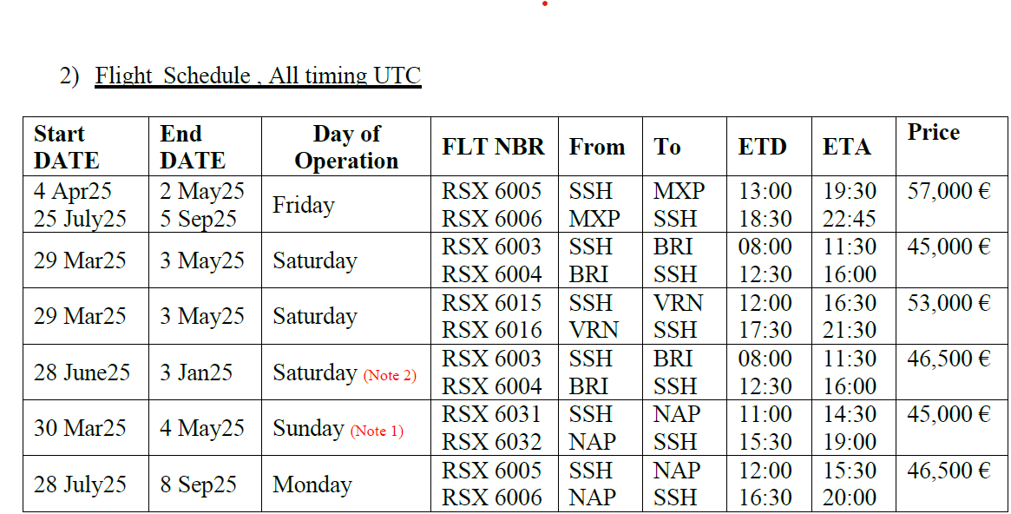
OB DOW | IB DOW | START | END | ORGN | DEST | Charter Cost | Add-on | Divisor | SELLING | SCHED_ID | ROTATION | ROUTING | Net Cost | Aircraft | Y Capacity | J Capacity | Benchmark | Remarks | Carrier
6 | 6 | 29-Mar-25 | 29-Mar-25 | SSH | BRI | 0 € | 0 € | 0 | 0 € | E25-01 | 1 | SSH-BRI-SSH | 0 € | B738 | 186 |  | 0 € |  | Red Sea
6 | 6 | 5-Apr-25 | 12-Apr-25 | SSH | BRI | 31,000 € | 0 € | 1 | 62,000 € | E25-02A | 2 | SSH-BRI-SSH | 62,000 € | B738 | 93 |  | 667 € |  | Red Sea
6 | 6 | 19-Apr-25 | 3-May-25 | SSH | BRI | 45,000 € | 0 € | 2 | 67,500 € | E25-02B | 3 | SSH-BRI-SSH | 135,000 € | B738 | 186 |  | 363 € |  | Red Sea
7 | 7 | 30-Mar-25 | 13-Apr-25 | SSH | NAP | 22,850 € | 0 € | 2 | 22,850 € | E25-03A | 2 | SSH-NAP-SSH | 45,700 € | A320 | 100 |  | 229 € |  | Air Cairo
7 | 7 | 13-Apr-25 | 4-May-25 | SSH | NAP | 45,000 € | 0 € | 3 | 60,000 € | E25-03B | 4 | SSH-NAP-SSH | 180,000 € | B738 | 186 |  | 323 € |  | Red Sea
7 | 7 | 4-May-25 | 11-May-25 | SSH | NAP | 17,000 € |  | 1 | 17,000 € | E25-03C | 1 | SSH-NAP-SSH | 17,000 € | A320 | 50 |  | 340 € |  | Air Cairo
5 | 5 | 18-Apr-25 | 2-May-25 | SSH | MXP | 57,000 € | 0 € | 2 | 85,500 € | E25-04 | 3 | SSH-MXP-SSH | 171,000 € | B738 | 186 |  | 460 € |  | Red Sea
6 | 6 | 5-Apr-25 | 12-Apr-25 | SSH | VRN | 31,000 € | 0 € | 1 | 62,000 € | E25-05A | 2 | SSH-VRN-SSH | 62,000 € | B738 | 93 |  | 667 € |  | Red Sea
6 | 6 | 19-Apr-25 | 3-May-25 | SSH | VRN | 53,000 € | 0 € | 2 | 79,500 € | E25-05B | 3 | SSH-VRN-SSH | 159,000 € | B738 | 186 |  | 427 € | Direct | Red Sea
6 | 6 | 19-Apr-25 | 3-May-25 | SSH | PMO | 0 € | 0 € | 2 | 0 € | E25-06 | 3 | SSH-PMO-SSH | 0 € | B738 | 93 |  | 0 € |  | Red Sea
5 | 5 | 18-Apr-25 | 2-May-25 | SSH | NAP | 46,700 € | 0 € | 2 | 70,050 € | E25-08 | 3 | SSH-NAP-SSH | 140,100 € | B738 | 186 |  | 377 € |  | Red Sea
5 | 5 | 18-Apr-25 | 2-May-25 | SSH | CAG | 30,000 € | 0 € | 2 | 45,000 € | E25-09A | 3 | SSH-CAG-SSH | 90,000 € | A320 | 175 |  | 257 € |  | Sky Vision
5 | 5 | 18-Apr-25 | 2-May-25 | SSH | NAP | 30,000 € | 0 € | 2 | 45,000 € | E25-09B | 3 | SSH-NAP-SSH | 90,000 € | A320 | 175 |  | 257 € |  | Sky Vision
6 | 6 | 3-May-25 | 3-May-25 | SSH | CIY |  |  | 0 | 0 € | E25-10 | 1 | SSH-CIY-SSH | 0 € | A320 | 29 |  | 0 € |  | Sky Vision
6 | 6 | 21-Jun-25 | 3-Jan-26 | SSH | BRI | 46,500 € | 0 € | 25 | 50,220 € | S25-01 | 27 | SSH-BRI-SSH | 1,255,500 € | B738 | 186 |  | 270 € | Previously 218 capacity | Red Sea
5 | 5 | 8-Aug-25 | 22-Aug-25 | SSH | MXP | 2,136 € | 0 € | 2 | 1,068 € | S25-02 | 1 | SSH-MXP-SSH | 2,136 € | B738 | 4 |  | 267 € | Previously till 29NOV | Red Sea
5 | 5 | 1-Aug-25 | 5-Sep-25 | SSH | BRI | 45,580 € | 0 € | 5 | 54,696 € | S25-03 | 6 | SSH-BRI-SSH | 273,480 € | A320 | 179 |  | 306 € | Previously start 25JUL25 | Nesma
6 | 6 | 26-Jul-25 | 8-Nov-25 | SSH | VRN | 61,000 € | 0 € | 15 | 65,067 € | S25-04 | 16 | SSH-VRN-SSH | 976,000 € | A321 | 218 |  | 298 € | Previously till 30NOV, FLT# NE7310/11/extended from 13 sep till 08 nov | Al Masria
7 | 7 | 27-Jul-25 | 30-Nov-25 | SSH | FCO | 0 € | 0 € | 18 | 0 € | S25-05 | 19 | SSH-FCO-SSH | 0 € | A320 | 174 |  | 0 €
7 | 7 | 27-Jul-25 | 21-Sep-25 | SSH | NAP | 47,680 € | 0 € | 8 | 53,640 € | S25-06 | 9 | SSH-NAP-SSH | 429,120 € | A320 | 179 |  | 300 € |  | Nesma
1 | 1 | 28-Jul-25 | 8-Sep-25 | SSH | NAP | 47,680 € | 0 € | 6 | 55,627 € | S25-07 | 7 | SSH-NAP-SSH | 333,760 € | A320 | 174 |  | 320 € |  | Nesma
1 | 1 | 28-Jul-25 | 8-Sep-25 | SSH | NAP | 46,500 € | 0 € | 6 | 54,250 € | S25-08 | 7 | SSH-NAP-SSH | 325,500 € | B738 | 186 |  | 292 € |  | Red Sea
1 | 1 | 28-Jul-25 | 8-Sep-25 | SSH | MXP | 0 € | 0 € | 6 | 0 € | S25-09 | 7 | SSH-MXP-SSH | 0 € | A320 | 175 |  | 0 €
3 | 3 | 30-Jul-25 | 3-Sep-25 | RMF | MXP | 75,000 € | 0 € | 5 | 90,000 € | S25-10 | 6 | RMF-MXP-RMF | 450,000 € | A320 | 177 |  | 508 € | New Flight | Al Masria
5 | 5 | 1-Aug-25 | 29-Aug-25 | SSH | CAG | 0 € | 0 € | 4 | 0 € | S25-11 | 5 | SSH-CAG-SSH | 0 € | A320 | 174 |  | 0 € | New Flight
1 | 1 | 11-Aug-25 | 1-Sep-25 | SSH | NAP | 53,000 € | 0 € | 3 | 70,667 € | S25-12 | 4 | SSH-NAP-SSH | 212,000 € | A321 | 218 |  | 324 € |  | Al Masria
1 | 1 | 21-Jul-25 | 8-Sep-25 | HRG | NAP | 48,000 € | 0 € | 7 | 54,857 € | S25-13 | 8 | HRG-NAP-HRG | 384,000 € | A320 | 176 |  | 312 € |  | Nile Air
1 | 1 | 22-Dec-25 | 5-Jan-26 | SSH | NAP | 47,000 € | 0 € | 2 | 70,500 € | S25-14 | 3 | SSH-NAP-SSH | 141,000 € | A320 | 174 |  | 405 € |  | Al Masria
5 | 5 | 25-Jul-25 | 5-Sep-25 | SSH | FCO | 52,500 € | 0 € | 6 | 61,250 € | S25-15 | 7 | SSH-FCO-SSH | 367,500 € | B738 | 186 |  | 329 € |  | Red Sea
7 | 7 | 20-Jul-25 | 2-Nov-25 | SSH | PMO | 8,700 € | 0 € | 15 | 9,280 € | S25-16 | 16 | SSH-PMO-SSH | 139,200 € | A321 | 20 |  | 464 € | Seat blocks from ITALGSA | Al Masria
1 | 1 | 21-Jul-25 | 15-Sep-25 | SSH | PMO | 47,000 € | 0 € | 8 | 52,875 € | S25-17 | 9 | SSH-PMO-SSH | 423,000 € | A320 | 179 |  | 295 € |  | Sky Vision
2 | 2 | 5-Aug-25 | 2-Sep-25 | SSH | PSA | 14,850 € | 0 € | 4 | 18,563 € | S25-18 | 5 | SSH-PSA-SSH | 74,250 € | A320 | 30 |  | 619 € |  | Sky Vision
7 | 7 | 21-Sep-25 | 2-Nov-25 | SSH | NAP | 10,914 € | 0 € | 6 | 12,733 € | S25-19 | 7 | SSH-NAP-SSH | 76,400 € | A320 | 40 |  | 318 € | Reprotected seats for Enzo and to publish | Air Cairo
3 | 3 | 6-Aug-25 | 3-Sep-25 | SSH | NAP | 4,320 € | 0 € | 4 | 4,320 € | S25-20 | 4 | SSH-NAP-SSH | 17,280 € | A320 | 12 |  | 360 € | 12Y published on Genius and Searcharter | Nesma
4 | 4 | 17-Jul-25 | 18-Sep-25 | SSH | CIY |  | 0 € | 9 | 0 € | S25-21 | 10 | SSH-CIY-SSH | 0 € | B734 | 166 |  | 0 € |  | Al Masria
5 | 5 | 25-Jul-25 | 12-Sep-25 | SSH | VRN | 53,000 € | 0 € | 7 | 60,571 € | S25-22 | 8 | SSH-VRN-SSH | 424,000 € | A320 | 179 |  | 338 € |  | Sky Vision
6 | 6 | 20-Sep-25 | 1-Nov-25 | SSH | VRN | 60,000 € | 0 € | 6 | 70,000 € | S25-23 | 7 | SSH-VRN-SSH | 420,000 € | A320 | 174 |  | 402 € |  | Al Masria
4 | 4 | 17-Jul-25 | 11-Sep-25 | SSH | CTA | 46,780 € | 0 € | 8 | 0 € | S25-24 | 9 | SSH-CTA-SSH | 421,020 € | A320 | 179 |  | 0 € |  | Nesma
4 | 4 | 31-Jul-25 | 4-Sep-25 | SSH | BLQ | 53,000 € | 0 € | 5 | 63,600 € | S25-26 | 6 | SSH-BLQ-SSH | 318,000 € | A320 | 179 |  | 355 € |  | Sky Vision
6 | 6 | 2-Aug-25 | 13-Sep-25 | SSH | BRI | 40,000 € | 0 € | 6 | 46,667 € | S25-27 | 7 | SSH-BRI-SSH | 280,000 € | B734 | 165 |  | 283 € |  | Al Masria
6 | 6 | 29-Mar-25 | 29-Mar-25 | JED | VIE | 500 € | 0 € | 0 | 0 € | U25-01 | 1 | JED-VIE | 500 € | A321 | 1 |  | 0 € |  | Wizz Air

