Sheet1
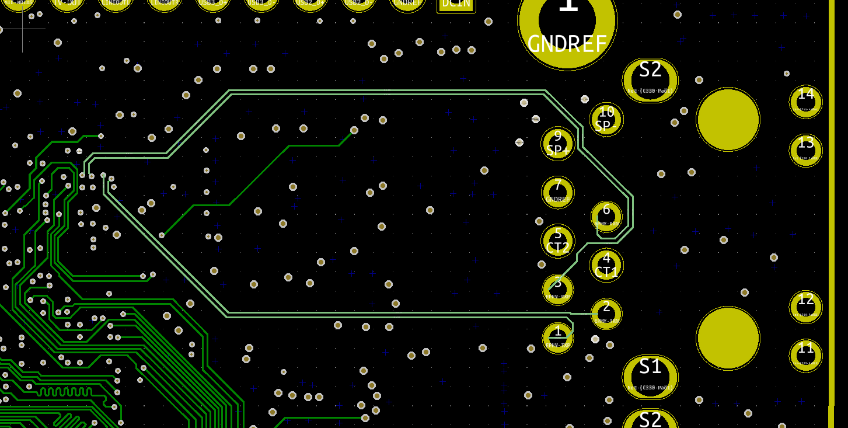
PCB Stack Up

No. of Layers | 8

 | Material | Thickness(mm) | Dielectric Material | Dielectric Constant

Top OverLay
Top Solder |  | 0.01016
Top Layer | Copper | 0.018
Dielectric | Prepreg | 0.18 | FR4 | 4.2
VCC | Copper | 0.035
Dielectric | Prepreg | 0.18 | FR4 | 4.2
High Speed | Copper | 0.035
Core | Core | 0.22 | FR4 | 4.2
GND | Copper | 0.035
Dielectric | Prepreg | 0.18 | FR4 | 4.2
GND | Copper | 0.035
Core | Core | 0.22 | FR4 | 4.2
High Speed | Copper | 0.035
Dielectric | Prepreg | 0.18 | FR4 | 4.2
VCC | Copper | 0.035
Dielectric | Prepreg | 0.18 | FR4 | 4.2
Bottom Layer | Copper | 0.035
Bottom Solder |  | 0.01016
Bottom Overlay
Total |  | 1.62332

Impedance Control

1)
Layer | TOP
Impedance | 50 OHMS | Singel Ended
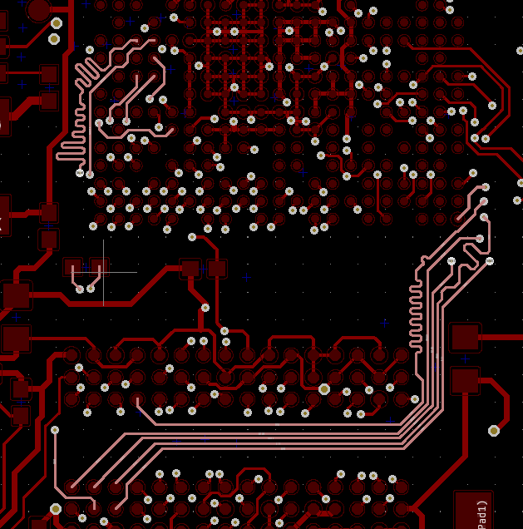

2)
Layer | Layer 3
Impedance | 50 OHMS | Singe Ended
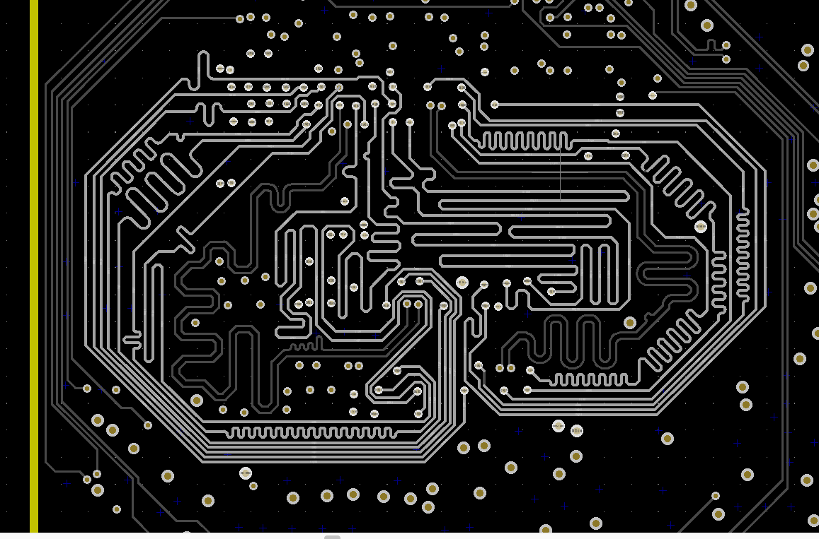

3)
Layer | Layer 3
Impedance | 100 OHMS | Differential


4)
Layer | Layer 6
Impedance | 50 OHMS | Singe Ended
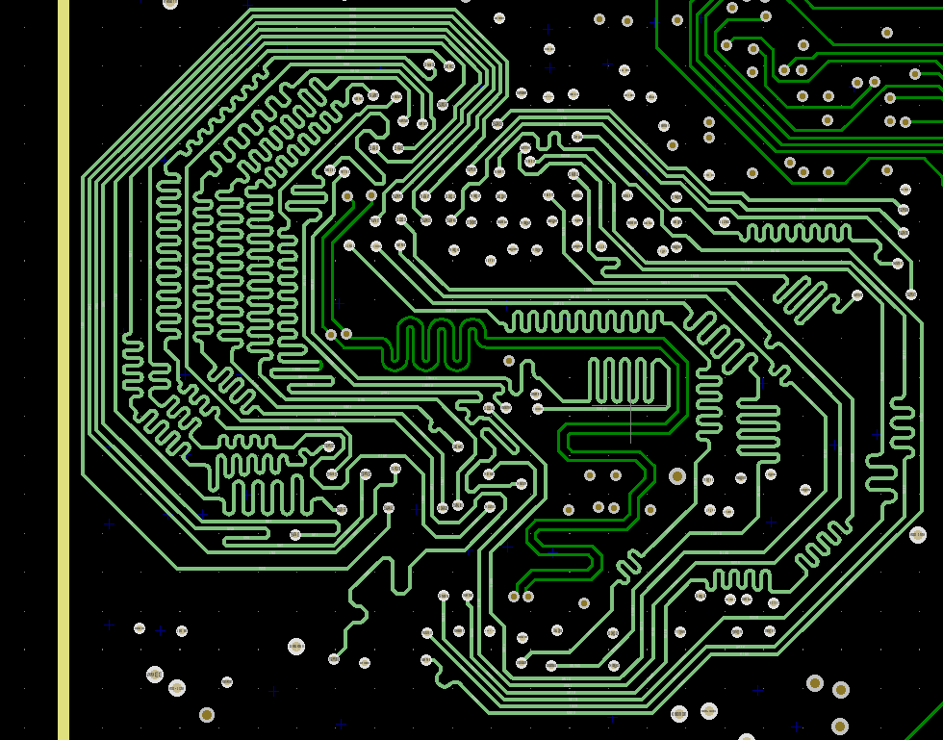

5)
Layer | Layer 6
Impedance | 100 OHMS | Differential
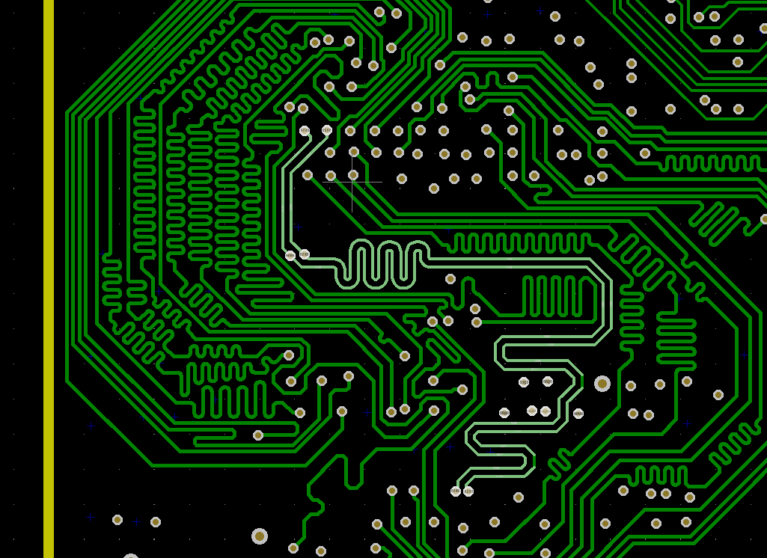

6)
Layer | Layer 3
Impedance | 90 OHMS | Differential
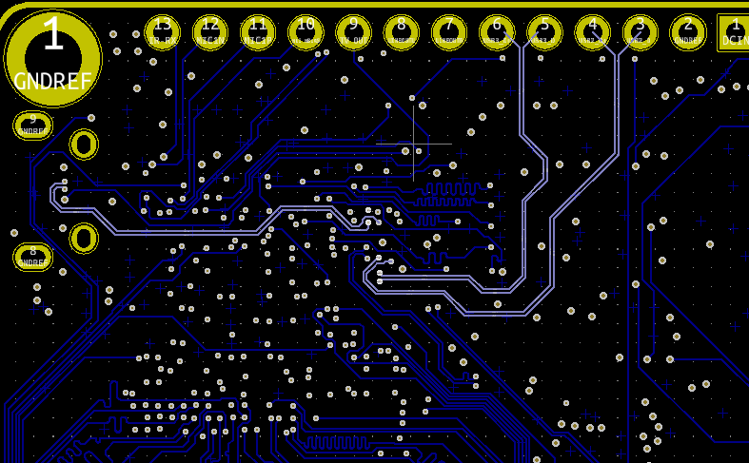

6)
Layer | Layer 3
Impedance | 100 OHMS | Differential
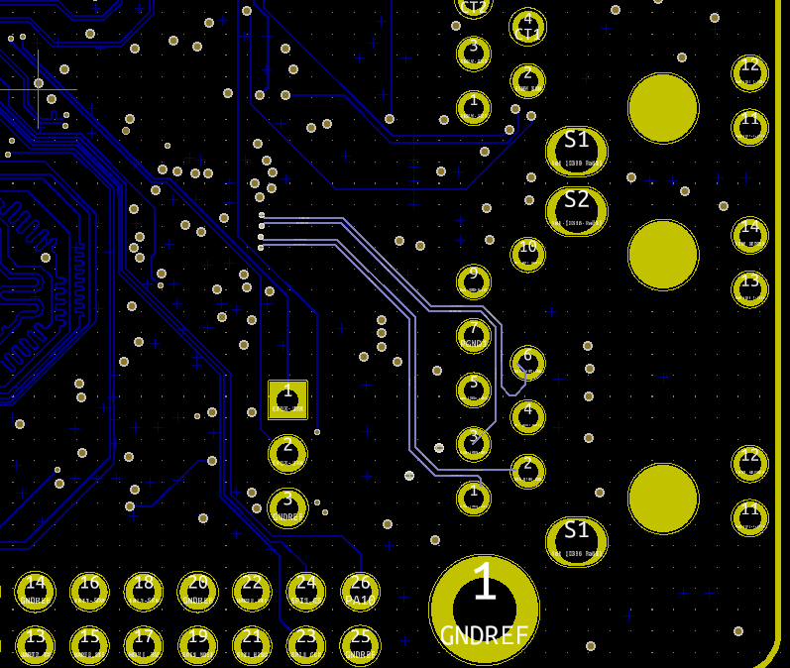

7)
Layer | Layer 6
Impedance | 100 OHMS | Differential

