Gantt
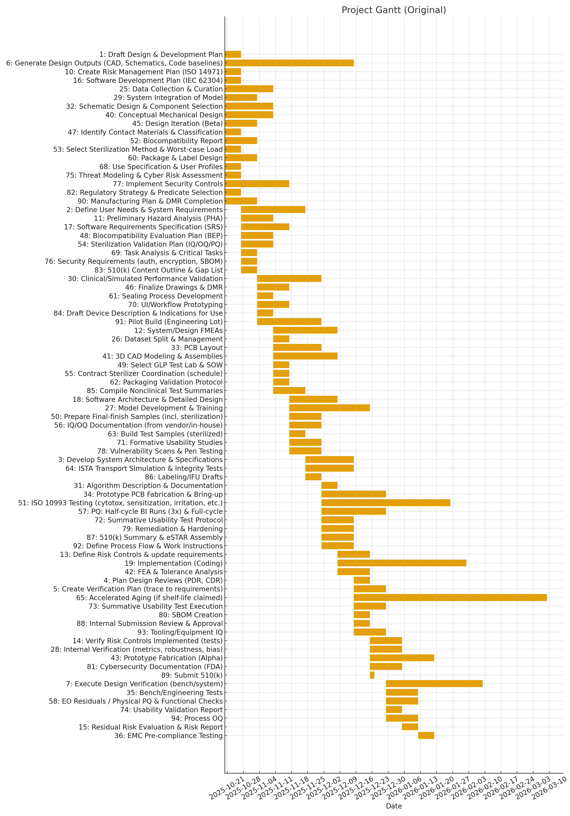
Gantt (Original)

Gantt (Leveled)

Gantt (Leveled by Resource)

