New Correlation 1
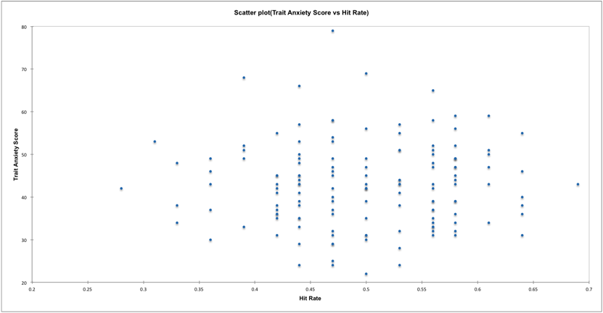
XLSTAT 2018.5.52460 - Correlation tests - Start time: 8/20/2018 at 6:12:54 PM / End time: 8/20/2018 at 6:12:56 PM / Microsoft Excel 14.417703
Observations / Quantitative variables: Workbook = Workbook1 / Sheet = Sheet1 / Range = Sheet1!$B$1:$C$144 / 143 rows and 2 columns
Type of correlation: Pearson

Summary statistics (Quantitative data):

Variable | Observations | Obs. with missing data | Obs. without missing data | Minimum | Maximum | Mean | Std. deviation
Hit Rate | 143 | 0 | 143 | 0.280 | 0.690 | 0.498 | 0.080
Trait Anxiety Score | 143 | 0 | 143 | 22.000 | 79.000 | 42.874 | 9.872

Correlation matrix (Pearson):

Variables | Hit Rate | Trait Anxiety Score
Hit Rate | 1 | 0.015
Trait Anxiety Score | 0.015 | 1
Values in bold are different from 0 with a significance level alpha=0.05

p-values (Pearson):

Variables | Hit Rate | Trait Anxiety Score
Hit Rate | 0 | 0.859
Trait Anxiety Score | 0.859 | 0

Coefficients of determination (Pearson):

Variables | Hit Rate | Trait Anxiety Score
Hit Rate | 1 | 0.000
Trait Anxiety Score | 0.000 | 1

