Benign Samples
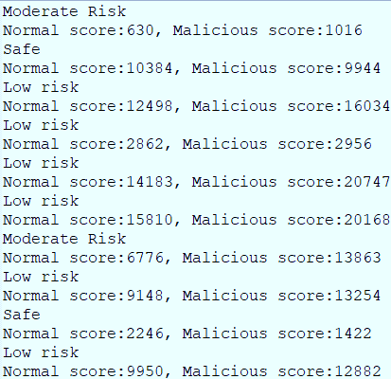
SAMPLE | RESULT
Among Us
Windscribe VPN
Truecaller
Authy
MX Player
Meme Generator
Nova Launcher
ASOS Fashion
Tuner
Turbo VPN

Malware Samples
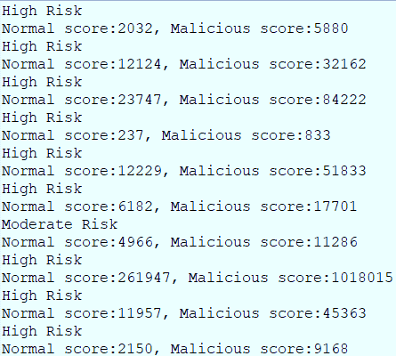
SAMPLE | RESULT
Adware sample (selfmite)
Adware sample (shuanet)
Adware sample (youmi)
Ransomware sample (Simplocker)
Ransomware sample (Svpeng)
Ransomware sample (Wannalocker)
Scareware sample (penetho)
Scareware sample (virusShield)
SMS-Malware sample (SMSsniffer)
SMS-Malware sample (Zsone)

