Sheet1
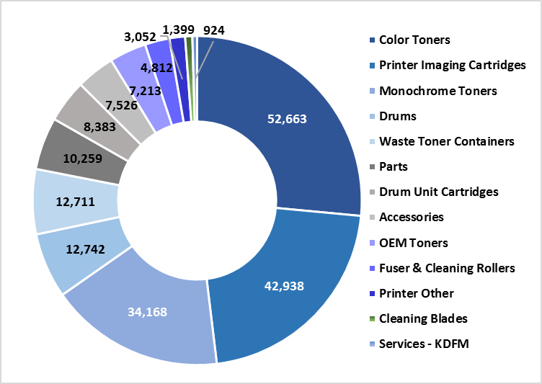
 | Sales | Sales
Color Toners | 26.5% | 52663
Printer Imaging Cartridges | 21.6% | 42938
Monochrome Toners | 17.2% | 34168
Drums | 6.4% | 12742
Waste Toner Containers | 6.4% | 12711
Parts | 5.2% | 10259
Drum Unit Cartridges | 4.2% | 8383
Accessories | 3.8% | 7526
OEM Toners | 3.6% | 7213
Fuser & Cleaning Rollers | 2.4% | 4812
Printer Other | 1.5% | 3052
Cleaning Blades | 0.7% | 1399
Services - KDFM | 0.5% | 924

