Sheet1
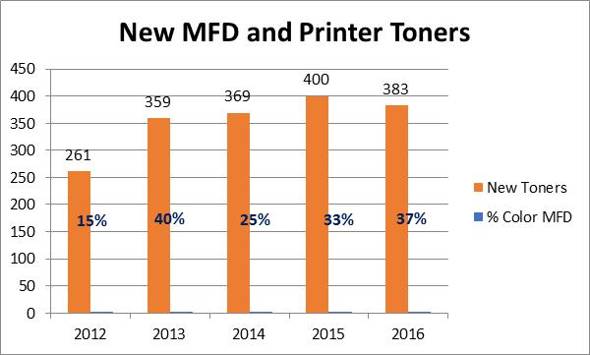
 | New Toners | % Color MFD
2012 | 261.0 | 15%
2013 | 359.0 | 40%
2014 | 369.0 | 25%
2015 | 400.0 | 33%
2016 | 383.0 | 37%

