Sheet1
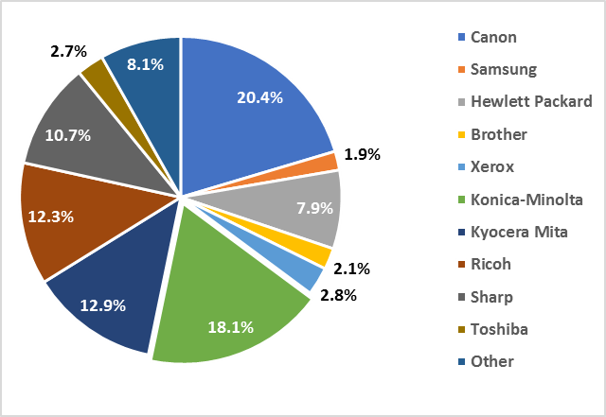
 | Sales
Canon | 20.4%
Konica Minolta | 18.1%
Kyocera Mita | 12.9%
Ricoh | 12.3%
Sharp | 10.7%
Other | 8.2%
HP | 7.9%
Xerox | 2.8%
Toshiba | 2.7%
Brother | 2.1%
Samsung | 1.9%

