Sheet1
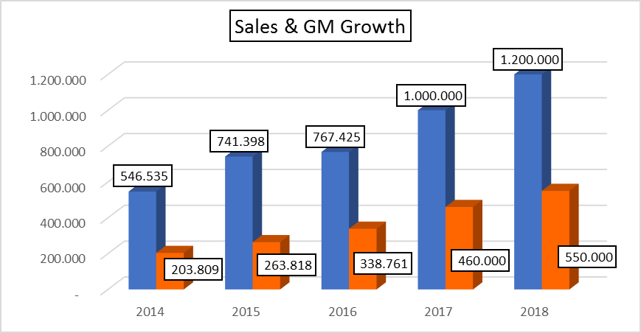
 | Sales | GM Growth
2014 | 547 | 204
2015 | 741 | 264
2016 | 767 | 339
2017 | 1,000 | 460
2018 | 1,200 | 550

