2023_Global_OC_Index
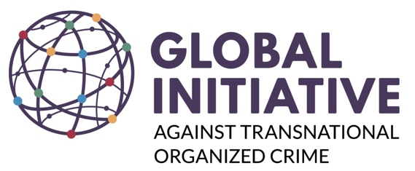 | GLOBAL ORGANIZED CRIME INDEX - 2023
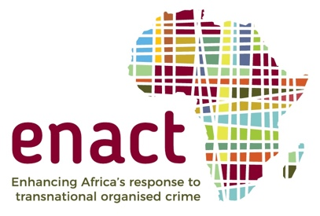  | Based on the 2019 ENACT Organised Crime Index for Africa, the Global Organized Crime Index is a key flagship project of the Global Initiative against Transnational Organized Crime. It is a multi-dimensional tool that assesses the level of criminality and resilience to organized crime for 193 countries along three key pillars – criminal markets, criminal actors and resilience. Developed over a two-year period, this second iteration of the Index draws from both quantitative and qualitative sources, and is underpinned by over 400 expert assessments and evaluations. The objective of the Index is to provide metrics-based information that would allow policymakers and continental and regional bodies to prioritize their interventions on the basis of a holistic assessment of where vulnerabilities lie, and equip them with the means to measure the efficacy of their responses to mitigate the impact of organized crime. This is the second iteration of the Global Index, with the database containing the country scores for both 2021 and 2023 evaluations. *Small discrepancies of 0.01 in calculations of differences between 2021 and 2023 scores might occur due to binary round-off errors.

