pimavanserin
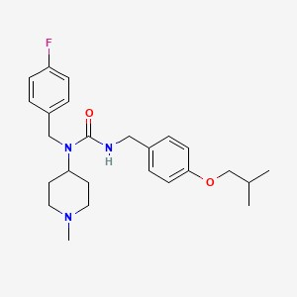
Main
 | Brand | NUPLAZID
 | Generic | pimavanserin
 | Indication | Parkinson's disease psychosis (PDP) - Approved
 |  | Negative symptoms of schizophrenia - Active
 | MOA | 5-HT2A receptors
 | Competition | First and only prescription medication approved by the FDA for the treatment of hallucinations and delusions associated with Parkinson’s disease psychosis (PDP)
 |  | No drug is approved by the FDA for the treatment of the negative symptoms of schizophrenia.
 | Economics

 |  |  | https://pubchem.ncbi.nlm.nih.gov/compound/10071196

 | Clinical Trials

 |  | https://acadia.com/media/news-releases/acadia-pharmaceuticals-announces-positive-top-line-results-from-advance-trial-of-pimavanserin-as-treatment-for-negative-symptoms-of-schizophrenia/

 |  | Acadia announced positive top-line results from its Phase 2 ADVANCE study, a 26-week, randomized, double-blind, placebo-controlled study in 403 patients.
 |  | ADVANCE evaluated the efficacy and safety of adjunctive pimavanserin treatment in patients with predominantly negative symptoms of schizophrenia who have achieved adequate control of positive symptoms with their existing antipsychotic treatment.
 |  | NCT02970305 - Results Posted.

 |  | Pimavanserin is a selective serotonin inverse agonist and antagonist preferentially targeting 5-HT2A receptors.
 |  | These receptors are thought to play an important role in psychosis, schizophrenia, depression and other neuropsychiatric disorders.
 |  | In vitro, pimavanserin demonstrated no appreciable binding affinity for dopamine (including D2), histamine, muscarinic, or adrenergic receptors.

 |  | The Phase 3 ADVANCE-2 study, is expected to complete enrollment by the end of 2022 with results available in 2024.
 |  | NCT04531982 - Recruiting

