OB Match
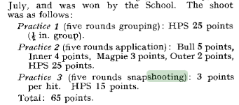
Year | Ref | Date | OBs | School | Masters | Officers of the OTC | OB B Team | OB C Team | Notes | Column1
1914 | 1914/18 - Issue 457 | 1914-07-22
1919 | 1919/23 - Issue 530 | 1919-07-24 | 448 | 493 |  |  |  |  |  | O.Bs could not raise a full team—probably due to shyness on the part of some—so it was agreed to shoot 6 a side
1920 | 1920/24 - Issue 545 | 1920-07-25 | 580 | 676 |  |  |  |  |  | 10 shots each on a decimal target. (H.P/S. 1oo)
1921 | 1921/25 - Issue 560 | 1921-07-21 | 579 | 580 | 600 |  |  |  |  | 10 shots each on a decimal target. (H.P/S. 1oo)
1924 | 1924/28 - Issue 590 | 1924-07-24
1926 | 1926/30 - Issue 612 | 1926-07-22
1927 | 1927/31 - Issue 620 | 1927-07-21
1928 | 1928/32 - Issue 629 | 1928-07-26
1936 | 1936/40 - Issue 688 | 1936-07-23 | Last |  |  |  |  |  |  | Revivied this year
1937 | 1937/41 - Issue 692 | 1937-07-22 | 198 | 199 | 175 | 191 |  |  |  | Out of 210
1938 | 1938/42 - Issue 700 |  | 192 | 191 | 191 | 190 | 188
1939 | 1939/43 - Issue 706 | 1939-07-27 | 165 | 186 | 192 | 190 | 182 | 172
1940 | 1940/44 - Issue 711 | 1940-07-27 |  |  |  |  |  |  |  | Cancelled owing to scarcity of ammunition and other difficulties
1954 | 1954/58 - Issue 790 | 1954-07-22 | 444 | 451 | 359
1955 | 1955/59 - Issue 796 | 1955-07-21 | 386 | 404 | 339
1957 | 1957/61 - Issue 807 | 1957-07-25 | 540 | 541 | 464
1958 | 1958/62 - Issue 813 | 1958-07-24 | 476 | 484 | 331

Chapman Cup
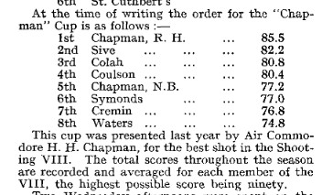
1956/60-800

