Table 1
Fish Stocking Report 2023 Updated April 27, 2023 Recreational fish stocking is managed by Alberta Environment and Parks and the Alberta Conservation Association. The recreational stocking program supplies over 240 lakes with approximately 2.1 million hatchery-reared trout to provide additional recreational angling opportunities and reduce angling pressure on natural fish populations. In 2021, the walleye stocking program recommenced. Walleye are stocked at a very small size due to their voracious nature in the fish hatchery. Walleye won’t reach a catchable size until four or five years after stocking, whereas stocked trout can be angled upon release from the hatchery. Species Stocked Fish species stocked into waterbodies may not look like the photos below – variation in color based on individual fish, the time of year and diet is common. Use the key characteristics to identify your catch, and if you don’t know, let it go!
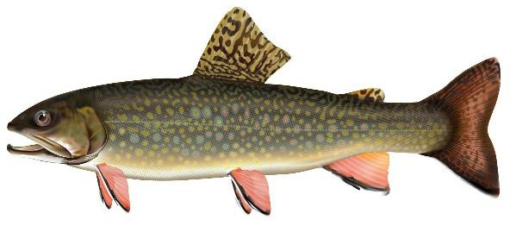 Brook Trout (BKTR) Lower fins have a black stripe behind a pale leading edge, light colored spots on the body, black markings on dorsal fin, a slightly forked tail. |  |  | 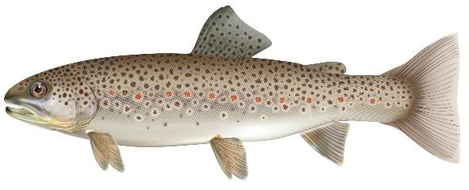 Brown Trout (BNTR) Large black spots on back and body, red spots (some with pale halos) on the sides. |  |  |  | 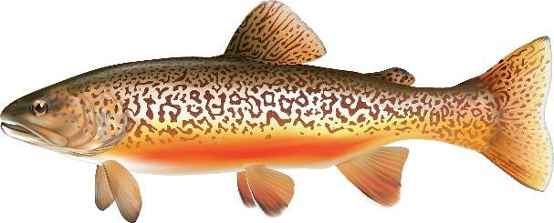 Tiger Trout (TGTR) Vermiculation (worm-like markings) on body and dorsal fin. Lower fins have a pale leading edge. Markings may appear brownish or greenish depending on location.
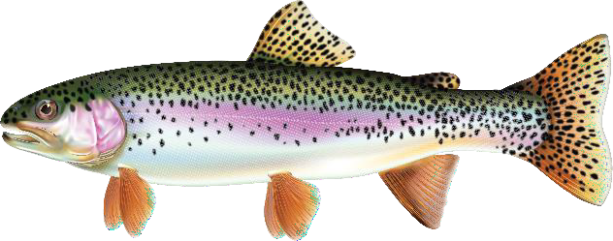 Rainbow Trout (RNTR) Black spotting over the length of the body, pink/red stripe along lateral line from gills to tail. |  |  | 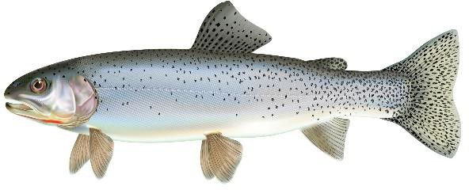 Cutthroat Trout (CTTR) Black spots (without halos) on sides that are more concentrated on the back and tail, red/orange streak under the jaw, slightly forked tail. |  |  |  | 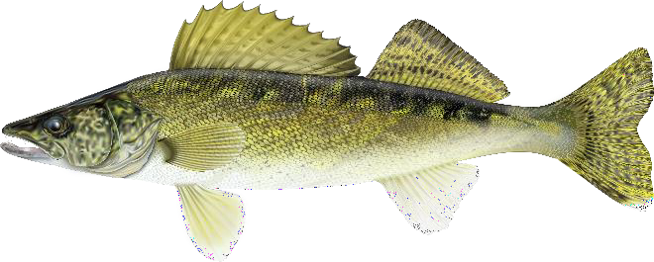 Walleye (WALL) Large eyes, two distinct fins present on back (first featuring large spines), dusky vertical bars on body with a yellow-olive back and white underside. Walleye usually have a distinctive white tip on the lower lobe of the tail.
Strain There are many different “strains” or genetically different variations of fish each with their own set of characteristics. These characteristics may cause a strain to grow better, be easier to catch, or have a higher survival rate in stocked waterbodies. These strains can be compared to determine which strain performs better in the hatchery or stocked waterbody to deliver the highest-quality recreational fishery possible. Genotype (Ploidy) Sterile trout are raised and stocked in many parts of Alberta to reduce potential impacts to native trout populations. These sterile trout have a third copy of genetic material in their cells, through a process known as triploiding. Sterile stocked trout will not spawn with wild trout populations nor deplete the genetic diversity of native species. Triploid fish are sterile and do not develop sexual organs. Because they do not put their energy into spawning, they can grow to be larger sooner, making them an ideal candidate for stocking into a trout pond for harvest. FISH STOCKING REPORT
Waterbody Official Name | Waterbody Common Name | ATS |  | Species | Strain* | Genotype ** |  | Average Length (cm) | Number Stocked | Stocking Date
Beaver Mines Lake |  | NE11-5-3-W5 |  | RNTR | Campbell Lake | 3N |  | 9.5 | 10,000 | 2023-04-26
Beaver Mines Lake |  | NE11-5-3-W5 |  | RNTR | Trout Lodge/Kamloops | AF3N |  | 17.1 | 10,902 | 2023-04-26
Emerson Lake |  | SW5-19-28-W4 |  | RNTR | Trout Lodge/Jumpers | AF3N |  | 20.9 | 1,400 | 2023-04-24
Emerson Lake |  | SW5-19-28-W4 |  | BNTR | Bow River | 3N |  | 18.7 | 200 | 2023-04-24
Lees Lake |  | SW8-7-2-W5 |  | RNTR | Trout Lodge/Jumpers | AF3N |  | 20.7 | 5,020 | 2023-04-24
Lees Lake |  | SW8-7-2-W5 |  | RNTR | Trout Lodge/Kamloops | AF3N |  | 17.2 | 4,740 | 2023-04-24
Lees Lake |  | SW8-7-2-W5 |  | BNTR | Bow River | 3N |  | 18.7 | 1,000 | 2023-04-24
Lees Lake |  | SW8-7-2-W5 |  | RNTR | Campbell Lake | 3N |  | 9.5 | 10,000 | 2023-04-26
Payne Lake | Mami Lake | NE10-2-28-W4 |  | RNTR | Trout Lodge/Jumpers | AF3N |  | 21.7 | 8,455 | 2023-04-25
Payne Lake | Mami Lake | NE10-2-28-W4 |  | RNTR | Trout Lodge/Jumpers | AF3N |  | 20.0 | 581 | 2023-04-25
Payne Lake | Mami Lake | NE10-2-28-W4 |  | RNTR | Trout Lodge/Kamloops | AF3N |  | 17.3 | 14,220 | 2023-04-25
Unnamed | Brooks Aquaduct Pond | NE15-18-14- W4 |  | RNTR | Campbell Lake | 2N |  | 20.2 | 3,990 | 2023-04-26
Unnamed
 | Brooks Aquaduct Pond | NE15-18-14- W4 |  | RNTR | Campbell Lake | 2N |  | 7.4 | 10,000 | 2023-04-26
Unnamed | Corner Lake | NW4-6-20-W4 |  | RNTR | Trout Lodge/Jumpers | AF3N |  | 20.5 | 2,510 | 2023-04-18
Unnamed | Enchant Pond | NW8-14-18- W4 |  | TGTR | Beitty/Bow River | 3N |  | 19.3 | 200 | 2023-04-21
Unnamed | Lacombe Park Pond | NW5-54-25- W4 |  | BKTR | Beitty Resort | 3N |  | 21.0 | 600 | 2023-04-25
Unnamed | McQuillan Reservoir | SW13-8-19-W4 |  | RNTR | Trout Lodge/Jumpers | AF3N |  | 21.6 | 2,225 | 2023-04-21
Unnamed | McVinnie Reservoir | SW33-12-21- W4 |  | RNTR | Trout Lodge/Jumpers | AF3N |  | 21.6 | 1,155 | 2023-04-21
Unnamed | McVinnie Reservoir | SW33-12-21- W4 |  | TGTR | Beitty/Bow River | 3N |  | 19.3 | 400 | 2023-04-21
Unnamed | Nicholas Sheran Park Pond | SE26-8-22-W4 |  | BKTR | Beitty Resort | 2N |  | 45.0 | 236 | 2023-04-17
Unnamed | Nicholas Sheran Park Pond | SE26-8-22-W4 |  | BNTR | Bow River | 3N |  | 18.2 | 1,000 | 2023-04-18
Unnamed | Nicholas Sheran Park Pond | SE26-8-22-W4 |  | BKTR | Beitty Resort | 3N |  | 18.9 | 1,000 | 2023-04-18
Unnamed | Nicholas Sheran Park Pond | SE26-8-22-W4 |  | RNTR | Campbell Lake | 2N |  | 20.1 | 798 | 2023-04-18
Unnamed | Nicholas Sheran Park Pond | SE26-8-22-W4 |  | BKTR | Beitty Resort | 2N |  | 45.0 | 235 | 2023-04-24
Unnamed | Pine Coulee Reservoir | NE15-14-28- W4 |  | RNTR | Trout Lodge/Jumpers | AF3N |  | 20.9 | 3,765 | 2023-04-24
Unnamed | Riverstone Pond | SW24-8-22-W4 |  | RNTR | Trout Lodge/Jumpers | AF3N |  | 21.1 | 919 | 2023-04-18
Unnamed | Severn Creek Reservoir | NW12-26-22- W4 |  | RNTR | Trout Lodge/Jumpers | AF3N |  | 20.2 | 2,811 | 2023-04-26
Unnamed | Spring Coulee Park Pond | NE12-5-24-W4 |  | RNTR | Trout Lodge/Jumpers | AF3N |  | 21.6 | 1,255 | 2023-04-25
Unnamed | Strathmore Children's Pond | SW14-24-25- W4 |  | TGTR | Beitty/Bow River | 3N |  | 19.6 | 150 | 2023-04-26
Total Trout Stocked | 99,617 |  |  | Lakes Stocked to Date | 16
*Strain BEBE = Beitty x Beitty, BRBE = Bow River x Beitty, CLCL = Campbell Lake, JLJL = Job Lake, LYLY = Lyndon, PLPL = Pit Lakes, TLTLJ = Trout Lodge / Jumpers, TLTLK = Trout Lodge / Kamloops, TLTLS = Trout Lodge / Silvers
**Gentotype: 2N – diploid, 3N – triploid, AF2N - all-female diploid, AF3N – all-female triploid

