Feuil1
 |  |  |  |  | 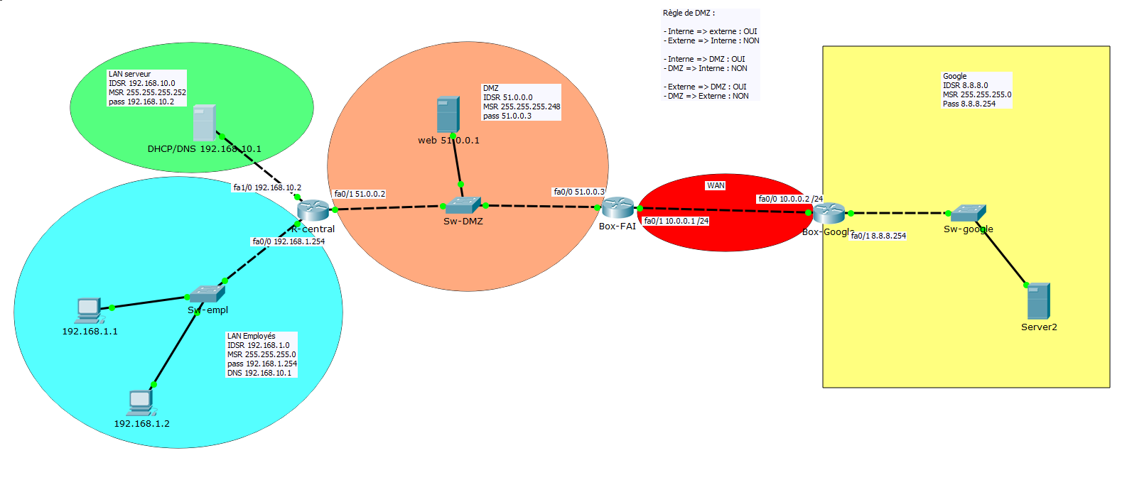

R-CENTRAL |  |  |  |  |  |  |  |  |  |  | ACL | NAT-PAT
interfaces | acl ext | sens |  |  |  |  |  |  |  |  |  |  | Box Fai | définir les interfaces
FA0/0 | 100 | in |  |  |  |  |  |  |  |  |  |  | 1 | interfaces | IP int | sens =cisco | Commentaire
 |  |  | ACE | Autorisation | Protocole de transport | Source | Port | Destination | Port | Commentaire |  |  |  | fa0/0 | 51.0.0.3 | IN
 |  |  |  | PERMIT | UDP | 192.168.1.0 0.0.0.255 | >1023 | 192.168.10.1 | 53 |  |  |  |  | fa0/1 | 10.0.0.1 | OUT
 |  |  |  | PERMIT | UDP | any | 68 | any | 67
 |  |  |  | PERMIT | TCP | 192.168.1.0 0.0.0.255 | >1023 | any | 80
 |  |  |  | PERMIT | TCP | 192.168.1.0 0.0.0.255 | >1023 | any | 443 |  |  |  |  | route =static
 |  |  |  | PERMIT |  |  |  |  |  |  |  |  | 2 | IDSR | MSR | PASSERELLE |  | Commentaire
 |  |  |  | PERMIT |  |  |  |  |  |  |  |  |  | 0.0.0.0 | 0.0.0.0 | 10.0.0.2
 |  |  |  | PERMIT |  |  |  |  |  |  |  |  |  | 192.168.1.0 | 255.255.255.0 | 51.0.0.2
 |  |  |  | PERMIT |  |  |  |  |  |  |  |  |  | 192.168.10.0 | 255.255.255.0 | 51.0.0.2

 |  |  |  |  |  |  |  |  |  |  |  |  | 3 | le reseau a natté = reseau privé
interfaces | acl ext | sens |  |  |  |  |  |  |  |  |  |  |  | Access-list 1
FA0/1 | 110 | in |  |  |  |  |  |  |  |  |  |  |  | ACE | autorisation | IDSR | wld | Commentaire
 |  |  | ACE | Autorisation | Protocole de transport | Source | Port | Destination | Port | Commentaire |  |  |  |  | PERMIT | 192.168.1.0 | 0.0.0.255
 |  |  |  | PERMIT | TCP | any | 80 | 192.168.1.0 0.0.0.255 | >1023
 |  |  |  | PERMIT | TCP | any | 443 | 192.168.1.0 0.0.0.255 | >1023
 |  |  |  | PERMIT
 |  |  |  | PERMIT
 |  |  |  | PERMIT
 |  |  |  | PERMIT |  |  |  |  |  |  |  |  | 4 | Table de Nat
 |  |  |  | PERMIT |  |  |  |  |  |  |  |  |  | local inside |  | Port | global inside |  | Port | Commentaire
 |  |  |  |  |  |  |  |  |  |  |  |  |  | acl list 1 |  | >1023 | 10.0.0.1 |  | >1023
 |  |  |  |  |  |  |  |  |  |  |  |  |  | host 51.0.0.3 |  | 80 | 10.0.0.1 |  | 80
 |  |  |  |  |  |  |  |  |  |  |  |  |  | host 51.0.0.3 |  | 443 | 10.0.0.1 |  | 443

interfaces | acl ext | sens
FA1/0 | 120 | in
 |  |  | ACE | Autorisation | Protocole de transport | Source | Port | Destination | Port | Commentaire
 |  |  |  | PERMIT | UDP | 192.168.10.1 | 53 | 192.168.1.0 0.0.0.255 | >1023
 |  |  |  | PERMIT | UDP | 192.168.10.1 | 67 | 192.168.1.0 0.0.0.255 | 67
 |  |  |  | PERMIT
 |  |  |  | PERMIT
 |  |  |  | PERMIT

BOX-FAI

interfaces | acl ext | sens
FA0/0 | 100 | in
 |  |  | ACE | Autorisation | Protocole de transport | Source | Port | Destination | Port | Commentaire
 |  |  |  | PERMIT | TCP | 51.0.0.1 | 80 | any | >1023
 |  |  |  | PERMIT | TCP | 51.0.0.1 | 443 | any | >1023
 |  |  |  | PERMIT | TCP | 192.168.1.0 0.0.0.255 | >1023 | any | 80
 |  |  |  | PERMIT | TCP | 192.168.1.0 0.0.0.255 | >1023 | any | 443
 |  |  |  | PERMIT | TCP
 |  |  |  | PERMIT | TCP
 |  |  |  | PERMIT

interfaces | acl ext | sens
FA0/1 | 110 | in
 |  |  | ACE | Autorisation | Protocole de transport | Source | Port | Destination | Port | Commentaire
 |  |  |  | PERMIT | TCP | any | 80 | 10.0.0.1 | >1023
 |  |  |  | PERMIT | TCP | any | 443 | 10.0.0.1 | >1023
 |  |  |  | PERMIT | TCP | any | >1023 | 10.0.0.1 | 80
 |  |  |  | PERMIT | TCP | any | >1023 | 10.0.0.1 | 443
 |  |  |  | PERMIT | TCP | any
 |  |  |  | PERMIT | TCP | any

