Sheet1
Error Handling
Optional fields can be misinterpreted as required and vice versa unless both types are explicitly indicated — causing severe form-filling friction
Always label both optional and required fields on forms
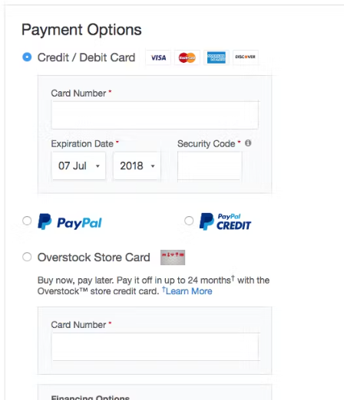
Use Localized Input Masks for Restricted Inputs When faced with a field with formatting requirements or character restrictions, users are often hesitant or confused about how to proceed correctly. For formatted and restricted inputs, use an input mask that autoformats users’ input as they type. However, only enable it in countries where it’s verified to match the local formatting
Provide Tooltips for Unconventional Features, Fields, or Selections
Use Inline Validation, With Advanced ‘Live’ Logic: Use live inline validation, but avoid premature validation. Perform live checks (at each individual keystroke) as users update incorrect fields, and remove error messages as soon as a valid input is detected. Consider adding positive inline validation as well.
Autopopulate: city, state and country from the zip code :https://zipcodebase.com/

Mark Both Required and Optional Fields Explicitly #686
Provide Tooltips for Unconventional Features, Fields, or Selections: Limit permanent descriptions of fields or features to clarifications important to the majority of users, and keep them short. Use tooltip text for all infrequently used or lesser-known fields, selections, and features.

Disable Autocapitalization Where Appropriate on Mobile like email

Sheet2
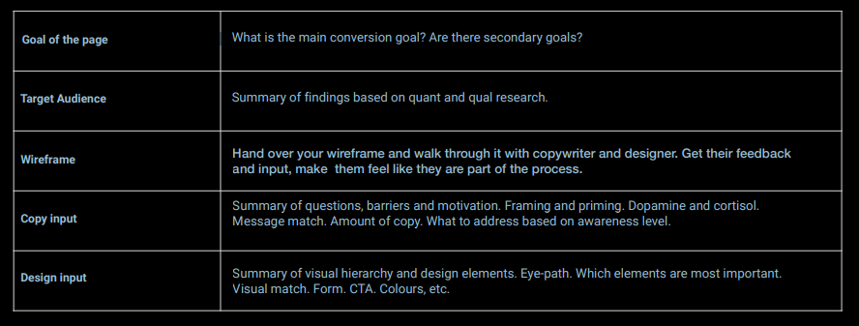
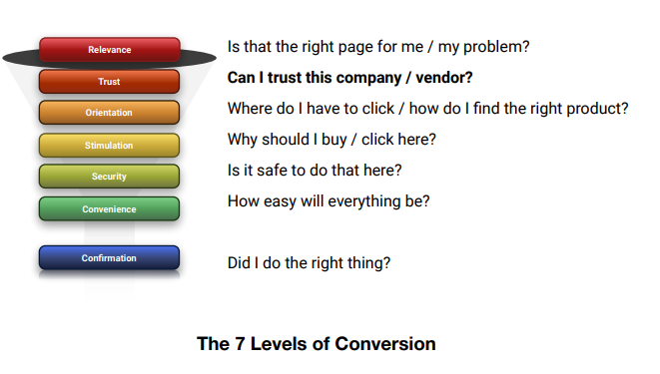
Trust signals
Is the site design based on credibility principles?
Is the information architecture clear and according to expectations?
Does the brand stand clear and imply trustworthiness?
Does the website use seals or any other similar codes?
Are user transactions visible (social proof)?
Are celebrities or other authorities used as testimonials?
As a shop: Do you show the famous brands you are selling

