Sheet1
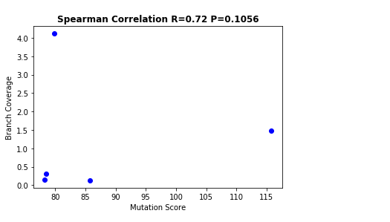
Version | Mutation Score(%) | Branch Coverage(%)
v1.4 | 65 | 76
v1.3.3 | 68 | 74
v1.3.2 | 68 | 76
v1.3.1 | 68 | 76
v1.2.2 | 64 | 71
v1.2.1 | 64 | 70

