Sheet1
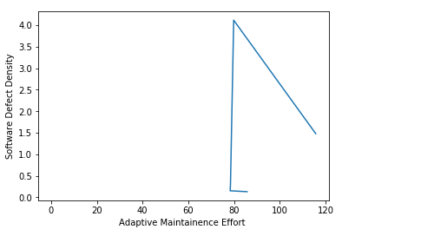
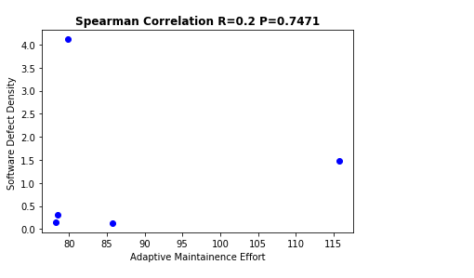
version | Effort | Defect Density
v1.2.2 | 115.73 | 1.478561
v1.3.1 | 79.84 | 4.11710887
v1.3.2 | 78.44 | 0.30562347
v1.3.3 | 78.3 | 0.152068
v1.4 | 85.72 | 0.130907

