Sheet1
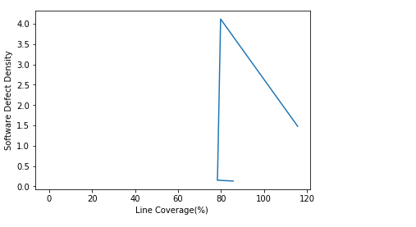
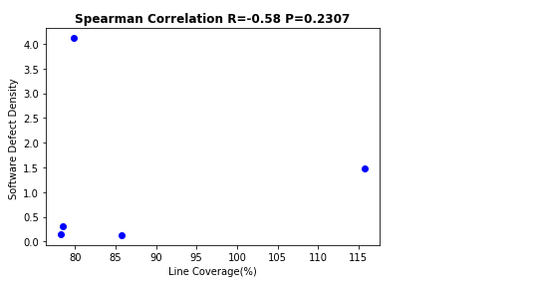
Version | Line Coverage | Defect Density
FileUpload 1.2.2 | 74 | 1.478561
FileUpload 1.3 | 70 | 4.11710887
FileUpload 1.3.1 | 79 | 0.30562347
FileUpload 1.3.2 | 79 | 0.152068
FileUpload 1.3.3 | 77 | 0.130907
FileUpload 1.4 | 79 | 0.201753236

