Sheet1
Version | Statement Coverage(%) | Branch Coverage(%) | Missed Complexity | Total Complexity | McCabe Complexity
FileUpload 1.2.2 | 74 | 71 | 165 | 410 | 0.40243902439
FileUpload 1.3 | 79 | 76 | 168 | 470 | 0.35744680851
FileUpload 1.3.1 | 79 | 76 | 168 | 470 | 0.35744680851
FileUpload 1.3.2 | 79 | 76 | 169 | 471 | 0.35881104034
FileUpload 1.3.3 | 77 | 74 | 175 | 472 | 0.37076271186
FileUpload 1.4 | 80 | 76 | 175 | 477 | 0.36687631027
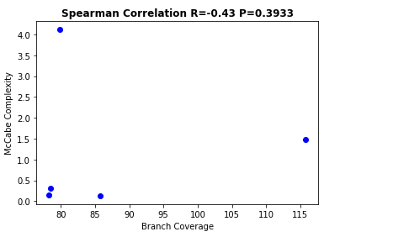

Version | Branch Coverage | McCabe Complexity
FileUpload 1.2.2 | 70 | 0.40243902439
FileUpload 1.3 | 71 | 0.35744680851
FileUpload 1.3.1 | 76 | 0.35744680851
FileUpload 1.3.2 | 76 | 0.35881104034
FileUpload 1.3.3 | 74 | 0.37076271186
FileUpload 1.4 | 76 | 0.36687631027

Version | Statement Coverage | McCabe Complexity
FileUpload 1.2.2 | 73 | 0.405472637
FileUpload 1.3 | 77 | 0.397590461
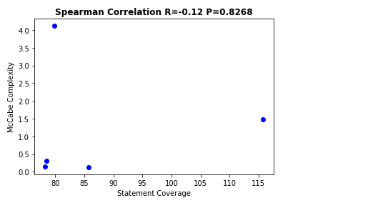
FileUpload 1.3.1 | 78 | 0.35881102
FileUpload 1.3.2 | 73 | 0.35881101
FileUpload 1.3.3 | 75 | 0.372590461
FileUpload 1.4 | 76 | 0.368990461

