Sheet1
Version | Mutation Score | Statement Coverage
v1.4 | 66 | 76
v1.3.3 | 65 | 75
v1.3.2 | 68 | 73
v1.3.1 | 64 | 78
v1.3 | 64 | 77
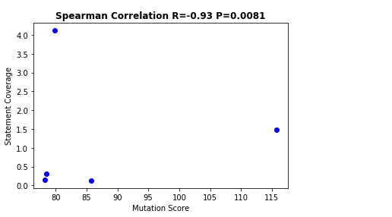
v1.2.2 | 68 | 73

