Sayfa1
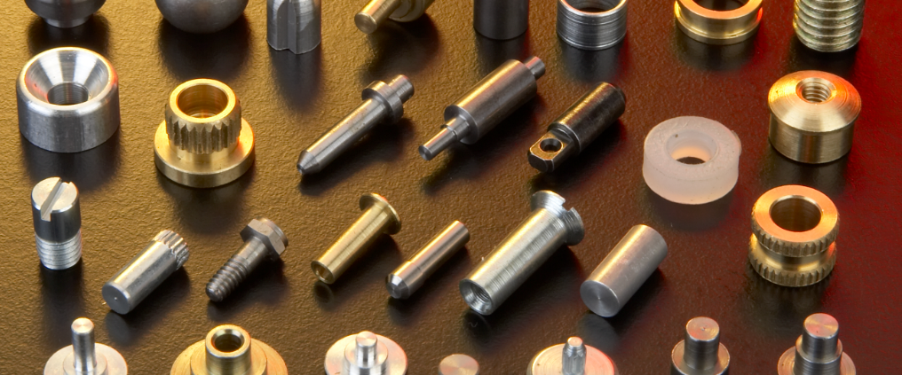

To meet precise dimensional and functional requirements, we offer comprehensive machining services following the hot forging process.
Our in-house machining capabilities include CNC turning, milling, drilling, and threading operations, ensuring complete control over final turned part accuracy and surface finish.
By combining forging and machining under one roof, we provide our customers with cost-effective, high-performance components that are ready for assembly or final use.

 | Make a product gallery

