Sheet3
Employee List module
Test Case ID | Test Scenerio | Test Case Title | Pre-requisites | Test Steps | Test Data | Expected Result | Actual Result | Result | Comments | ScreenShot
TC_EL_001(Search Employee By Name) | TS_EL_001(Search Employee) | Search Employee in Employee List By his Name | Open The Website in Any Browser By: https://hr.timesofpeople.com/employee-list | 1)Click on Employee List Module 2)Go to Search Employee Bar 3)Type the name of employee Whose details user want to search | Enter Employee Name | 1)Display eployee details row having (Employee name, Designation, Official mail Id , Contact Number & Date of Joining)Whose Name has typed by user 2)When User Click On this Row Of details Then Display Basic And Company Details Forms. 3)If User want to update Basic and Company Details Of That Employee Then He Can Change And Update Them. | 1)Displaying eployee details row having (Employee name, Designation, Official mail Id , Contact Number & Date of Joining)Whose Name has typed by user 2)When User Click On this Row Of details Then Display Basic And Company Details Forms. 3)If User want to update Basic and Company Details Of That Employee Then He Can Change And Update Them. | pass | All Details Should Be Properly Filled

TC_EL_001(Add Employee By All Maddatory Fields) | TS_EL_002(Employee OnBoarding) | Add Employee By Fill all mandatory input Fields properly | Open The Website in Any Browser By: https://hr.timesofpeople.com/employee-onboarding | 1)Click on add employee icon 2)Fill All The Mandatory Details Properly In Basic Details Form 3)Fill All The Mandatory Details Properly In Company Details Form 4)Click On Create Button | 1)Basic Details:(First Name, Last Name, Designation, Phone Number, gender, Personal Email, Spause name, father name, Emergency Contact Number, Present Address, permanent address) 2)Company Details:(Date O joining, Employee Type, company Branch, Official Email, password, Basic Salary, Total Salary, User Group) | 1)Employee Onboarded Successfully 2)After Successful Onboarded User Can View New Onboarded Employee On Top Of Employee List Module Home Page. | 1)Employee Onboarded Successfully 2)After Successful Onboarded User Can View New Onboarded Employee On Top Of Employee List Module Home Page. | Pass | All Details Should Be Properly Filled | 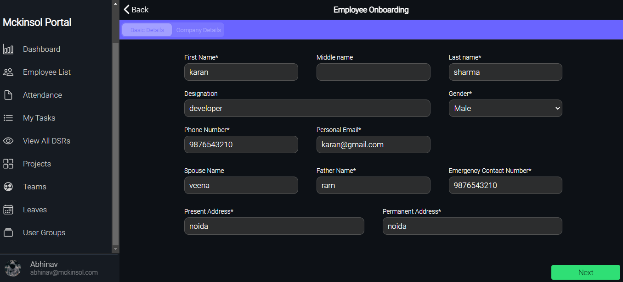 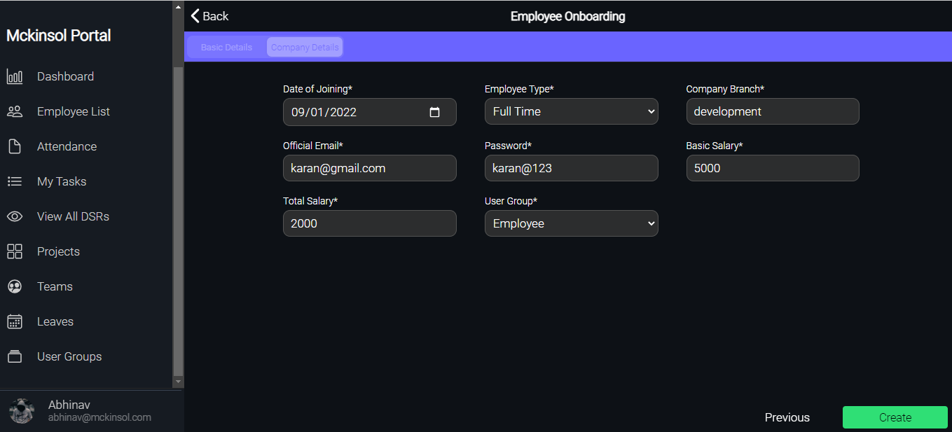
TC_EL_002(Add Employee By Some Maddatory Fields) | TS_EL_002(Employee OnBoarding) | Add Employee By Fill some mandatory input Fields properly | Open The Website in Any Browser By: https://hr.timesofpeople.com/employee-onboarding | 1)Click on add employee icon 2)Fill Some Of The Mandatory Details In Basic Details Form | 1)Basic Details:First Name, Last Name, Designation, Phone Number) | 1)Please Fill All Mandatory Fields 2)Next button Should be Disabled To Reach The Company Details until All Mandatory Fields Are Not Filled of Basic Details Form | 1)Please Fill All Mandatory Fields | pass | All Details Should Be Properly Filled

Sheet4
My Tasks module
Test Case ID | Test Scenerio | Test Case Title | Pre-requisites | Test Steps | Test Data | Expected Result | Actual Result | Result | Comments | ScreenShot
TC_MT_001(ADD Task) | TS_MT_001(Add Tasks) | Add The Task Of The Day Which Is User want to do on a particular date | Open The Website in Any Browser By: https://hr.timesofpeople.com/tasks | 1)Click on My Tasks module 2)Click On Add(+) icon Present below the TO DO Board 3)Write Your Task 4)Enter Start And End Time Of That task | Enter the name of task | Task Board Created under TODO Board | Task Board Created under TODO Board | Pass | 1)Follow The Steps Correctly 2)User can add Multiple Tasks under TODO board. | 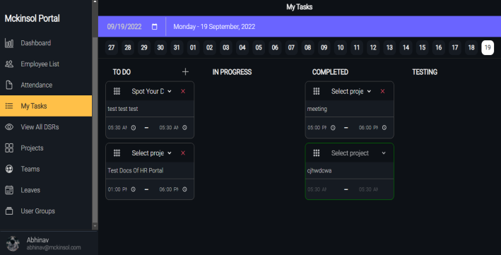

TC_MT_001(Remove Task) | TS_MT_002(Remove Tasks) | Remove The Task Of The Day from TODO, Progress, Testing or Completed Board | Open The Website in Any Browser By: https://hr.timesofpeople.com/tasks | 1)Click on My Tasks module 2)Click On Remove(-) icon Present below the TO DO Board on task cards | Not Applicable | Task Removed | Task Removed | Pass | 1)Follow The Steps Correctly 2)User can Remove Multiple Tasks under any board.

TC_MT_001(Drag & Drop Tasks) | TS_MT_003(Drag & Drop Tasks) | Drag the drop the tasks of TODO Board into Progress board or testing Board or Completed Board | Open The Website in Any Browser By: https://hr.timesofpeople.com/tasks | 1)Click on My Tasks module 2)Click on the Header of the Task card 3)Drag it and Drop it on Destination that can be any of the Board | Not Applicable | Task Successfully Droped at Destination | Task Successfully Droped at Destination | Pass | 1)Follow The Steps Correctly 2)User can Drag And Drop Multiple Tasks under any board.

TC_MT_001(Search My Tasks By Date) | TS_MT_004(Search My Tasks By Date) | Search Tasks of any date just by select that particular date whose tasks user want to look | Open The Website in Any Browser By: https://hr.timesofpeople.com/tasks | 1)Click on My Tasks module 2)Click on Calender icon 3)Choose the date whose Taks Boards user want to look | Choose the date whose Taks Boards user want to look From the calender | Display Tasks Of Selected Date | Display Tasks Of Selected Date | Pass | 1)user can see single day task at one time

Sheet5
Display DSR module |  |  |  | View All DSR module
Test Case ID | Test Scenerio | Test Case Title | Pre-requisites | Test Steps | Test Data | Expected Result | Actual Result | Results | Comments | ScreenShot
TC_DD_001(Display By Filter) | TS_DD_001(Display DSR) | Display DSR by Selecting Single Status And Single Team Along With Date Range | Open The Website in Any Browser By: https://hr.timesofpeople.com/view-all-dsr | 1)Click on View All DSRs Module 2)Select Any one Status From New, Approved Or Rejected 3)Select any one Department 4)Select Start date and End date | 1)Status:Accepted 2)Department:Development 3)Start date:01/09/2022 4)End Date:20/09/2022 | Display DSR of all employee According to Passed Filter | 1)Displaying DSR of all employee According to Passed Filter | pass | 1)user can pass various combinations of filter
TC_DD_002(Display By Filter) | TS_DD_001(Display DSR) | Display DSR by Selecting Multiple Status And Multiple Team Along With Date Range | Open The Website in Any Browser By: https://hr.timesofpeople.com/view-all-dsr | 1)Click on View All DSRs Module 2)Select multiple Status From New, Approved Or Rejected 3)Select Multiple Departments 4)Select Start date and End date | 1)Status:New, Accepted & Rejected 2)Department:Development, Accounts 3)Start date:01/09/2022 4)End Date:20/09/2022 | 1)Display DSR of all employee According to Passed Filter | 1)Displaying DSR of all employee According to Passed Filter | pass | 1)user can pass various combinations of filter | 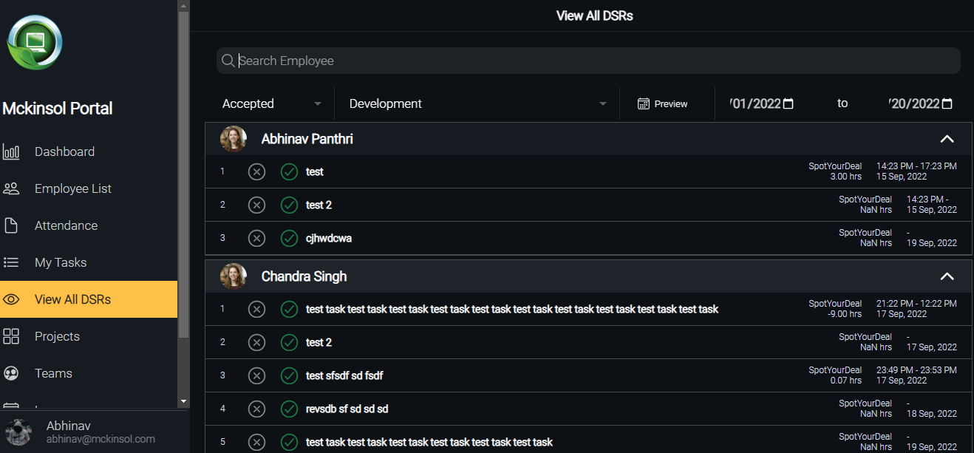
TC_DD_003(Display By Filter) | TS_DD_001(Display DSR) | Display DSR by Selecting Status And Team Without Date Range | Open The Website in Any Browser By: https://hr.timesofpeople.com/view-all-dsr | 1)Click on View All DSRs Module 2)Select multiple Status From New, Approved Or Rejected 3)Select Multiple Departments | 1)Status:New, Accepted & Rejected 2)Department:Development, Accounts 3)Start date:Null 4)End Date:Null | 1)No Data will Show | Expected result | pass | 1)Blank Screen Should be display

TC_DD_001(view whole month DSR of single team) | TS_DD_002(Preview) | user will be able to look whole month DSR BY Select Single Department And Particular month | Open The Website in Any Browser By: https://hr.timesofpeople.com/view-all-dsr | 1)Click on View All DSRs Module 2)Click on preview icon 3)Select single department and month | 1)Department: development 2)month:September | 1)Display September Dsr of Development team | 1)Displaying September Dsr of Development team | pass |  | 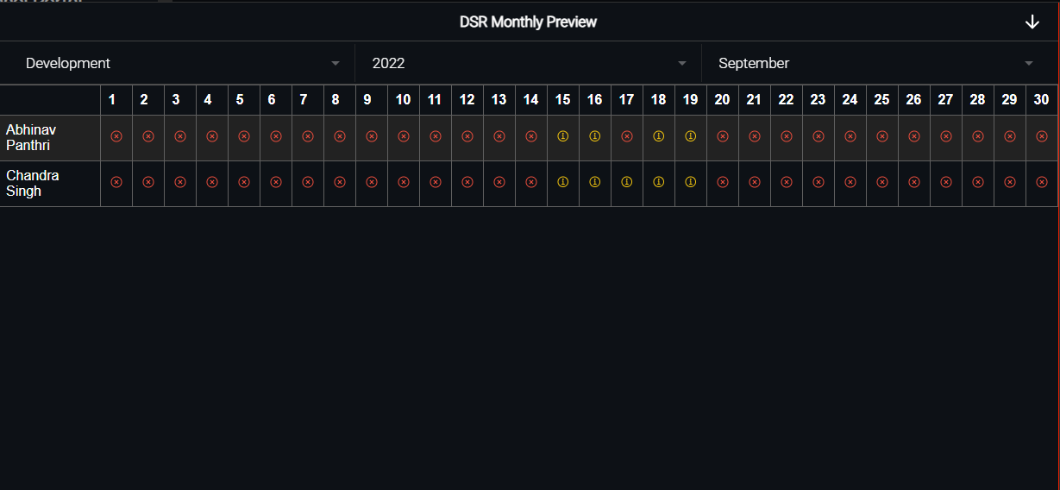
TC_DD_002(view whole month DSR of multiple team) | TS_DD_002(Preview) | user will be able to look whole month DSR BY Select multiple Department And Particular month | Open The Website in Any Browser By: https://hr.timesofpeople.com/view-all-dsr | 1)Click on View All DSRs Module 2)Click on preview icon 3)Select multiple department and month | 1)Department: development,sales,Accounts 2)month:September | 1)Display September Dsr of Development, sales and Marketing team collectively | 1)Displaying September Dsr of Development, sales and marketing team collectively | pass

Sheet6
Teams module
Test Case ID | Test Scenerio | Test Case Title | Pre-requisites | Test Steps | Test Data | Expected Result | Actual Result | Results | Comments | ScreenShot
TC_T_001(Add new Team) | TS_T_001(Add/remove teams) | Add new Teams on the Basis of need of company | Open The Website in Any Browser By: https://hr.timesofpeople.com/teams | 1)Click on Teams module 2)Click on Add icon(+) into the teams 3)write the name Which team user want to add 4)Click on Add | 1)Team name which is user want to add:Human resources | 1)Team Added Successfully 2)Display newly added team under teams list | 1)Team Added Successfully 2)Displaying newly added team under teams list | pass | 1)follow Test Steps exactly 2)user can add multiple teams | 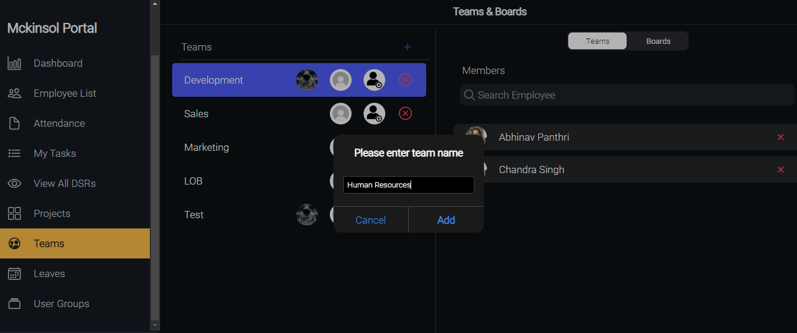
TC_T_002(Remove a Team) | TS_T_001(Add/remove teams) | Remove Team on the Basis of need of company | Open The Website in Any Browser By: https://hr.timesofpeople.com/teams | 1)Click on Teams module 2)Click on Remove icon(-) into the teams | NA | 1)Team Removed Successfully 2)Removed Team Should not display under Teams | 1)Team Removed Successfully 2)Removed Team is not displaying under Teams | pass | 1)follow Test Steps exactly 2)user can Remove multiple teams | 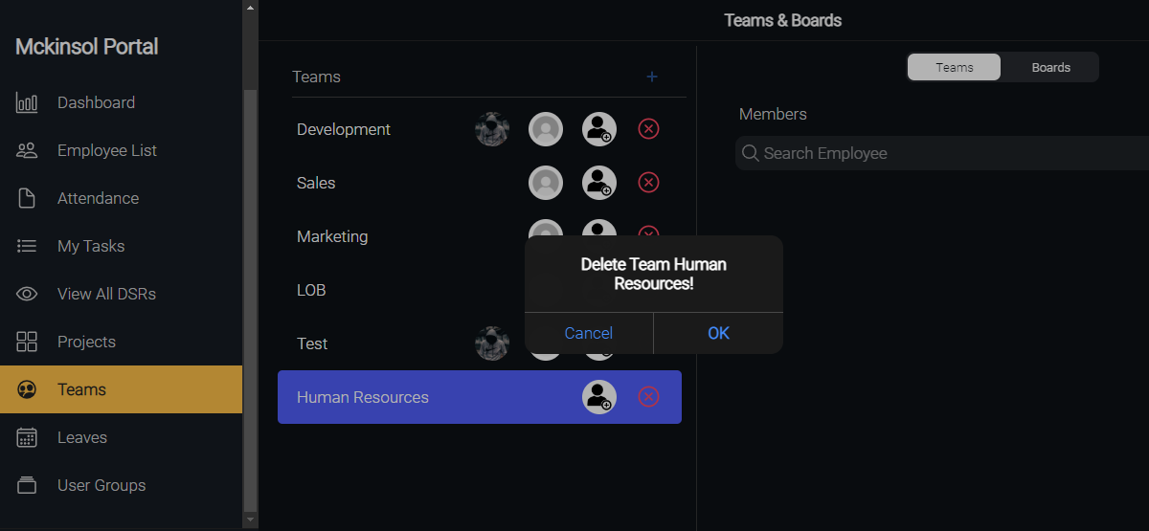

TC_T_001(Add Employee into team) | TS_T_002(Add/remove Employee Members into teams ) | Add Employee member into team | Open The Website in Any Browser By: https://hr.timesofpeople.com/teams | 1)Click on Teams module 2)select the team where user want to add employee members 3)go to search employee bar and type the name of employee whom user want to add 4)searched employee will display there user will find add icon(+), just click on that employee will added into the team by this. | enter the employee name whom user want to add into the team | 1)employee added into the team successfully 2)when user select the team, added members shoulddisplay into the team under search employee bar | 1)employee added into the team successfully 2)when user select the team, added members are displaying into the team under search employee bar | pass | 1)follow Test Steps exactly 2)user can add multiplemembers into the teams
TC_T_002(Remove Employee from team) | TS_T_002(Add/remove Employee Members into teams ) | Remove Employee member from team | Open The Website in Any Browser By: https://hr.timesofpeople.com/teams | 1)Click on Teams module 2)select the team where user want to add employee members 3)go to search employee bar and type the name of employee whom user want to Remove 4)searched employee will display there user will find Remove icon(-), just click on that employee will removed from the team by this. | enter the employee name whom user want to remove from the team | 1)employee removed from the team successfully 2)when user select the team removed members should not display into the team under search employee bar | 1)employee removed from the team successfully 2)when user select the team removed members are not displaying into the team under search employee bar | pass | 1)follow Test Steps exactly 2)user can remove multiple members from the teams

TC_T_001(Add Board) | TS_T_003(Add/Remove Boards into Teams) | Add Board into the the team | Open The Website in Any Browser By: https://hr.timesofpeople.com/teams | 1)Click on teams module 2)select the team in which user want to add new boards 3)select add new column under team board columns 4)write the name of board which u want to add like it could be TODO, progress, testing or Completed 5)click on Add | enter the Board name whom user want to Add into the team | 1)Task board added successfully 2)Task board should display under Task board columns | 1)Task board added successfully 2)Task board is displaying under Task board columns | pass | 1)follow Test Steps exactly 2)user can add multiple boards also. | 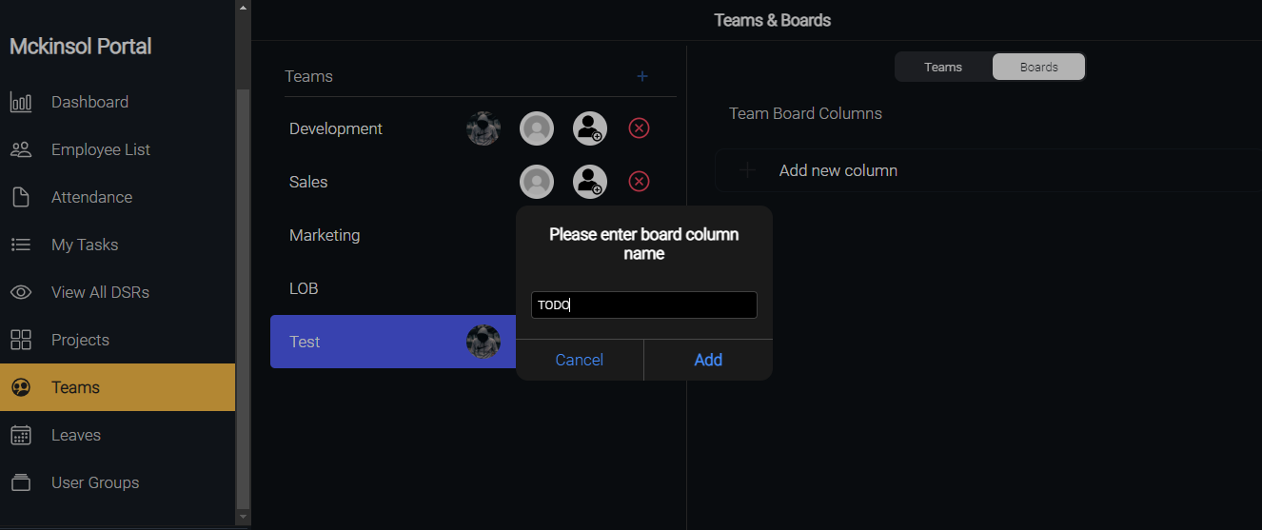
TC_T_002(Remove Board) | TS_T_003(Add/Remove Boards into Teams) | Remove Board from the the team | Open The Website in Any Browser By: https://hr.timesofpeople.com/teams | 1)Click on teams module 2)select the team from which user want to remove boards 3)click on delete icon | NA | 1)Task board removed successfully 2)Task board should not display under Task board columns | 1)Task board removed successfully 2)Task board is not displaying under Task board columns | pass | 1)follow Test Steps exactly 2)user can remove multiple boards also.

Sheet7
User Groups module
Test Case ID | Test Scenerio | Test Case Title | Pre-requisites | Test Steps | Test Data | Expected Result | Actual Result | Results | Comments | ScreenShot
TC_UG_001(Add User Group name) | TS_UG_001(Add/Remove User Group name) | New User Group Can be Added | Open The Website in Any Browser By: https://hr.timesofpeople.com/user-groups | 1)go to user group module 2)click on add icon(+) into the the user group name 3)write the name of user group name 4)click on add | 1)Enter the user group name | 1)user group added successfully 2)Added user group should display under user group name | 1)user group added successfully 2)Added user group are displaying under user group name | pass | 1)follow test steps correctly | 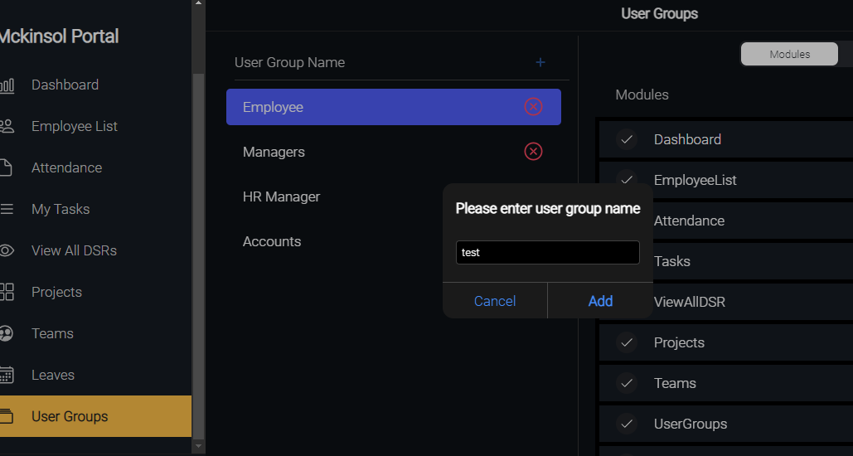
TC_UG_002(remove User Group name) | TS_UG_001(Add/Remove User Group name) | New User Group Can be Removed | Open The Website in Any Browser By: https://hr.timesofpeople.com/user-groups | 1)go to user group module 2)select the user group name whom user want to remove 3)click on remove icon | NA | 1)user group removed successfully 2)Removed user group should not display under user group name | 1)user group removed successfully 2)Removed user group are not displaying under user group name | pass | 1)follow test steps correctly

TC_UG_001(Allow Access of Modules To User Group) | TS_UG_002(Allow/update Access of Modules To User Group) | user can give access of required modules to the user group | Open The Website in Any Browser By: https://hr.timesofpeople.com/user-groups | 1)go to user group module 2)select the user group name whom authorized user want to allow access of required modules 3)click on modules 4)check the modules whose access authorized user want to give to user group. 5)click on update | NA | 1)allowed modules should be checked | 1)allowed modules are checked | pass | 1)follow test steps correctly | 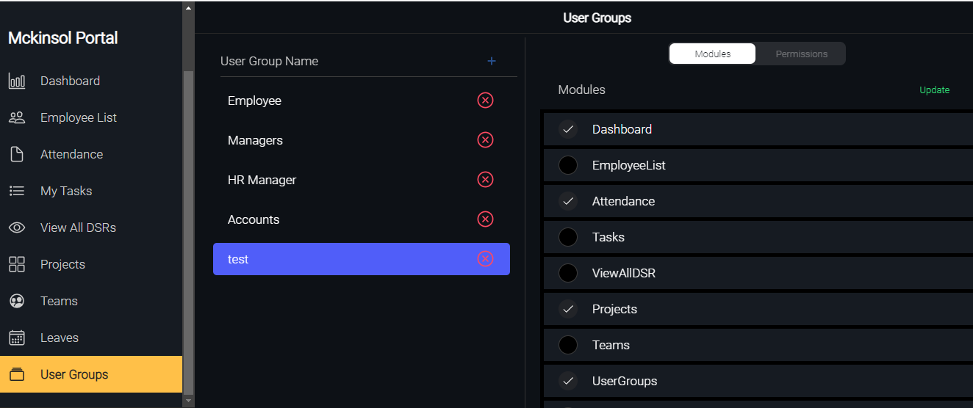
TC_UG_002(update Access of Modules To User Group) | TS_UG_002(Allow/update Access of Modules To User Group) | user can update access of required modules to the user group | Open The Website in Any Browser By: https://hr.timesofpeople.com/user-groups | 1)go to user group module 2)select the user group name whom authorized user want to allow access of required modules 3)click on modules 4)check the modules whose access authorized user want to give to user group. 5)click on update | NA | 1)updated modules should be checked | 1)updated modules are checked | pass | 1)follow test steps correctly

Sheet8
Performance module
Test Case ID | Test Scenerio | Test Case Title | Pre-requisites | Test Steps | Test Data | Expected Result | Actual Result | Result | ScreenShot | Comments
TC_P_001( KRA form submission of new or unique month) | TS_P_001(KRA form submission) | user can fill KRA form and submission of new or unique month | Open The Website in Any Browser By: https://hr.timesofpeople.com/add-kra | 1)go to performance module 2)click on create icon to fill KRA form 3)click on submit to submission the KRA form | 1)fill all the required input fields and unique month | 1)Form submission successful 2)display newly created row of KRA on performance home page have details like evaluation purpose, month, created at,review period and total score. | expected result | pass | 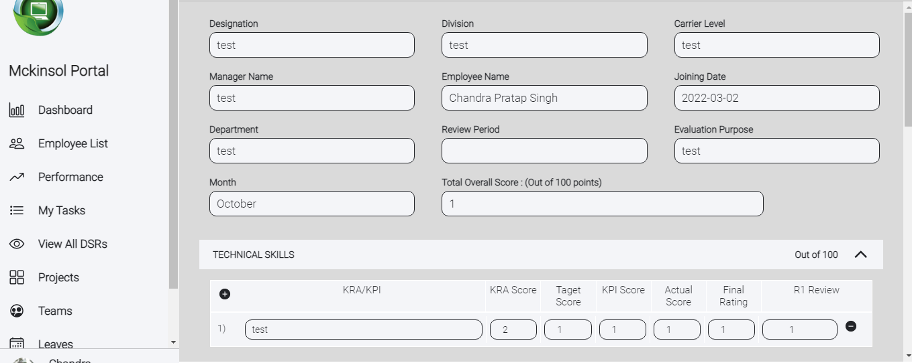
TC_P_001( KRA form submission of already existed month) | TS_P_001(KRA form submission) | user should not be able to fill KRA form and submission of already existed month | Open The Website in Any Browser By: https://hr.timesofpeople.com/add-kra | 1)go to performance module 2)click on create icon to fill KRA form 3)click on submit to submission the KRA form | 1)fill all the required input fields and already existed month | 1)This month KRA is already submitted | expected result | pass

TC_P_001( KRA form updation in allowed fields) | TS_P_002(KRA form updation) | user can update some allowed input fields in KRA form | Open The Website in Any Browser By: https://hr.timesofpeople.com/edit-kra | 1)go to performance module 2)create icon to fill KRA form 3)click on submit to submission the KRA form | 1)fill all the required allowed input fields which user want to update | 1)KRA updated 2)display updated KRA | expected result | pass
TC_P_001( KRA form updation in non allowed fields) | TS_P_002(KRA form updation) | user can't update non allowed input fields in KRA form | Open The Website in Any Browser By: https://hr.timesofpeople.com/edit-kra | 1)go to performance module 2)click on the desired KRA whom user want to update 3)click on submit to submission the KRA form | 1)fill all the non allowed input fields like month, department , manager name etc… which user want to update | 1)cursor will not blink on non allowed input field | expected result | pass

TC_P_001(KRA form deleted) | TS_P_003(KRA form deletion) | user can delete his KRA form | Open The Website in Any Browser By: https://hr.timesofpeople.com/edit-kra | 1)go to performance module 2)click on the desired KRA whom user want to delete | NA | 1)KRA deleted sucessfully |  | failed |  | 1)in progress feature

Sheet9
Leaves module
Test Case ID | Test Scenerio | Test Case Title | Pre-requisites | Test Steps | Test Data | Expected Result | Actual Result | Result | ScreenShot | Comments
TC_L_001(leave creation without certificate) | TS_L_001(Leave creation) | user can create various kind of leaves except sick leave more than 2 days. | Open The Website in Any Browser By: https://hr.timesofpeople.com/leaves | 1)click on leaves module 2)click on create button 3)fill all the details into leave creation form 4)click on submit | 1)fill the type of leave(sick leave, paid leave , lose of pay , work from home or half day) 2)start date and end date with reason | 1)leave created successfully 2)display leaves with status and details on leave module home page in tabular form | expected result | pass | 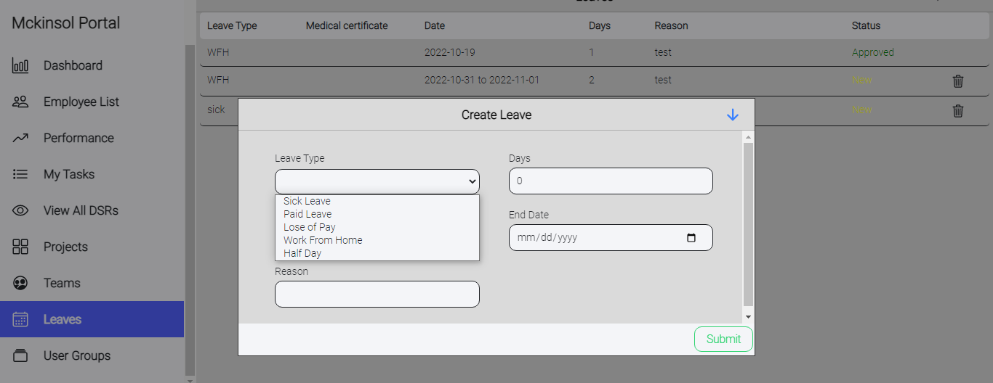
TC_L_002(leave creation with certificate) | TS_L_001(Leave creation) | user can create sick leave more than 2 days. | Open The Website in Any Browser By: https://hr.timesofpeople.com/leaves | 1)click on leaves module 2)click on create button 3)fill all the details into leave creation form 4 submit medical certificate 5)click on submit | 1)fill the type of leave(sick leave only) 2)start date and end date with reason and medical certificate | 1)leave created successfully 2)display leaves with status and details on leave module home page in tabular form | expected result | pass | 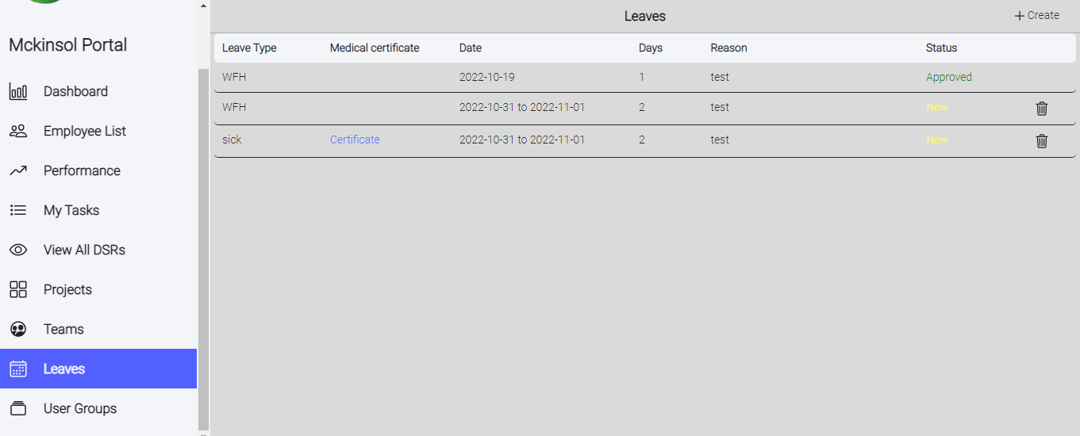

TC_L_001(Approve leave) | TS_L_002(Approve leave) | team leader can approve his team member leave | Open The Website in Any Browser By: https://hr.timesofpeople.com/leaves | 1)go to dashboard module 2)click on leave sub module 3)click on approve icon to approve the leave request | NA | 1)leave approved successfully 2)display leave with approve status and details on leave module home page in tabular form | expected result | pass | 

TC_L_001(leave Rejection) | TS_L_003(Rejection of leave) | team leader can reject his team member leave | Open The Website in Any Browser By: https://hr.timesofpeople.com/leaves | 1)go to dashboard module 2)click on leave sub module 3)click on reject icon to reject the leave request | NA | 1)leave rejected successfully 2)display leave with rejected status and details on leave module home page in tabular form | expected result | pass

