Sheet1
sub_property_name | sub_property_legal_id | sub_property_rent | sub_property_image
Property_1_U_A6 | A6 | 4000 | 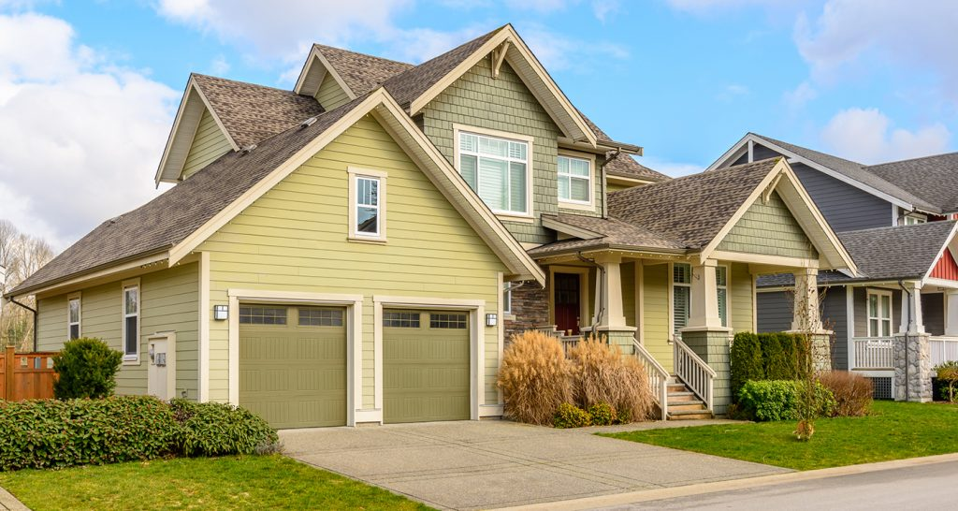
Property_1_U_A7 | A7 | 6000
property_1_U_A8 | A8 | 2750
property_1_U_A9 | A9 | 2800
property_1_U_A10 | A10 | 3000

